INHBB _multivariate
Reported by Tex Li-Hsing Chi. tex@gate.sinica.edu.tw 2019-08-18

Table 2. The clinicopathological features of HNSCC cohort and INHBB expression. (Chi square test)
Cutoff at -0.508 (30.2%)
 |  | INHBB expression |  | INHBB expression |  | (Optimised)
 | Features | Low | (%) | High | (%) | Case no | P-value | Remark | Matthews
Gender | Female | 94 | 22.7 | 212 | 51.1 | 415 | 0.7462 | 0 | 0
2 | Male | 31 | 7.5 | 78 | 18.8
Age at diagnosis | <=65y | 88 | 21.2 | 186 | 44.8 | 415 | 0.2615 | 0 | 0
4 | >65y | 37 | 8.9 | 104 | 25.1
Clinical T Status | T1+T2 | 55 | 13.3 | 94 | 22.7 | 415 | 0.0319 | 1 | 0
6 | T3+T4 | 70 | 16.9 | 196 | 47.2
Clinical N Status | N0 | 56 | 13.5 | 160 | 38.6 | 415 | 0.0667 | 0 | 0
8 | N1-3 | 69 | 16.6 | 130 | 31.3
Clinical M Status | M0 | 123 | 29.6 | 289 | 69.6 | 415 | 0.2169 | 0 | 0
10 | M1 | 2 | 0.5 | 1 | 0.2
Clinical Stage | Stage I+II | 30 | 7.2 | 72 | 17.3 | 415 | 0.9558 | 0 | 0
12 | Stage III+IV | 95 | 22.9 | 218 | 52.5
Surgical Margin status | Negative | 93 | 22.4 | 225 | 54.2 | 415 | 0.5276 | 0 | 0
14 | Positive | 32 | 7.7 | 65 | 15.7
Tobacco Exposure | Low | 56 | 13.5 | 105 | 25.3 | 415 | 0.1013 | 0 | 0
16 | High | 69 | 16.6 | 185 | 44.6

Table 3. Univariate/Multivariate Cox's proportional hazards regression analyses on OS time of INHBB gene expression in HNSCC

 |  | Univariate |  |  |  | Multivariate
 | Features | HR | CI95%(L) | CI95%(H) | P-value | HR | CI95%(L) | CI95%(H) | P-value
1 | Female | 1 |  |  |  | 1
Gender | Male | 1.157 | 0.843 | 1.587 | 0.367 | 1.198 | 0.858 | 1.673 | 0.288
11 | <=65y | 1 |  |  |  | 1
Age at diagnosis | >65y | 1.329 | 0.99 | 1.784 | 0.058 | 1.373 | 1.01 | 1.866 | 0.043
12 | T1+T2 | 1 |  |  |  | 1
Clinical T Status | T3+T4 | 1.409 | 1.028 | 1.931 | 0.033 | 2.09 | 1.102 | 3.965 | 0.024
13 | N0 | 1 |  |  |  | 1
Clinical N Status | N1-3 | 1.185 | 0.89 | 1.577 | 0.246 | 1.27 | 0.89 | 1.812 | 0.187
14 | M0 | 1 |  |  |  | 1
Clinical M Status | M1 | 4.097 | 1.009 | 16.644 | 0.049 | 9.604 | 2.094 | 44.05 | 0.004
15 | Stage I+II | 1 |  |  |  | 1
Clinical Stage | Stage III+IV | 1.245 | 0.882 | 1.759 | 0.213 | 0.527 | 0.245 | 1.134 | 0.101
16 | Negative | 1 |  |  |  | 1
Surgical Margin status | Positive | 1.591 | 1.155 | 2.191 | 0.004 | 1.69 | 1.223 | 2.335 | 0.001
17 | Low | 1 |  |  |  | 1
Tobacco Exposure | High | 1.364 | 1.008 | 1.844 | 0.044 | 1.397 | 1.012 | 1.928 | 0.042
18 | Low | 1 |  |  |  | 1
RNAseq(z-score) | High | 1.458 | 1.047 | 2.03 | 0.026 | 1.371 | 0.979 | 1.921 | 0.066

Table 4. Univariate/Multivariate Cox's proportional hazards regression analyses on RFS time of INHBB gene expression in HNSCC

 |  | Univariate |  |  |  | Multivariate
 | Features | HR | CI95%(L) | CI95%(H) | P-value | HR | CI95%(L) | CI95%(H) | P-value
1 | Female | 1 |  |  |  | 1
Gender | Male | 1.157 | 0.843 | 1.587 | 0.367 | 1.198 | 0.858 | 1.673 | 0.288
11 | <=65y | 1 |  |  |  | 1
Age at diagnosis | >65y | 1.329 | 0.99 | 1.784 | 0.058 | 1.373 | 1.01 | 1.866 | 0.043
12 | T1+T2 | 1 |  |  |  | 1
Clinical T Status | T3+T4 | 1.409 | 1.028 | 1.931 | 0.033 | 2.09 | 1.102 | 3.965 | 0.024
13 | N0 | 1 |  |  |  | 1
Clinical N Status | N1-3 | 1.185 | 0.89 | 1.577 | 0.246 | 1.27 | 0.89 | 1.812 | 0.187
14 | M0 | 1 |  |  |  | 1
Clinical M Status | M1 | 4.097 | 1.009 | 16.644 | 0.049 | 9.604 | 2.094 | 44.05 | 0.004
15 | Stage I+II | 1 |  |  |  | 1
Clinical Stage | Stage III+IV | 1.245 | 0.882 | 1.759 | 0.213 | 0.527 | 0.245 | 1.134 | 0.101
16 | Negative | 1 |  |  |  | 1
Surgical Margin status | Positive | 1.591 | 1.155 | 2.191 | 0.004 | 1.69 | 1.223 | 2.335 | 0.001
17 | Low | 1 |  |  |  | 1
Tobacco Exposure | High | 1.364 | 1.008 | 1.844 | 0.044 | 1.397 | 1.012 | 1.928 | 0.042
18 | Low | 1 |  |  |  | 1
RNAseq(z-score) | High | 1.458 | 1.047 | 2.03 | 0.026 | 1.371 | 0.979 | 1.921 | 0.066

Kaplan-Meier survival estimate: Cutoff at -0.508 (30.2%)

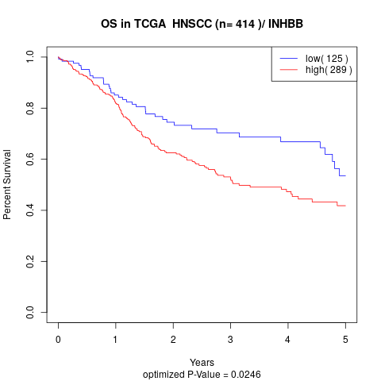

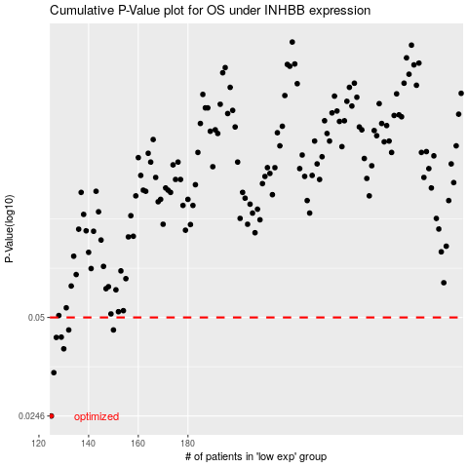

 |  |  |  |  |  | cases_OS | p_OS | rank | exp
 |  |  |  |  |  | 125 | 0.0246 | 123 | -0.50802983566
 |  |  |  |  |  | 126 | 0.0336 | 220 | -0.5069535534
 |  |  |  |  |  | 130 | 0.0399 | 138 | -0.4987868154
 |  |  |  |  |  | 127 | 0.0433 | 142 | -0.5029197903
 |  |  |  |  |  | 129 | 0.0434 | 318 | -0.4995190444
 |  |  |  |  |  | 132 | 0.0457 | 61 | -0.49413151204
 |  |  |  |  |  | 150 | 0.0457 | 133 | -0.45846040629
 |  |  |  |  |  |  | cases_RFS | p_RFS | rank | exp
 |  |  |  |  |  |  |  | 0.0246 | 295 | -0.50898446232
 |  |  |  |  |  |  | 125 | 0.0336 | 123 | -0.50802983566
 |  |  |  |  |  |  | 129 | 0.0399 | 318 | -0.4995190444
 |  |  |  |  |  |  | 126 | 0.0433 | 220 | -0.5069535534
 |  |  |  |  |  |  | 128 | 0.0434 | 47 | -0.50018802268
 |  |  |  |  |  |  | 131 | 0.0457 | 268 | -0.49636135465
 |  |  |  |  |  |  | 149 | 0.0457 | 360 | -0.45867999848

