INHBE _multivariate
Reported by Tex Li-Hsing Chi. tex@gate.sinica.edu.tw 2019-08-18

Table 2. The clinicopathological features of HNSCC cohort and INHBE expression. (Chi square test)
Cutoff at -0.25 (49.8%)
 |  | INHBE expression |  | INHBE expression |  | (Optimised)
 | Features | Low | (%) | High | (%) | Case no | P-value | Remark | Matthews
Gender | Female | 147 | 35.4 | 159 | 38.3 | 415 | 0.2523 | 0 | 0
2 | Male | 60 | 14.5 | 49 | 11.8
Age at diagnosis | <=65y | 138 | 33.3 | 136 | 32.8 | 415 | 0.8634 | 0 | 0
4 | >65y | 69 | 16.6 | 72 | 17.3
Clinical T Status | T1+T2 | 74 | 17.8 | 75 | 18.1 | 415 | 1 | 0 | 0
6 | T3+T4 | 133 | 32 | 133 | 32
Clinical N Status | N0 | 99 | 23.9 | 117 | 28.2 | 415 | 0.1054 | 0 | 0
8 | N1-3 | 108 | 26 | 91 | 21.9
Clinical M Status | M0 | 205 | 49.4 | 207 | 49.9 | 415 | 0.6232 | 0 | 0
10 | M1 | 2 | 0.5 | 1 | 0.2
Clinical Stage | Stage I+II | 48 | 11.6 | 54 | 13 | 415 | 0.5878 | 0 | 0
12 | Stage III+IV | 159 | 38.3 | 154 | 37.1
Surgical Margin status | Negative | 158 | 38.1 | 160 | 38.6 | 415 | 0.9081 | 0 | 0
14 | Positive | 49 | 11.8 | 48 | 11.6
Tobacco Exposure | Low | 92 | 22.2 | 69 | 16.6 | 415 | 0.0206 | 1 | 0
16 | High | 115 | 27.7 | 139 | 33.5

Table 3. Univariate/Multivariate Cox's proportional hazards regression analyses on OS time of INHBE gene expression in HNSCC

 |  | Univariate |  |  |  | Multivariate
 | Features | HR | CI95%(L) | CI95%(H) | P-value | HR | CI95%(L) | CI95%(H) | P-value
1 | Female | 1 |  |  |  | 1
Gender | Male | 1.157 | 0.843 | 1.587 | 0.367 | 1.203 | 0.862 | 1.68 | 0.277
11 | <=65y | 1 |  |  |  | 1
Age at diagnosis | >65y | 1.329 | 0.99 | 1.784 | 0.058 | 1.398 | 1.028 | 1.901 | 0.033
12 | T1+T2 | 1 |  |  |  | 1
Clinical T Status | T3+T4 | 1.409 | 1.028 | 1.931 | 0.033 | 2.21 | 1.169 | 4.18 | 0.015
13 | N0 | 1 |  |  |  | 1
Clinical N Status | N1-3 | 1.185 | 0.89 | 1.577 | 0.246 | 1.235 | 0.865 | 1.763 | 0.245
14 | M0 | 1 |  |  |  | 1
Clinical M Status | M1 | 4.097 | 1.009 | 16.644 | 0.049 | 9.408 | 2.052 | 43.129 | 0.004
15 | Stage I+II | 1 |  |  |  | 1
Clinical Stage | Stage III+IV | 1.245 | 0.882 | 1.759 | 0.213 | 0.504 | 0.235 | 1.082 | 0.079
16 | Negative | 1 |  |  |  | 1
Surgical Margin status | Positive | 1.591 | 1.155 | 2.191 | 0.004 | 1.666 | 1.206 | 2.303 | 0.002
17 | Low | 1 |  |  |  | 1
Tobacco Exposure | High | 1.364 | 1.008 | 1.844 | 0.044 | 1.473 | 1.065 | 2.039 | 0.019
18 | Low | 1 |  |  |  | 1
RNAseq(z-score) | High | 0.981 | 0.737 | 1.307 | 0.896 | 0.928 | 0.693 | 1.243 | 0.615

Table 4. Univariate/Multivariate Cox's proportional hazards regression analyses on RFS time of INHBE gene expression in HNSCC

 |  | Univariate |  |  |  | Multivariate
 | Features | HR | CI95%(L) | CI95%(H) | P-value | HR | CI95%(L) | CI95%(H) | P-value
1 | Female | 1 |  |  |  | 1
Gender | Male | 1.157 | 0.843 | 1.587 | 0.367 | 1.203 | 0.862 | 1.68 | 0.277
11 | <=65y | 1 |  |  |  | 1
Age at diagnosis | >65y | 1.329 | 0.99 | 1.784 | 0.058 | 1.398 | 1.028 | 1.901 | 0.033
12 | T1+T2 | 1 |  |  |  | 1
Clinical T Status | T3+T4 | 1.409 | 1.028 | 1.931 | 0.033 | 2.21 | 1.169 | 4.18 | 0.015
13 | N0 | 1 |  |  |  | 1
Clinical N Status | N1-3 | 1.185 | 0.89 | 1.577 | 0.246 | 1.235 | 0.865 | 1.763 | 0.245
14 | M0 | 1 |  |  |  | 1
Clinical M Status | M1 | 4.097 | 1.009 | 16.644 | 0.049 | 9.408 | 2.052 | 43.129 | 0.004
15 | Stage I+II | 1 |  |  |  | 1
Clinical Stage | Stage III+IV | 1.245 | 0.882 | 1.759 | 0.213 | 0.504 | 0.235 | 1.082 | 0.079
16 | Negative | 1 |  |  |  | 1
Surgical Margin status | Positive | 1.591 | 1.155 | 2.191 | 0.004 | 1.666 | 1.206 | 2.303 | 0.002
17 | Low | 1 |  |  |  | 1
Tobacco Exposure | High | 1.364 | 1.008 | 1.844 | 0.044 | 1.473 | 1.065 | 2.039 | 0.019
18 | Low | 1 |  |  |  | 1
RNAseq(z-score) | High | 0.981 | 0.737 | 1.307 | 0.896 | 0.928 | 0.693 | 1.243 | 0.615

Kaplan-Meier survival estimate: Cutoff at -0.25 (49.8%)



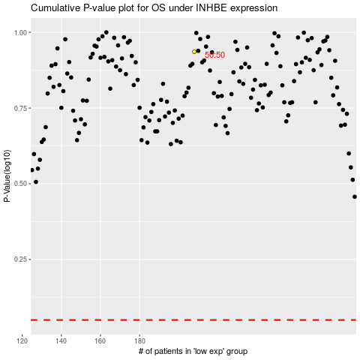

 |  |  |  |  |  | cases_OS | p_OS | rank | exp
 |  |  |  |  |  |  | cases_RFS | p_RFS | rank | exp

