INO80B _multivariate
Reported by Tex Li-Hsing Chi. tex@gate.sinica.edu.tw 2019-08-18

Table 2. The clinicopathological features of HNSCC cohort and INO80B expression. (Chi square test)
Cutoff at 0.152 (65.7%)
 |  | INO80B expression |  | INO80B expression |  | (Optimised)
 | Features | Low | (%) | High | (%) | Case no | P-value | Remark | Matthews
Gender | Female | 198 | 47.7 | 108 | 26 | 415 | 0.5109 | 0 | 0
2 | Male | 75 | 18.1 | 34 | 8.2
Age at diagnosis | <=65y | 182 | 43.9 | 92 | 22.2 | 415 | 0.7841 | 0 | 0
4 | >65y | 91 | 21.9 | 50 | 12
Clinical T Status | T1+T2 | 112 | 27 | 37 | 8.9 | 415 | 0.0036 | 1 | 0
6 | T3+T4 | 161 | 38.8 | 105 | 25.3
Clinical N Status | N0 | 138 | 33.3 | 78 | 18.8 | 415 | 0.457 | 0 | 0
8 | N1-3 | 135 | 32.5 | 64 | 15.4
Clinical M Status | M0 | 272 | 65.5 | 140 | 33.7 | 415 | 0.2706 | 0 | 0
10 | M1 | 1 | 0.2 | 2 | 0.5
Clinical Stage | Stage I+II | 75 | 18.1 | 27 | 6.5 | 415 | 0.0753 | 0 | 0
12 | Stage III+IV | 198 | 47.7 | 115 | 27.7
Surgical Margin status | Negative | 203 | 48.9 | 115 | 27.7 | 415 | 0.1434 | 0 | 0
14 | Positive | 70 | 16.9 | 27 | 6.5
Tobacco Exposure | Low | 105 | 25.3 | 56 | 13.5 | 415 | 0.9155 | 0 | 0
16 | High | 168 | 40.5 | 86 | 20.7

Table 3. Univariate/Multivariate Cox's proportional hazards regression analyses on OS time of INO80B gene expression in HNSCC

 |  | Univariate |  |  |  | Multivariate
 | Features | HR | CI95%(L) | CI95%(H) | P-value | HR | CI95%(L) | CI95%(H) | P-value
1 | Female | 1 |  |  |  | 1
Gender | Male | 1.157 | 0.843 | 1.587 | 0.367 | 1.2 | 0.86 | 1.674 | 0.284
11 | <=65y | 1 |  |  |  | 1
Age at diagnosis | >65y | 1.329 | 0.99 | 1.784 | 0.058 | 1.426 | 1.049 | 1.94 | 0.024
12 | T1+T2 | 1 |  |  |  | 1
Clinical T Status | T3+T4 | 1.409 | 1.028 | 1.931 | 0.033 | 2.451 | 1.292 | 4.648 | 0.006
13 | N0 | 1 |  |  |  | 1
Clinical N Status | N1-3 | 1.185 | 0.89 | 1.577 | 0.246 | 1.214 | 0.851 | 1.732 | 0.285
14 | M0 | 1 |  |  |  | 1
Clinical M Status | M1 | 4.097 | 1.009 | 16.644 | 0.049 | 11.577 | 2.508 | 53.431 | 0.002
15 | Stage I+II | 1 |  |  |  | 1
Clinical Stage | Stage III+IV | 1.245 | 0.882 | 1.759 | 0.213 | 0.503 | 0.234 | 1.081 | 0.078
16 | Negative | 1 |  |  |  | 1
Surgical Margin status | Positive | 1.591 | 1.155 | 2.191 | 0.004 | 1.623 | 1.174 | 2.243 | 0.003
17 | Low | 1 |  |  |  | 1
Tobacco Exposure | High | 1.364 | 1.008 | 1.844 | 0.044 | 1.438 | 1.044 | 1.981 | 0.026
18 | Low | 1 |  |  |  | 1
RNAseq(z-score) | High | 0.684 | 0.497 | 0.94 | 0.019 | 0.629 | 0.453 | 0.873 | 0.006

Table 4. Univariate/Multivariate Cox's proportional hazards regression analyses on RFS time of INO80B gene expression in HNSCC

 |  | Univariate |  |  |  | Multivariate
 | Features | HR | CI95%(L) | CI95%(H) | P-value | HR | CI95%(L) | CI95%(H) | P-value
1 | Female | 1 |  |  |  | 1
Gender | Male | 1.157 | 0.843 | 1.587 | 0.367 | 1.2 | 0.86 | 1.674 | 0.284
11 | <=65y | 1 |  |  |  | 1
Age at diagnosis | >65y | 1.329 | 0.99 | 1.784 | 0.058 | 1.426 | 1.049 | 1.94 | 0.024
12 | T1+T2 | 1 |  |  |  | 1
Clinical T Status | T3+T4 | 1.409 | 1.028 | 1.931 | 0.033 | 2.451 | 1.292 | 4.648 | 0.006
13 | N0 | 1 |  |  |  | 1
Clinical N Status | N1-3 | 1.185 | 0.89 | 1.577 | 0.246 | 1.214 | 0.851 | 1.732 | 0.285
14 | M0 | 1 |  |  |  | 1
Clinical M Status | M1 | 4.097 | 1.009 | 16.644 | 0.049 | 11.577 | 2.508 | 53.431 | 0.002
15 | Stage I+II | 1 |  |  |  | 1
Clinical Stage | Stage III+IV | 1.245 | 0.882 | 1.759 | 0.213 | 0.503 | 0.234 | 1.081 | 0.078
16 | Negative | 1 |  |  |  | 1
Surgical Margin status | Positive | 1.591 | 1.155 | 2.191 | 0.004 | 1.623 | 1.174 | 2.243 | 0.003
17 | Low | 1 |  |  |  | 1
Tobacco Exposure | High | 1.364 | 1.008 | 1.844 | 0.044 | 1.438 | 1.044 | 1.981 | 0.026
18 | Low | 1 |  |  |  | 1
RNAseq(z-score) | High | 0.684 | 0.497 | 0.94 | 0.019 | 0.629 | 0.453 | 0.873 | 0.006

Kaplan-Meier survival estimate: Cutoff at 0.152 (65.7%)

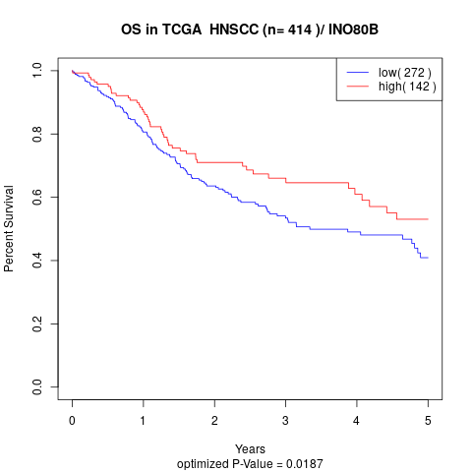

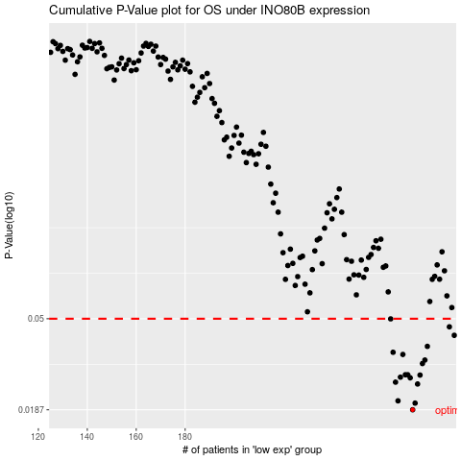

 |  |  |  |  |  | cases_OS | p_OS | rank | exp
 |  |  |  |  |  | 273 | 0.0187 | 98 | 0.15245559352
 |  |  |  |  |  | 274 | 0.0201 | 89 | 0.16065984643
 |  |  |  |  |  | 267 | 0.0206 | 71 | 0.1116397434
 |  |  |  |  |  | 275 | 0.0247 | 348 | 0.16136523963
 |  |  |  |  |  | 266 | 0.0252 | 87 | 0.10417703663
 |  |  |  |  |  | 272 | 0.0264 | 199 | 0.14802274981
 |  |  |  |  |  | 268 | 0.0266 | 301 | 0.13742706193
 |  |  |  |  |  | 276 | 0.0272 | 408 | 0.17000291702
 |  |  |  |  |  | 271 | 0.0273 | 228 | 0.14786581317
 |  |  |  |  |  | 270 | 0.0273 | 333 | 0.14608486994
 |  |  |  |  |  | 277 | 0.0308 | 94 | 0.17330433798
 |  |  |  |  |  | 278 | 0.032 | 96 | 0.17348838932
 |  |  |  |  |  | 269 | 0.034 | 4 | 0.14268895834
 |  |  |  |  |  | 265 | 0.0348 | 355 | 0.095333123137
 |  |  |  |  |  | 279 | 0.0371 | 175 | 0.19679594468
 |  |  |  |  |  | 290 | 0.0418 | 371 | 0.28444300151
 |  |  |  |  |  | 288 | 0.0458 | 14 | 0.25443482697
 |  |  |  |  |  | 264 | 0.0499 | 349 | 0.094608420977
 |  |  |  |  |  |  | cases_RFS | p_RFS | rank | exp
 |  |  |  |  |  |  | 272 | 0.0187 | 199 | 0.14802274981
 |  |  |  |  |  |  | 273 | 0.0201 | 98 | 0.15245559352
 |  |  |  |  |  |  | 266 | 0.0206 | 87 | 0.10417703663
 |  |  |  |  |  |  | 274 | 0.0247 | 89 | 0.16065984643
 |  |  |  |  |  |  | 265 | 0.0252 | 355 | 0.095333123137
 |  |  |  |  |  |  | 271 | 0.0264 | 228 | 0.14786581317
 |  |  |  |  |  |  | 267 | 0.0266 | 71 | 0.1116397434
 |  |  |  |  |  |  | 275 | 0.0272 | 348 | 0.16136523963
 |  |  |  |  |  |  | 269 | 0.0273 | 4 | 0.14268895834
 |  |  |  |  |  |  | 270 | 0.0273 | 333 | 0.14608486994
 |  |  |  |  |  |  | 276 | 0.0308 | 408 | 0.17000291702
 |  |  |  |  |  |  | 277 | 0.032 | 94 | 0.17330433798
 |  |  |  |  |  |  | 268 | 0.034 | 301 | 0.13742706193
 |  |  |  |  |  |  | 264 | 0.0348 | 349 | 0.094608420977
 |  |  |  |  |  |  | 278 | 0.0371 | 96 | 0.17348838932
 |  |  |  |  |  |  | 289 | 0.0418 | 97 | 0.26181577879
 |  |  |  |  |  |  | 287 | 0.0458 | 285 | 0.24944859674
 |  |  |  |  |  |  | 263 | 0.0499 | 38 | 0.092275323716

