INO80C _multivariate
Reported by Tex Li-Hsing Chi. tex@gate.sinica.edu.tw 2019-08-18

Table 2. The clinicopathological features of HNSCC cohort and INO80C expression. (Chi square test)
Cutoff at -0.227 (49.8%)
 |  | INO80C expression |  | INO80C expression |  | (Optimised)
 | Features | Low | (%) | High | (%) | Case no | P-value | Remark | Matthews
Gender | Female | 160 | 38.6 | 146 | 35.2 | 415 | 0.1254 | 0 | 0
2 | Male | 47 | 11.3 | 62 | 14.9
Age at diagnosis | <=65y | 137 | 33 | 137 | 33 | 415 | 1 | 0 | 0
4 | >65y | 70 | 16.9 | 71 | 17.1
Clinical T Status | T1+T2 | 83 | 20 | 66 | 15.9 | 415 | 0.0941 | 0 | 0
6 | T3+T4 | 124 | 29.9 | 142 | 34.2
Clinical N Status | N0 | 103 | 24.8 | 113 | 27.2 | 415 | 0.4047 | 0 | 0
8 | N1-3 | 104 | 25.1 | 95 | 22.9
Clinical M Status | M0 | 205 | 49.4 | 207 | 49.9 | 415 | 0.6232 | 0 | 0
10 | M1 | 2 | 0.5 | 1 | 0.2
Clinical Stage | Stage I+II | 53 | 12.8 | 49 | 11.8 | 415 | 0.7113 | 0 | 0
12 | Stage III+IV | 154 | 37.1 | 159 | 38.3
Surgical Margin status | Negative | 163 | 39.3 | 155 | 37.3 | 415 | 0.3537 | 0 | 0
14 | Positive | 44 | 10.6 | 53 | 12.8
Tobacco Exposure | Low | 84 | 20.2 | 77 | 18.6 | 415 | 0.4816 | 0 | 0
16 | High | 123 | 29.6 | 131 | 31.6

Table 3. Univariate/Multivariate Cox's proportional hazards regression analyses on OS time of INO80C gene expression in HNSCC

 |  | Univariate |  |  |  | Multivariate
 | Features | HR | CI95%(L) | CI95%(H) | P-value | HR | CI95%(L) | CI95%(H) | P-value
1 | Female | 1 |  |  |  | 1
Gender | Male | 1.157 | 0.843 | 1.587 | 0.367 | 1.197 | 0.855 | 1.676 | 0.295
11 | <=65y | 1 |  |  |  | 1
Age at diagnosis | >65y | 1.329 | 0.99 | 1.784 | 0.058 | 1.395 | 1.025 | 1.899 | 0.034
12 | T1+T2 | 1 |  |  |  | 1
Clinical T Status | T3+T4 | 1.409 | 1.028 | 1.931 | 0.033 | 2.194 | 1.159 | 4.153 | 0.016
13 | N0 | 1 |  |  |  | 1
Clinical N Status | N1-3 | 1.185 | 0.89 | 1.577 | 0.246 | 1.242 | 0.871 | 1.773 | 0.232
14 | M0 | 1 |  |  |  | 1
Clinical M Status | M1 | 4.097 | 1.009 | 16.644 | 0.049 | 9.397 | 2.05 | 43.079 | 0.004
15 | Stage I+II | 1 |  |  |  | 1
Clinical Stage | Stage III+IV | 1.245 | 0.882 | 1.759 | 0.213 | 0.505 | 0.235 | 1.085 | 0.08
16 | Negative | 1 |  |  |  | 1
Surgical Margin status | Positive | 1.591 | 1.155 | 2.191 | 0.004 | 1.667 | 1.205 | 2.306 | 0.002
17 | Low | 1 |  |  |  | 1
Tobacco Exposure | High | 1.364 | 1.008 | 1.844 | 0.044 | 1.448 | 1.049 | 1.999 | 0.024
18 | Low | 1 |  |  |  | 1
RNAseq(z-score) | High | 1.134 | 0.85 | 1.514 | 0.393 | 1.031 | 0.768 | 1.385 | 0.839

Table 4. Univariate/Multivariate Cox's proportional hazards regression analyses on RFS time of INO80C gene expression in HNSCC

 |  | Univariate |  |  |  | Multivariate
 | Features | HR | CI95%(L) | CI95%(H) | P-value | HR | CI95%(L) | CI95%(H) | P-value
1 | Female | 1 |  |  |  | 1
Gender | Male | 1.157 | 0.843 | 1.587 | 0.367 | 1.197 | 0.855 | 1.676 | 0.295
11 | <=65y | 1 |  |  |  | 1
Age at diagnosis | >65y | 1.329 | 0.99 | 1.784 | 0.058 | 1.395 | 1.025 | 1.899 | 0.034
12 | T1+T2 | 1 |  |  |  | 1
Clinical T Status | T3+T4 | 1.409 | 1.028 | 1.931 | 0.033 | 2.194 | 1.159 | 4.153 | 0.016
13 | N0 | 1 |  |  |  | 1
Clinical N Status | N1-3 | 1.185 | 0.89 | 1.577 | 0.246 | 1.242 | 0.871 | 1.773 | 0.232
14 | M0 | 1 |  |  |  | 1
Clinical M Status | M1 | 4.097 | 1.009 | 16.644 | 0.049 | 9.397 | 2.05 | 43.079 | 0.004
15 | Stage I+II | 1 |  |  |  | 1
Clinical Stage | Stage III+IV | 1.245 | 0.882 | 1.759 | 0.213 | 0.505 | 0.235 | 1.085 | 0.08
16 | Negative | 1 |  |  |  | 1
Surgical Margin status | Positive | 1.591 | 1.155 | 2.191 | 0.004 | 1.667 | 1.205 | 2.306 | 0.002
17 | Low | 1 |  |  |  | 1
Tobacco Exposure | High | 1.364 | 1.008 | 1.844 | 0.044 | 1.448 | 1.049 | 1.999 | 0.024
18 | Low | 1 |  |  |  | 1
RNAseq(z-score) | High | 1.134 | 0.85 | 1.514 | 0.393 | 1.031 | 0.768 | 1.385 | 0.839

Kaplan-Meier survival estimate: Cutoff at -0.227 (49.8%)



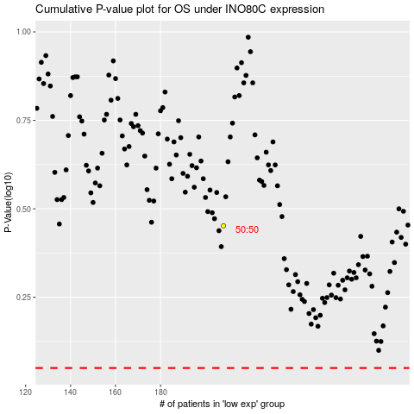

 |  |  |  |  |  | cases_OS | p_OS | rank | exp
 |  |  |  |  |  |  | cases_RFS | p_RFS | rank | exp

