INO80E _multivariate
Reported by Tex Li-Hsing Chi. tex@gate.sinica.edu.tw 2019-08-18

Table 2. The clinicopathological features of HNSCC cohort and INO80E expression. (Chi square test)
Cutoff at -0.202 (49.8%)
 |  | INO80E expression |  | INO80E expression |  | (Optimised)
 | Features | Low | (%) | High | (%) | Case no | P-value | Remark | Matthews
Gender | Female | 142 | 34.2 | 164 | 39.5 | 415 | 0.0238 | 1 | 0
2 | Male | 65 | 15.7 | 44 | 10.6
Age at diagnosis | <=65y | 131 | 31.6 | 143 | 34.5 | 415 | 0.2839 | 0 | 0
4 | >65y | 76 | 18.3 | 65 | 15.7
Clinical T Status | T1+T2 | 73 | 17.6 | 76 | 18.3 | 415 | 0.8666 | 0 | 0
6 | T3+T4 | 134 | 32.3 | 132 | 31.8
Clinical N Status | N0 | 107 | 25.8 | 109 | 26.3 | 415 | 0.9624 | 0 | 0
8 | N1-3 | 100 | 24.1 | 99 | 23.9
Clinical M Status | M0 | 207 | 49.9 | 205 | 49.4 | 415 | 0.2482 | 0 | 0
10 | M1 | 0 | 0 | 3 | 0.7
Clinical Stage | Stage I+II | 50 | 12 | 52 | 12.5 | 415 | 0.9315 | 0 | 0
12 | Stage III+IV | 157 | 37.8 | 156 | 37.6
Surgical Margin status | Negative | 165 | 39.8 | 153 | 36.9 | 415 | 0.1639 | 0 | 0
14 | Positive | 42 | 10.1 | 55 | 13.3
Tobacco Exposure | Low | 87 | 21 | 74 | 17.8 | 415 | 0.1911 | 0 | 0
16 | High | 120 | 28.9 | 134 | 32.3

Table 3. Univariate/Multivariate Cox's proportional hazards regression analyses on OS time of INO80E gene expression in HNSCC

 |  | Univariate |  |  |  | Multivariate
 | Features | HR | CI95%(L) | CI95%(H) | P-value | HR | CI95%(L) | CI95%(H) | P-value
1 | Female | 1 |  |  |  | 1
Gender | Male | 1.157 | 0.843 | 1.587 | 0.367 | 1.201 | 0.859 | 1.678 | 0.284
11 | <=65y | 1 |  |  |  | 1
Age at diagnosis | >65y | 1.329 | 0.99 | 1.784 | 0.058 | 1.392 | 1.024 | 1.893 | 0.035
12 | T1+T2 | 1 |  |  |  | 1
Clinical T Status | T3+T4 | 1.409 | 1.028 | 1.931 | 0.033 | 2.204 | 1.166 | 4.169 | 0.015
13 | N0 | 1 |  |  |  | 1
Clinical N Status | N1-3 | 1.185 | 0.89 | 1.577 | 0.246 | 1.241 | 0.87 | 1.772 | 0.233
14 | M0 | 1 |  |  |  | 1
Clinical M Status | M1 | 4.097 | 1.009 | 16.644 | 0.049 | 9.499 | 2.054 | 43.926 | 0.004
15 | Stage I+II | 1 |  |  |  | 1
Clinical Stage | Stage III+IV | 1.245 | 0.882 | 1.759 | 0.213 | 0.504 | 0.234 | 1.082 | 0.079
16 | Negative | 1 |  |  |  | 1
Surgical Margin status | Positive | 1.591 | 1.155 | 2.191 | 0.004 | 1.676 | 1.209 | 2.323 | 0.002
17 | Low | 1 |  |  |  | 1
Tobacco Exposure | High | 1.364 | 1.008 | 1.844 | 0.044 | 1.455 | 1.055 | 2.007 | 0.022
18 | Low | 1 |  |  |  | 1
RNAseq(z-score) | High | 1.071 | 0.804 | 1.427 | 0.64 | 0.983 | 0.733 | 1.317 | 0.907

Table 4. Univariate/Multivariate Cox's proportional hazards regression analyses on RFS time of INO80E gene expression in HNSCC

 |  | Univariate |  |  |  | Multivariate
 | Features | HR | CI95%(L) | CI95%(H) | P-value | HR | CI95%(L) | CI95%(H) | P-value
1 | Female | 1 |  |  |  | 1
Gender | Male | 1.157 | 0.843 | 1.587 | 0.367 | 1.201 | 0.859 | 1.678 | 0.284
11 | <=65y | 1 |  |  |  | 1
Age at diagnosis | >65y | 1.329 | 0.99 | 1.784 | 0.058 | 1.392 | 1.024 | 1.893 | 0.035
12 | T1+T2 | 1 |  |  |  | 1
Clinical T Status | T3+T4 | 1.409 | 1.028 | 1.931 | 0.033 | 2.204 | 1.166 | 4.169 | 0.015
13 | N0 | 1 |  |  |  | 1
Clinical N Status | N1-3 | 1.185 | 0.89 | 1.577 | 0.246 | 1.241 | 0.87 | 1.772 | 0.233
14 | M0 | 1 |  |  |  | 1
Clinical M Status | M1 | 4.097 | 1.009 | 16.644 | 0.049 | 9.499 | 2.054 | 43.926 | 0.004
15 | Stage I+II | 1 |  |  |  | 1
Clinical Stage | Stage III+IV | 1.245 | 0.882 | 1.759 | 0.213 | 0.504 | 0.234 | 1.082 | 0.079
16 | Negative | 1 |  |  |  | 1
Surgical Margin status | Positive | 1.591 | 1.155 | 2.191 | 0.004 | 1.676 | 1.209 | 2.323 | 0.002
17 | Low | 1 |  |  |  | 1
Tobacco Exposure | High | 1.364 | 1.008 | 1.844 | 0.044 | 1.455 | 1.055 | 2.007 | 0.022
18 | Low | 1 |  |  |  | 1
RNAseq(z-score) | High | 1.071 | 0.804 | 1.427 | 0.64 | 0.983 | 0.733 | 1.317 | 0.907

Kaplan-Meier survival estimate: Cutoff at -0.202 (49.8%)



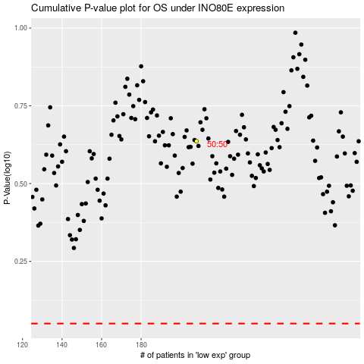

 |  |  |  |  |  | cases_OS | p_OS | rank | exp
 |  |  |  |  |  |  | cases_RFS | p_RFS | rank | exp

