INPP1 _multivariate
Reported by Tex Li-Hsing Chi. tex@gate.sinica.edu.tw 2019-08-18

Table 2. The clinicopathological features of HNSCC cohort and INPP1 expression. (Chi square test)
Cutoff at -0.523 (38.4%)
 |  | INPP1 expression |  | INPP1 expression |  | (Optimised)
 | Features | Low | (%) | High | (%) | Case no | P-value | Remark | Matthews
Gender | Female | 122 | 29.4 | 184 | 44.3 | 415 | 0.3282 | 0 | 0
2 | Male | 37 | 8.9 | 72 | 17.3
Age at diagnosis | <=65y | 109 | 26.3 | 165 | 39.8 | 415 | 0.4528 | 0 | 0
4 | >65y | 50 | 12 | 91 | 21.9
Clinical T Status | T1+T2 | 50 | 12 | 99 | 23.9 | 415 | 0.1656 | 0 | 0
6 | T3+T4 | 109 | 26.3 | 157 | 37.8
Clinical N Status | N0 | 72 | 17.3 | 144 | 34.7 | 415 | 0.0382 | 1 | 0
8 | N1-3 | 87 | 21 | 112 | 27
Clinical M Status | M0 | 159 | 38.3 | 253 | 61 | 415 | 0.2893 | 0 | 0
10 | M1 | 0 | 0 | 3 | 0.7
Clinical Stage | Stage I+II | 34 | 8.2 | 68 | 16.4 | 415 | 0.2828 | 0 | 0
12 | Stage III+IV | 125 | 30.1 | 188 | 45.3
Surgical Margin status | Negative | 121 | 29.2 | 197 | 47.5 | 415 | 0.9051 | 0 | 0
14 | Positive | 38 | 9.2 | 59 | 14.2
Tobacco Exposure | Low | 49 | 11.8 | 112 | 27 | 415 | 0.0096 | 1 | 0
16 | High | 110 | 26.5 | 144 | 34.7

Table 3. Univariate/Multivariate Cox's proportional hazards regression analyses on OS time of INPP1 gene expression in HNSCC

 |  | Univariate |  |  |  | Multivariate
 | Features | HR | CI95%(L) | CI95%(H) | P-value | HR | CI95%(L) | CI95%(H) | P-value
1 | Female | 1 |  |  |  | 1
Gender | Male | 1.157 | 0.843 | 1.587 | 0.367 | 1.215 | 0.868 | 1.702 | 0.256
11 | <=65y | 1 |  |  |  | 1
Age at diagnosis | >65y | 1.329 | 0.99 | 1.784 | 0.058 | 1.4 | 1.03 | 1.903 | 0.032
12 | T1+T2 | 1 |  |  |  | 1
Clinical T Status | T3+T4 | 1.409 | 1.028 | 1.931 | 0.033 | 2.135 | 1.128 | 4.039 | 0.02
13 | N0 | 1 |  |  |  | 1
Clinical N Status | N1-3 | 1.185 | 0.89 | 1.577 | 0.246 | 1.216 | 0.85 | 1.739 | 0.284
14 | M0 | 1 |  |  |  | 1
Clinical M Status | M1 | 4.097 | 1.009 | 16.644 | 0.049 | 10.406 | 2.261 | 47.898 | 0.003
15 | Stage I+II | 1 |  |  |  | 1
Clinical Stage | Stage III+IV | 1.245 | 0.882 | 1.759 | 0.213 | 0.514 | 0.239 | 1.103 | 0.088
16 | Negative | 1 |  |  |  | 1
Surgical Margin status | Positive | 1.591 | 1.155 | 2.191 | 0.004 | 1.69 | 1.223 | 2.335 | 0.001
17 | Low | 1 |  |  |  | 1
Tobacco Exposure | High | 1.364 | 1.008 | 1.844 | 0.044 | 1.412 | 1.023 | 1.948 | 0.036
18 | Low | 1 |  |  |  | 1
RNAseq(z-score) | High | 0.743 | 0.555 | 0.994 | 0.045 | 0.757 | 0.562 | 1.018 | 0.065

Table 4. Univariate/Multivariate Cox's proportional hazards regression analyses on RFS time of INPP1 gene expression in HNSCC

 |  | Univariate |  |  |  | Multivariate
 | Features | HR | CI95%(L) | CI95%(H) | P-value | HR | CI95%(L) | CI95%(H) | P-value
1 | Female | 1 |  |  |  | 1
Gender | Male | 1.157 | 0.843 | 1.587 | 0.367 | 1.215 | 0.868 | 1.702 | 0.256
11 | <=65y | 1 |  |  |  | 1
Age at diagnosis | >65y | 1.329 | 0.99 | 1.784 | 0.058 | 1.4 | 1.03 | 1.903 | 0.032
12 | T1+T2 | 1 |  |  |  | 1
Clinical T Status | T3+T4 | 1.409 | 1.028 | 1.931 | 0.033 | 2.135 | 1.128 | 4.039 | 0.02
13 | N0 | 1 |  |  |  | 1
Clinical N Status | N1-3 | 1.185 | 0.89 | 1.577 | 0.246 | 1.216 | 0.85 | 1.739 | 0.284
14 | M0 | 1 |  |  |  | 1
Clinical M Status | M1 | 4.097 | 1.009 | 16.644 | 0.049 | 10.406 | 2.261 | 47.898 | 0.003
15 | Stage I+II | 1 |  |  |  | 1
Clinical Stage | Stage III+IV | 1.245 | 0.882 | 1.759 | 0.213 | 0.514 | 0.239 | 1.103 | 0.088
16 | Negative | 1 |  |  |  | 1
Surgical Margin status | Positive | 1.591 | 1.155 | 2.191 | 0.004 | 1.69 | 1.223 | 2.335 | 0.001
17 | Low | 1 |  |  |  | 1
Tobacco Exposure | High | 1.364 | 1.008 | 1.844 | 0.044 | 1.412 | 1.023 | 1.948 | 0.036
18 | Low | 1 |  |  |  | 1
RNAseq(z-score) | High | 0.743 | 0.555 | 0.994 | 0.045 | 0.757 | 0.562 | 1.018 | 0.065

Kaplan-Meier survival estimate: Cutoff at -0.523 (38.4%)



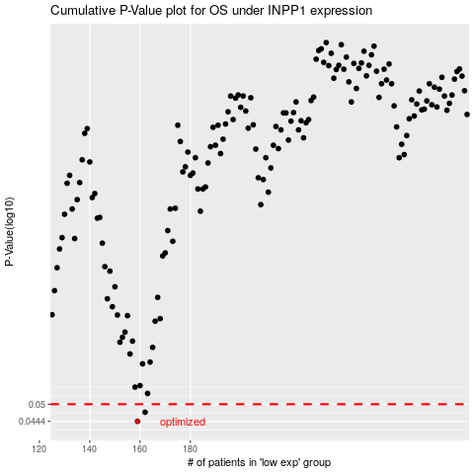

 |  |  |  |  |  | cases_OS | p_OS | rank | exp
 |  |  |  |  |  | 159 | 0.0444 | 105 | -0.52309456723
 |  |  |  |  |  | 162 | 0.0473 | 367 | -0.51511901355
 |  |  |  |  |  |  | cases_RFS | p_RFS | rank | exp
 |  |  |  |  |  |  | 158 | 0.0444 | 185 | -0.52311013434
 |  |  |  |  |  |  | 161 | 0.0473 | 413 | -0.51760882113

