INPP4A _multivariate
Reported by Tex Li-Hsing Chi. tex@gate.sinica.edu.tw 2019-08-18

Table 2. The clinicopathological features of HNSCC cohort and INPP4A expression. (Chi square test)
Cutoff at -0.146 (49.8%)
 |  | INPP4A expression |  | INPP4A expression |  | (Optimised)
 | Features | Low | (%) | High | (%) | Case no | P-value | Remark | Matthews
Gender | Female | 160 | 38.6 | 146 | 35.2 | 415 | 0.1254 | 0 | 0
2 | Male | 47 | 11.3 | 62 | 14.9
Age at diagnosis | <=65y | 147 | 35.4 | 127 | 30.6 | 415 | 0.0416 | 1 | 0
4 | >65y | 60 | 14.5 | 81 | 19.5
Clinical T Status | T1+T2 | 81 | 19.5 | 68 | 16.4 | 415 | 0.206 | 0 | 0
6 | T3+T4 | 126 | 30.4 | 140 | 33.7
Clinical N Status | N0 | 106 | 25.5 | 110 | 26.5 | 415 | 0.8075 | 0 | 0
8 | N1-3 | 101 | 24.3 | 98 | 23.6
Clinical M Status | M0 | 205 | 49.4 | 207 | 49.9 | 415 | 0.6232 | 0 | 0
10 | M1 | 2 | 0.5 | 1 | 0.2
Clinical Stage | Stage I+II | 54 | 13 | 48 | 11.6 | 415 | 0.5498 | 0 | 0
12 | Stage III+IV | 153 | 36.9 | 160 | 38.6
Surgical Margin status | Negative | 158 | 38.1 | 160 | 38.6 | 415 | 0.9081 | 0 | 0
14 | Positive | 49 | 11.8 | 48 | 11.6
Tobacco Exposure | Low | 80 | 19.3 | 81 | 19.5 | 415 | 1 | 0 | 0
16 | High | 127 | 30.6 | 127 | 30.6

Table 3. Univariate/Multivariate Cox's proportional hazards regression analyses on OS time of INPP4A gene expression in HNSCC

 |  | Univariate |  |  |  | Multivariate
 | Features | HR | CI95%(L) | CI95%(H) | P-value | HR | CI95%(L) | CI95%(H) | P-value
1 | Female | 1 |  |  |  | 1
Gender | Male | 1.157 | 0.843 | 1.587 | 0.367 | 1.199 | 0.858 | 1.675 | 0.288
11 | <=65y | 1 |  |  |  | 1
Age at diagnosis | >65y | 1.329 | 0.99 | 1.784 | 0.058 | 1.381 | 1.015 | 1.881 | 0.04
12 | T1+T2 | 1 |  |  |  | 1
Clinical T Status | T3+T4 | 1.409 | 1.028 | 1.931 | 0.033 | 2.194 | 1.16 | 4.149 | 0.016
13 | N0 | 1 |  |  |  | 1
Clinical N Status | N1-3 | 1.185 | 0.89 | 1.577 | 0.246 | 1.241 | 0.87 | 1.771 | 0.233
14 | M0 | 1 |  |  |  | 1
Clinical M Status | M1 | 4.097 | 1.009 | 16.644 | 0.049 | 9.591 | 2.089 | 44.039 | 0.004
15 | Stage I+II | 1 |  |  |  | 1
Clinical Stage | Stage III+IV | 1.245 | 0.882 | 1.759 | 0.213 | 0.505 | 0.235 | 1.083 | 0.079
16 | Negative | 1 |  |  |  | 1
Surgical Margin status | Positive | 1.591 | 1.155 | 2.191 | 0.004 | 1.676 | 1.212 | 2.316 | 0.002
17 | Low | 1 |  |  |  | 1
Tobacco Exposure | High | 1.364 | 1.008 | 1.844 | 0.044 | 1.458 | 1.058 | 2.009 | 0.021
18 | Low | 1 |  |  |  | 1
RNAseq(z-score) | High | 1.081 | 0.811 | 1.441 | 0.595 | 1.081 | 0.808 | 1.447 | 0.6

Table 4. Univariate/Multivariate Cox's proportional hazards regression analyses on RFS time of INPP4A gene expression in HNSCC

 |  | Univariate |  |  |  | Multivariate
 | Features | HR | CI95%(L) | CI95%(H) | P-value | HR | CI95%(L) | CI95%(H) | P-value
1 | Female | 1 |  |  |  | 1
Gender | Male | 1.157 | 0.843 | 1.587 | 0.367 | 1.199 | 0.858 | 1.675 | 0.288
11 | <=65y | 1 |  |  |  | 1
Age at diagnosis | >65y | 1.329 | 0.99 | 1.784 | 0.058 | 1.381 | 1.015 | 1.881 | 0.04
12 | T1+T2 | 1 |  |  |  | 1
Clinical T Status | T3+T4 | 1.409 | 1.028 | 1.931 | 0.033 | 2.194 | 1.16 | 4.149 | 0.016
13 | N0 | 1 |  |  |  | 1
Clinical N Status | N1-3 | 1.185 | 0.89 | 1.577 | 0.246 | 1.241 | 0.87 | 1.771 | 0.233
14 | M0 | 1 |  |  |  | 1
Clinical M Status | M1 | 4.097 | 1.009 | 16.644 | 0.049 | 9.591 | 2.089 | 44.039 | 0.004
15 | Stage I+II | 1 |  |  |  | 1
Clinical Stage | Stage III+IV | 1.245 | 0.882 | 1.759 | 0.213 | 0.505 | 0.235 | 1.083 | 0.079
16 | Negative | 1 |  |  |  | 1
Surgical Margin status | Positive | 1.591 | 1.155 | 2.191 | 0.004 | 1.676 | 1.212 | 2.316 | 0.002
17 | Low | 1 |  |  |  | 1
Tobacco Exposure | High | 1.364 | 1.008 | 1.844 | 0.044 | 1.458 | 1.058 | 2.009 | 0.021
18 | Low | 1 |  |  |  | 1
RNAseq(z-score) | High | 1.081 | 0.811 | 1.441 | 0.595 | 1.081 | 0.808 | 1.447 | 0.6

Kaplan-Meier survival estimate: Cutoff at -0.146 (49.8%)



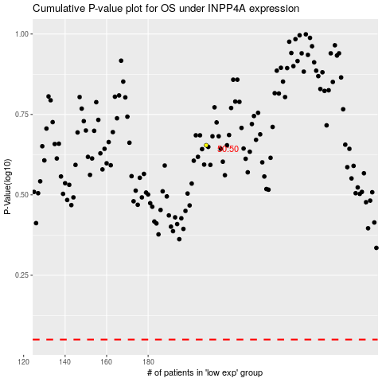

 |  |  |  |  |  | cases_OS | p_OS | rank | exp
 |  |  |  |  |  |  | cases_RFS | p_RFS | rank | exp

