INPP4B _multivariate
Reported by Tex Li-Hsing Chi. tex@gate.sinica.edu.tw 2019-08-18

Table 2. The clinicopathological features of HNSCC cohort and INPP4B expression. (Chi square test)
Cutoff at -0.2 (47.3%)
 |  | INPP4B expression |  | INPP4B expression |  | (Optimised)
 | Features | Low | (%) | High | (%) | Case no | P-value | Remark | Matthews
Gender | Female | 151 | 36.4 | 155 | 37.3 | 415 | 0.1815 | 0 | 0
2 | Male | 45 | 10.8 | 64 | 15.4
Age at diagnosis | <=65y | 137 | 33 | 137 | 33 | 415 | 0.1409 | 0 | 0
4 | >65y | 59 | 14.2 | 82 | 19.8
Clinical T Status | T1+T2 | 72 | 17.3 | 77 | 18.6 | 415 | 0.817 | 0 | 0
6 | T3+T4 | 124 | 29.9 | 142 | 34.2
Clinical N Status | N0 | 106 | 25.5 | 110 | 26.5 | 415 | 0.4927 | 0 | 0
8 | N1-3 | 90 | 21.7 | 109 | 26.3
Clinical M Status | M0 | 195 | 47 | 217 | 52.3 | 415 | 1 | 0 | 0
10 | M1 | 1 | 0.2 | 2 | 0.5
Clinical Stage | Stage I+II | 43 | 10.4 | 59 | 14.2 | 415 | 0.2858 | 0 | 0
12 | Stage III+IV | 153 | 36.9 | 160 | 38.6
Surgical Margin status | Negative | 149 | 35.9 | 169 | 40.7 | 415 | 0.8168 | 0 | 0
14 | Positive | 47 | 11.3 | 50 | 12
Tobacco Exposure | Low | 72 | 17.3 | 89 | 21.4 | 415 | 0.4217 | 0 | 0
16 | High | 124 | 29.9 | 130 | 31.3

Table 3. Univariate/Multivariate Cox's proportional hazards regression analyses on OS time of INPP4B gene expression in HNSCC

 |  | Univariate |  |  |  | Multivariate
 | Features | HR | CI95%(L) | CI95%(H) | P-value | HR | CI95%(L) | CI95%(H) | P-value
1 | Female | 1 |  |  |  | 1
Gender | Male | 1.157 | 0.843 | 1.587 | 0.367 | 1.173 | 0.839 | 1.639 | 0.351
11 | <=65y | 1 |  |  |  | 1
Age at diagnosis | >65y | 1.329 | 0.99 | 1.784 | 0.058 | 1.365 | 1.004 | 1.856 | 0.047
12 | T1+T2 | 1 |  |  |  | 1
Clinical T Status | T3+T4 | 1.409 | 1.028 | 1.931 | 0.033 | 2.087 | 1.101 | 3.957 | 0.024
13 | N0 | 1 |  |  |  | 1
Clinical N Status | N1-3 | 1.185 | 0.89 | 1.577 | 0.246 | 1.221 | 0.856 | 1.743 | 0.27
14 | M0 | 1 |  |  |  | 1
Clinical M Status | M1 | 4.097 | 1.009 | 16.644 | 0.049 | 8.739 | 1.902 | 40.139 | 0.005
15 | Stage I+II | 1 |  |  |  | 1
Clinical Stage | Stage III+IV | 1.245 | 0.882 | 1.759 | 0.213 | 0.556 | 0.257 | 1.204 | 0.137
16 | Negative | 1 |  |  |  | 1
Surgical Margin status | Positive | 1.591 | 1.155 | 2.191 | 0.004 | 1.645 | 1.191 | 2.273 | 0.003
17 | Low | 1 |  |  |  | 1
Tobacco Exposure | High | 1.364 | 1.008 | 1.844 | 0.044 | 1.462 | 1.062 | 2.013 | 0.02
18 | Low | 1 |  |  |  | 1
RNAseq(z-score) | High | 1.343 | 1.005 | 1.795 | 0.046 | 1.29 | 0.957 | 1.738 | 0.095

Table 4. Univariate/Multivariate Cox's proportional hazards regression analyses on RFS time of INPP4B gene expression in HNSCC

 |  | Univariate |  |  |  | Multivariate
 | Features | HR | CI95%(L) | CI95%(H) | P-value | HR | CI95%(L) | CI95%(H) | P-value
1 | Female | 1 |  |  |  | 1
Gender | Male | 1.157 | 0.843 | 1.587 | 0.367 | 1.173 | 0.839 | 1.639 | 0.351
11 | <=65y | 1 |  |  |  | 1
Age at diagnosis | >65y | 1.329 | 0.99 | 1.784 | 0.058 | 1.365 | 1.004 | 1.856 | 0.047
12 | T1+T2 | 1 |  |  |  | 1
Clinical T Status | T3+T4 | 1.409 | 1.028 | 1.931 | 0.033 | 2.087 | 1.101 | 3.957 | 0.024
13 | N0 | 1 |  |  |  | 1
Clinical N Status | N1-3 | 1.185 | 0.89 | 1.577 | 0.246 | 1.221 | 0.856 | 1.743 | 0.27
14 | M0 | 1 |  |  |  | 1
Clinical M Status | M1 | 4.097 | 1.009 | 16.644 | 0.049 | 8.739 | 1.902 | 40.139 | 0.005
15 | Stage I+II | 1 |  |  |  | 1
Clinical Stage | Stage III+IV | 1.245 | 0.882 | 1.759 | 0.213 | 0.556 | 0.257 | 1.204 | 0.137
16 | Negative | 1 |  |  |  | 1
Surgical Margin status | Positive | 1.591 | 1.155 | 2.191 | 0.004 | 1.645 | 1.191 | 2.273 | 0.003
17 | Low | 1 |  |  |  | 1
Tobacco Exposure | High | 1.364 | 1.008 | 1.844 | 0.044 | 1.462 | 1.062 | 2.013 | 0.02
18 | Low | 1 |  |  |  | 1
RNAseq(z-score) | High | 1.343 | 1.005 | 1.795 | 0.046 | 1.29 | 0.957 | 1.738 | 0.095

Kaplan-Meier survival estimate: Cutoff at -0.2 (47.3%)



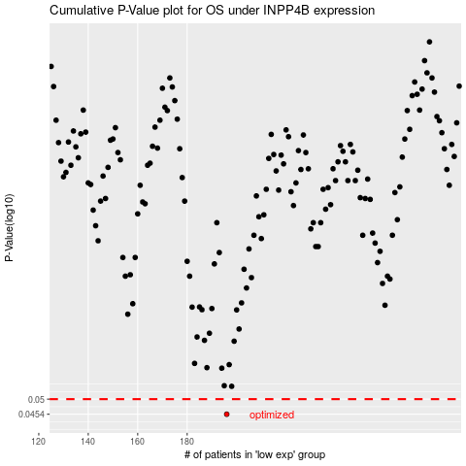

 |  |  |  |  |  | cases_OS | p_OS | rank | exp
 |  |  |  |  |  | 196 | 0.0454 | 21 | -0.19977289439
 |  |  |  |  |  |  | cases_RFS | p_RFS | rank | exp
 |  |  |  |  |  |  | 195 | 0.0454 | 168 | -0.21277886908

