INPP5E _multivariate
Reported by Tex Li-Hsing Chi. tex@gate.sinica.edu.tw 2019-08-18

Table 2. The clinicopathological features of HNSCC cohort and INPP5E expression. (Chi square test)
Cutoff at -0.183 (49.8%)
 |  | INPP5E expression |  | INPP5E expression |  | (Optimised)
 | Features | Low | (%) | High | (%) | Case no | P-value | Remark | Matthews
Gender | Female | 153 | 36.9 | 153 | 36.9 | 415 | 1 | 0 | 0
2 | Male | 54 | 13 | 55 | 13.3
Age at diagnosis | <=65y | 133 | 32 | 141 | 34 | 415 | 0.5111 | 0 | 0
4 | >65y | 74 | 17.8 | 67 | 16.1
Clinical T Status | T1+T2 | 74 | 17.8 | 75 | 18.1 | 415 | 1 | 0 | 0
6 | T3+T4 | 133 | 32 | 133 | 32
Clinical N Status | N0 | 107 | 25.8 | 109 | 26.3 | 415 | 0.9624 | 0 | 0
8 | N1-3 | 100 | 24.1 | 99 | 23.9
Clinical M Status | M0 | 206 | 49.6 | 206 | 49.6 | 415 | 1 | 0 | 0
10 | M1 | 1 | 0.2 | 2 | 0.5
Clinical Stage | Stage I+II | 51 | 12.3 | 51 | 12.3 | 415 | 1 | 0 | 0
12 | Stage III+IV | 156 | 37.6 | 157 | 37.8
Surgical Margin status | Negative | 163 | 39.3 | 155 | 37.3 | 415 | 0.3537 | 0 | 0
14 | Positive | 44 | 10.6 | 53 | 12.8
Tobacco Exposure | Low | 86 | 20.7 | 75 | 18.1 | 415 | 0.2687 | 0 | 0
16 | High | 121 | 29.2 | 133 | 32

Table 3. Univariate/Multivariate Cox's proportional hazards regression analyses on OS time of INPP5E gene expression in HNSCC

 |  | Univariate |  |  |  | Multivariate
 | Features | HR | CI95%(L) | CI95%(H) | P-value | HR | CI95%(L) | CI95%(H) | P-value
1 | Female | 1 |  |  |  | 1
Gender | Male | 1.157 | 0.843 | 1.587 | 0.367 | 1.197 | 0.857 | 1.673 | 0.291
11 | <=65y | 1 |  |  |  | 1
Age at diagnosis | >65y | 1.329 | 0.99 | 1.784 | 0.058 | 1.396 | 1.027 | 1.897 | 0.033
12 | T1+T2 | 1 |  |  |  | 1
Clinical T Status | T3+T4 | 1.409 | 1.028 | 1.931 | 0.033 | 2.209 | 1.168 | 4.175 | 0.015
13 | N0 | 1 |  |  |  | 1
Clinical N Status | N1-3 | 1.185 | 0.89 | 1.577 | 0.246 | 1.243 | 0.871 | 1.773 | 0.23
14 | M0 | 1 |  |  |  | 1
Clinical M Status | M1 | 4.097 | 1.009 | 16.644 | 0.049 | 9.487 | 2.069 | 43.498 | 0.004
15 | Stage I+II | 1 |  |  |  | 1
Clinical Stage | Stage III+IV | 1.245 | 0.882 | 1.759 | 0.213 | 0.502 | 0.234 | 1.078 | 0.077
16 | Negative | 1 |  |  |  | 1
Surgical Margin status | Positive | 1.591 | 1.155 | 2.191 | 0.004 | 1.684 | 1.218 | 2.329 | 0.002
17 | Low | 1 |  |  |  | 1
Tobacco Exposure | High | 1.364 | 1.008 | 1.844 | 0.044 | 1.461 | 1.06 | 2.014 | 0.021
18 | Low | 1 |  |  |  | 1
RNAseq(z-score) | High | 0.976 | 0.732 | 1.3 | 0.866 | 0.921 | 0.69 | 1.229 | 0.578

Table 4. Univariate/Multivariate Cox's proportional hazards regression analyses on RFS time of INPP5E gene expression in HNSCC

 |  | Univariate |  |  |  | Multivariate
 | Features | HR | CI95%(L) | CI95%(H) | P-value | HR | CI95%(L) | CI95%(H) | P-value
1 | Female | 1 |  |  |  | 1
Gender | Male | 1.157 | 0.843 | 1.587 | 0.367 | 1.197 | 0.857 | 1.673 | 0.291
11 | <=65y | 1 |  |  |  | 1
Age at diagnosis | >65y | 1.329 | 0.99 | 1.784 | 0.058 | 1.396 | 1.027 | 1.897 | 0.033
12 | T1+T2 | 1 |  |  |  | 1
Clinical T Status | T3+T4 | 1.409 | 1.028 | 1.931 | 0.033 | 2.209 | 1.168 | 4.175 | 0.015
13 | N0 | 1 |  |  |  | 1
Clinical N Status | N1-3 | 1.185 | 0.89 | 1.577 | 0.246 | 1.243 | 0.871 | 1.773 | 0.23
14 | M0 | 1 |  |  |  | 1
Clinical M Status | M1 | 4.097 | 1.009 | 16.644 | 0.049 | 9.487 | 2.069 | 43.498 | 0.004
15 | Stage I+II | 1 |  |  |  | 1
Clinical Stage | Stage III+IV | 1.245 | 0.882 | 1.759 | 0.213 | 0.502 | 0.234 | 1.078 | 0.077
16 | Negative | 1 |  |  |  | 1
Surgical Margin status | Positive | 1.591 | 1.155 | 2.191 | 0.004 | 1.684 | 1.218 | 2.329 | 0.002
17 | Low | 1 |  |  |  | 1
Tobacco Exposure | High | 1.364 | 1.008 | 1.844 | 0.044 | 1.461 | 1.06 | 2.014 | 0.021
18 | Low | 1 |  |  |  | 1
RNAseq(z-score) | High | 0.976 | 0.732 | 1.3 | 0.866 | 0.921 | 0.69 | 1.229 | 0.578

Kaplan-Meier survival estimate: Cutoff at -0.183 (49.8%)



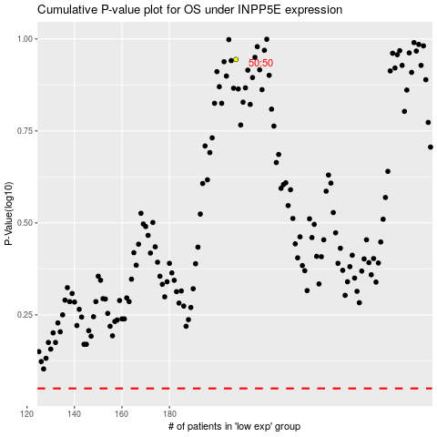

 |  |  |  |  |  | cases_OS | p_OS | rank | exp
 |  |  |  |  |  |  | cases_RFS | p_RFS | rank | exp

