INPP5K _multivariate
Reported by Tex Li-Hsing Chi. tex@gate.sinica.edu.tw 2019-08-18

Table 2. The clinicopathological features of HNSCC cohort and INPP5K expression. (Chi square test)
Cutoff at -0.177 (50.0%)
 |  | INPP5K expression |  | INPP5K expression |  | (Optimised)
 | Features | Low | (%) | High | (%) | Case no | P-value | Remark | Matthews
Gender | Female | 152 | 36.6 | 154 | 37.1 | 415 | 0.9766 | 0 | 0
2 | Male | 55 | 13.3 | 54 | 13
Age at diagnosis | <=65y | 132 | 31.8 | 142 | 34.2 | 415 | 0.3874 | 0 | 0
4 | >65y | 75 | 18.1 | 66 | 15.9
Clinical T Status | T1+T2 | 67 | 16.1 | 82 | 19.8 | 415 | 0.1628 | 0 | 0
6 | T3+T4 | 140 | 33.7 | 126 | 30.4
Clinical N Status | N0 | 93 | 22.4 | 123 | 29.6 | 415 | 0.0051 | 1 | 0
8 | N1-3 | 114 | 27.5 | 85 | 20.5
Clinical M Status | M0 | 206 | 49.6 | 206 | 49.6 | 415 | 1 | 0 | 0
10 | M1 | 1 | 0.2 | 2 | 0.5
Clinical Stage | Stage I+II | 42 | 10.1 | 60 | 14.5 | 415 | 0.0561 | 0 | 0
12 | Stage III+IV | 165 | 39.8 | 148 | 35.7
Surgical Margin status | Negative | 152 | 36.6 | 166 | 40 | 415 | 0.1329 | 0 | 0
14 | Positive | 55 | 13.3 | 42 | 10.1
Tobacco Exposure | Low | 79 | 19 | 82 | 19.8 | 415 | 0.8405 | 0 | 0
16 | High | 128 | 30.8 | 126 | 30.4

Table 3. Univariate/Multivariate Cox's proportional hazards regression analyses on OS time of INPP5K gene expression in HNSCC

 |  | Univariate |  |  |  | Multivariate
 | Features | HR | CI95%(L) | CI95%(H) | P-value | HR | CI95%(L) | CI95%(H) | P-value
1 | Female | 1 |  |  |  | 1
Gender | Male | 1.157 | 0.843 | 1.587 | 0.367 | 1.204 | 0.862 | 1.683 | 0.276
11 | <=65y | 1 |  |  |  | 1
Age at diagnosis | >65y | 1.329 | 0.99 | 1.784 | 0.058 | 1.374 | 1.008 | 1.872 | 0.044
12 | T1+T2 | 1 |  |  |  | 1
Clinical T Status | T3+T4 | 1.409 | 1.028 | 1.931 | 0.033 | 2.196 | 1.162 | 4.151 | 0.015
13 | N0 | 1 |  |  |  | 1
Clinical N Status | N1-3 | 1.185 | 0.89 | 1.577 | 0.246 | 1.22 | 0.851 | 1.747 | 0.279
14 | M0 | 1 |  |  |  | 1
Clinical M Status | M1 | 4.097 | 1.009 | 16.644 | 0.049 | 9.741 | 2.117 | 44.82 | 0.003
15 | Stage I+II | 1 |  |  |  | 1
Clinical Stage | Stage III+IV | 1.245 | 0.882 | 1.759 | 0.213 | 0.507 | 0.236 | 1.087 | 0.081
16 | Negative | 1 |  |  |  | 1
Surgical Margin status | Positive | 1.591 | 1.155 | 2.191 | 0.004 | 1.655 | 1.196 | 2.29 | 0.002
17 | Low | 1 |  |  |  | 1
Tobacco Exposure | High | 1.364 | 1.008 | 1.844 | 0.044 | 1.452 | 1.054 | 2 | 0.023
18 | Low | 1 |  |  |  | 1
RNAseq(z-score) | High | 0.84 | 0.629 | 1.122 | 0.238 | 0.906 | 0.672 | 1.222 | 0.519

Table 4. Univariate/Multivariate Cox's proportional hazards regression analyses on RFS time of INPP5K gene expression in HNSCC

 |  | Univariate |  |  |  | Multivariate
 | Features | HR | CI95%(L) | CI95%(H) | P-value | HR | CI95%(L) | CI95%(H) | P-value
1 | Female | 1 |  |  |  | 1
Gender | Male | 1.157 | 0.843 | 1.587 | 0.367 | 1.204 | 0.862 | 1.683 | 0.276
11 | <=65y | 1 |  |  |  | 1
Age at diagnosis | >65y | 1.329 | 0.99 | 1.784 | 0.058 | 1.374 | 1.008 | 1.872 | 0.044
12 | T1+T2 | 1 |  |  |  | 1
Clinical T Status | T3+T4 | 1.409 | 1.028 | 1.931 | 0.033 | 2.196 | 1.162 | 4.151 | 0.015
13 | N0 | 1 |  |  |  | 1
Clinical N Status | N1-3 | 1.185 | 0.89 | 1.577 | 0.246 | 1.22 | 0.851 | 1.747 | 0.279
14 | M0 | 1 |  |  |  | 1
Clinical M Status | M1 | 4.097 | 1.009 | 16.644 | 0.049 | 9.741 | 2.117 | 44.82 | 0.003
15 | Stage I+II | 1 |  |  |  | 1
Clinical Stage | Stage III+IV | 1.245 | 0.882 | 1.759 | 0.213 | 0.507 | 0.236 | 1.087 | 0.081
16 | Negative | 1 |  |  |  | 1
Surgical Margin status | Positive | 1.591 | 1.155 | 2.191 | 0.004 | 1.655 | 1.196 | 2.29 | 0.002
17 | Low | 1 |  |  |  | 1
Tobacco Exposure | High | 1.364 | 1.008 | 1.844 | 0.044 | 1.452 | 1.054 | 2 | 0.023
18 | Low | 1 |  |  |  | 1
RNAseq(z-score) | High | 0.84 | 0.629 | 1.122 | 0.238 | 0.906 | 0.672 | 1.222 | 0.519

Kaplan-Meier survival estimate: Cutoff at -0.177 (50.0%)



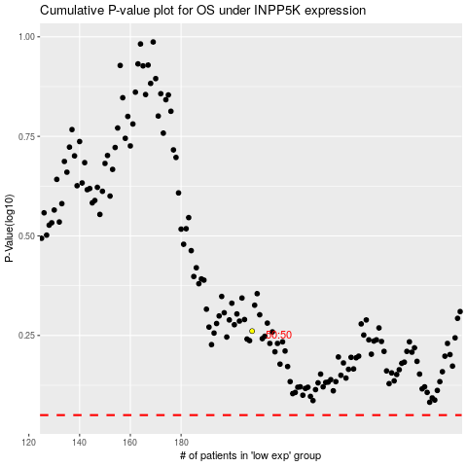

 |  |  |  |  |  | cases_OS | p_OS | rank | exp
 |  |  |  |  |  |  | cases_RFS | p_RFS | rank | exp

