INSC _multivariate
Reported by Tex Li-Hsing Chi. tex@gate.sinica.edu.tw 2019-08-18

Table 2. The clinicopathological features of HNSCC cohort and INSC expression. (Chi square test)
Cutoff at -0.144 (49.8%)
 |  | INSC expression |  | INSC expression |  | (Optimised)
 | Features | Low | (%) | High | (%) | Case no | P-value | Remark | Matthews
Gender | Female | 165 | 39.8 | 141 | 34 | 415 | 0.0081 | 1 | 0
2 | Male | 42 | 10.1 | 67 | 16.1
Age at diagnosis | <=65y | 139 | 33.5 | 135 | 32.5 | 415 | 0.7044 | 0 | 0
4 | >65y | 68 | 16.4 | 73 | 17.6
Clinical T Status | T1+T2 | 74 | 17.8 | 75 | 18.1 | 415 | 1 | 0 | 0
6 | T3+T4 | 133 | 32 | 133 | 32
Clinical N Status | N0 | 101 | 24.3 | 115 | 27.7 | 415 | 0.2201 | 0 | 0
8 | N1-3 | 106 | 25.5 | 93 | 22.4
Clinical M Status | M0 | 206 | 49.6 | 206 | 49.6 | 415 | 1 | 0 | 0
10 | M1 | 1 | 0.2 | 2 | 0.5
Clinical Stage | Stage I+II | 43 | 10.4 | 59 | 14.2 | 415 | 0.0925 | 0 | 0
12 | Stage III+IV | 164 | 39.5 | 149 | 35.9
Surgical Margin status | Negative | 162 | 39 | 156 | 37.6 | 415 | 0.4867 | 0 | 0
14 | Positive | 45 | 10.8 | 52 | 12.5
Tobacco Exposure | Low | 63 | 15.2 | 98 | 23.6 | 415 | 6e-04 | 1 | 0
16 | High | 144 | 34.7 | 110 | 26.5

Table 3. Univariate/Multivariate Cox's proportional hazards regression analyses on OS time of INSC gene expression in HNSCC

 |  | Univariate |  |  |  | Multivariate
 | Features | HR | CI95%(L) | CI95%(H) | P-value | HR | CI95%(L) | CI95%(H) | P-value
1 | Female | 1 |  |  |  | 1
Gender | Male | 1.157 | 0.843 | 1.587 | 0.367 | 1.189 | 0.851 | 1.663 | 0.311
11 | <=65y | 1 |  |  |  | 1
Age at diagnosis | >65y | 1.329 | 0.99 | 1.784 | 0.058 | 1.392 | 1.024 | 1.892 | 0.034
12 | T1+T2 | 1 |  |  |  | 1
Clinical T Status | T3+T4 | 1.409 | 1.028 | 1.931 | 0.033 | 2.146 | 1.131 | 4.072 | 0.019
13 | N0 | 1 |  |  |  | 1
Clinical N Status | N1-3 | 1.185 | 0.89 | 1.577 | 0.246 | 1.233 | 0.864 | 1.759 | 0.248
14 | M0 | 1 |  |  |  | 1
Clinical M Status | M1 | 4.097 | 1.009 | 16.644 | 0.049 | 9.041 | 1.966 | 41.583 | 0.005
15 | Stage I+II | 1 |  |  |  | 1
Clinical Stage | Stage III+IV | 1.245 | 0.882 | 1.759 | 0.213 | 0.525 | 0.243 | 1.136 | 0.102
16 | Negative | 1 |  |  |  | 1
Surgical Margin status | Positive | 1.591 | 1.155 | 2.191 | 0.004 | 1.671 | 1.209 | 2.308 | 0.002
17 | Low | 1 |  |  |  | 1
Tobacco Exposure | High | 1.364 | 1.008 | 1.844 | 0.044 | 1.481 | 1.071 | 2.048 | 0.018
18 | Low | 1 |  |  |  | 1
RNAseq(z-score) | High | 1.103 | 0.828 | 1.47 | 0.502 | 1.122 | 0.833 | 1.51 | 0.449

Table 4. Univariate/Multivariate Cox's proportional hazards regression analyses on RFS time of INSC gene expression in HNSCC

 |  | Univariate |  |  |  | Multivariate
 | Features | HR | CI95%(L) | CI95%(H) | P-value | HR | CI95%(L) | CI95%(H) | P-value
1 | Female | 1 |  |  |  | 1
Gender | Male | 1.157 | 0.843 | 1.587 | 0.367 | 1.189 | 0.851 | 1.663 | 0.311
11 | <=65y | 1 |  |  |  | 1
Age at diagnosis | >65y | 1.329 | 0.99 | 1.784 | 0.058 | 1.392 | 1.024 | 1.892 | 0.034
12 | T1+T2 | 1 |  |  |  | 1
Clinical T Status | T3+T4 | 1.409 | 1.028 | 1.931 | 0.033 | 2.146 | 1.131 | 4.072 | 0.019
13 | N0 | 1 |  |  |  | 1
Clinical N Status | N1-3 | 1.185 | 0.89 | 1.577 | 0.246 | 1.233 | 0.864 | 1.759 | 0.248
14 | M0 | 1 |  |  |  | 1
Clinical M Status | M1 | 4.097 | 1.009 | 16.644 | 0.049 | 9.041 | 1.966 | 41.583 | 0.005
15 | Stage I+II | 1 |  |  |  | 1
Clinical Stage | Stage III+IV | 1.245 | 0.882 | 1.759 | 0.213 | 0.525 | 0.243 | 1.136 | 0.102
16 | Negative | 1 |  |  |  | 1
Surgical Margin status | Positive | 1.591 | 1.155 | 2.191 | 0.004 | 1.671 | 1.209 | 2.308 | 0.002
17 | Low | 1 |  |  |  | 1
Tobacco Exposure | High | 1.364 | 1.008 | 1.844 | 0.044 | 1.481 | 1.071 | 2.048 | 0.018
18 | Low | 1 |  |  |  | 1
RNAseq(z-score) | High | 1.103 | 0.828 | 1.47 | 0.502 | 1.122 | 0.833 | 1.51 | 0.449

Kaplan-Meier survival estimate: Cutoff at -0.144 (49.8%)



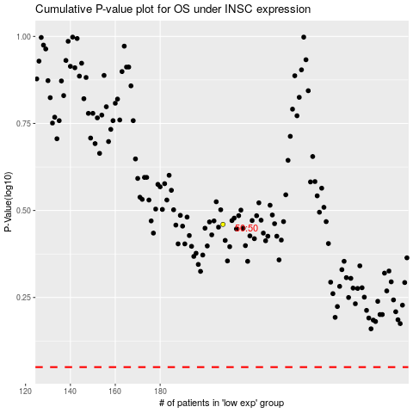

 |  |  |  |  |  | cases_OS | p_OS | rank | exp
 |  |  |  |  |  |  | cases_RFS | p_RFS | rank | exp

