INSIG1 _multivariate
Reported by Tex Li-Hsing Chi. tex@gate.sinica.edu.tw 2019-08-18

Table 2. The clinicopathological features of HNSCC cohort and INSIG1 expression. (Chi square test)
Cutoff at -0.308 (49.8%)
 |  | INSIG1 expression |  | INSIG1 expression |  | (Optimised)
 | Features | Low | (%) | High | (%) | Case no | P-value | Remark | Matthews
Gender | Female | 149 | 35.9 | 157 | 37.8 | 415 | 0.4848 | 0 | 0
2 | Male | 58 | 14 | 51 | 12.3
Age at diagnosis | <=65y | 146 | 35.2 | 128 | 30.8 | 415 | 0.0672 | 0 | 0
4 | >65y | 61 | 14.7 | 80 | 19.3
Clinical T Status | T1+T2 | 79 | 19 | 70 | 16.9 | 415 | 0.3924 | 0 | 0
6 | T3+T4 | 128 | 30.8 | 138 | 33.3
Clinical N Status | N0 | 111 | 26.7 | 105 | 25.3 | 415 | 0.5875 | 0 | 0
8 | N1-3 | 96 | 23.1 | 103 | 24.8
Clinical M Status | M0 | 205 | 49.4 | 207 | 49.9 | 415 | 0.6232 | 0 | 0
10 | M1 | 2 | 0.5 | 1 | 0.2
Clinical Stage | Stage I+II | 54 | 13 | 48 | 11.6 | 415 | 0.5498 | 0 | 0
12 | Stage III+IV | 153 | 36.9 | 160 | 38.6
Surgical Margin status | Negative | 170 | 41 | 148 | 35.7 | 415 | 0.0105 | 1 | 0
14 | Positive | 37 | 8.9 | 60 | 14.5
Tobacco Exposure | Low | 93 | 22.4 | 68 | 16.4 | 415 | 0.0118 | 1 | 0
16 | High | 114 | 27.5 | 140 | 33.7

Table 3. Univariate/Multivariate Cox's proportional hazards regression analyses on OS time of INSIG1 gene expression in HNSCC

 |  | Univariate |  |  |  | Multivariate
 | Features | HR | CI95%(L) | CI95%(H) | P-value | HR | CI95%(L) | CI95%(H) | P-value
1 | Female | 1 |  |  |  | 1
Gender | Male | 1.157 | 0.843 | 1.587 | 0.367 | 1.2 | 0.859 | 1.677 | 0.284
11 | <=65y | 1 |  |  |  | 1
Age at diagnosis | >65y | 1.329 | 0.99 | 1.784 | 0.058 | 1.383 | 1.014 | 1.887 | 0.041
12 | T1+T2 | 1 |  |  |  | 1
Clinical T Status | T3+T4 | 1.409 | 1.028 | 1.931 | 0.033 | 2.198 | 1.162 | 4.157 | 0.015
13 | N0 | 1 |  |  |  | 1
Clinical N Status | N1-3 | 1.185 | 0.89 | 1.577 | 0.246 | 1.242 | 0.87 | 1.772 | 0.232
14 | M0 | 1 |  |  |  | 1
Clinical M Status | M1 | 4.097 | 1.009 | 16.644 | 0.049 | 9.479 | 2.066 | 43.502 | 0.004
15 | Stage I+II | 1 |  |  |  | 1
Clinical Stage | Stage III+IV | 1.245 | 0.882 | 1.759 | 0.213 | 0.506 | 0.236 | 1.086 | 0.081
16 | Negative | 1 |  |  |  | 1
Surgical Margin status | Positive | 1.591 | 1.155 | 2.191 | 0.004 | 1.661 | 1.197 | 2.304 | 0.002
17 | Low | 1 |  |  |  | 1
Tobacco Exposure | High | 1.364 | 1.008 | 1.844 | 0.044 | 1.445 | 1.046 | 1.996 | 0.026
18 | Low | 1 |  |  |  | 1
RNAseq(z-score) | High | 1.173 | 0.878 | 1.567 | 0.281 | 1.039 | 0.771 | 1.401 | 0.801

Table 4. Univariate/Multivariate Cox's proportional hazards regression analyses on RFS time of INSIG1 gene expression in HNSCC

 |  | Univariate |  |  |  | Multivariate
 | Features | HR | CI95%(L) | CI95%(H) | P-value | HR | CI95%(L) | CI95%(H) | P-value
1 | Female | 1 |  |  |  | 1
Gender | Male | 1.157 | 0.843 | 1.587 | 0.367 | 1.2 | 0.859 | 1.677 | 0.284
11 | <=65y | 1 |  |  |  | 1
Age at diagnosis | >65y | 1.329 | 0.99 | 1.784 | 0.058 | 1.383 | 1.014 | 1.887 | 0.041
12 | T1+T2 | 1 |  |  |  | 1
Clinical T Status | T3+T4 | 1.409 | 1.028 | 1.931 | 0.033 | 2.198 | 1.162 | 4.157 | 0.015
13 | N0 | 1 |  |  |  | 1
Clinical N Status | N1-3 | 1.185 | 0.89 | 1.577 | 0.246 | 1.242 | 0.87 | 1.772 | 0.232
14 | M0 | 1 |  |  |  | 1
Clinical M Status | M1 | 4.097 | 1.009 | 16.644 | 0.049 | 9.479 | 2.066 | 43.502 | 0.004
15 | Stage I+II | 1 |  |  |  | 1
Clinical Stage | Stage III+IV | 1.245 | 0.882 | 1.759 | 0.213 | 0.506 | 0.236 | 1.086 | 0.081
16 | Negative | 1 |  |  |  | 1
Surgical Margin status | Positive | 1.591 | 1.155 | 2.191 | 0.004 | 1.661 | 1.197 | 2.304 | 0.002
17 | Low | 1 |  |  |  | 1
Tobacco Exposure | High | 1.364 | 1.008 | 1.844 | 0.044 | 1.445 | 1.046 | 1.996 | 0.026
18 | Low | 1 |  |  |  | 1
RNAseq(z-score) | High | 1.173 | 0.878 | 1.567 | 0.281 | 1.039 | 0.771 | 1.401 | 0.801

Kaplan-Meier survival estimate: Cutoff at -0.308 (49.8%)



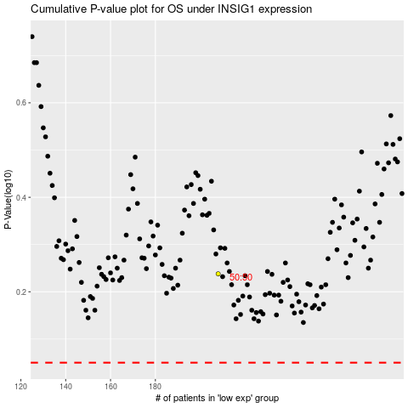

 |  |  |  |  |  | cases_OS | p_OS | rank | exp
 |  |  |  |  |  |  | cases_RFS | p_RFS | rank | exp

