INTS12 _multivariate
Reported by Tex Li-Hsing Chi. tex@gate.sinica.edu.tw 2019-08-18

Table 2. The clinicopathological features of HNSCC cohort and INTS12 expression. (Chi square test)
Cutoff at -0.506 (32.9%)
 |  | INTS12 expression |  | INTS12 expression |  | (Optimised)
 | Features | Low | (%) | High | (%) | Case no | P-value | Remark | Matthews
Gender | Female | 105 | 25.3 | 201 | 48.4 | 415 | 0.3159 | 0 | 0
2 | Male | 31 | 7.5 | 78 | 18.8
Age at diagnosis | <=65y | 88 | 21.2 | 186 | 44.8 | 415 | 0.7753 | 0 | 0
4 | >65y | 48 | 11.6 | 93 | 22.4
Clinical T Status | T1+T2 | 46 | 11.1 | 103 | 24.8 | 415 | 0.6117 | 0 | 0
6 | T3+T4 | 90 | 21.7 | 176 | 42.4
Clinical N Status | N0 | 68 | 16.4 | 148 | 35.7 | 415 | 0.6323 | 0 | 0
8 | N1-3 | 68 | 16.4 | 131 | 31.6
Clinical M Status | M0 | 135 | 32.5 | 277 | 66.7 | 415 | 1 | 0 | 0
10 | M1 | 1 | 0.2 | 2 | 0.5
Clinical Stage | Stage I+II | 32 | 7.7 | 70 | 16.9 | 415 | 0.8219 | 0 | 0
12 | Stage III+IV | 104 | 25.1 | 209 | 50.4
Surgical Margin status | Negative | 111 | 26.7 | 207 | 49.9 | 415 | 0.1083 | 0 | 0
14 | Positive | 25 | 6 | 72 | 17.3
Tobacco Exposure | Low | 48 | 11.6 | 113 | 27.2 | 415 | 0.3349 | 0 | 0
16 | High | 88 | 21.2 | 166 | 40

Table 3. Univariate/Multivariate Cox's proportional hazards regression analyses on OS time of INTS12 gene expression in HNSCC

 |  | Univariate |  |  |  | Multivariate
 | Features | HR | CI95%(L) | CI95%(H) | P-value | HR | CI95%(L) | CI95%(H) | P-value
1 | Female | 1 |  |  |  | 1
Gender | Male | 1.157 | 0.843 | 1.587 | 0.367 | 1.152 | 0.823 | 1.612 | 0.408
11 | <=65y | 1 |  |  |  | 1
Age at diagnosis | >65y | 1.329 | 0.99 | 1.784 | 0.058 | 1.448 | 1.061 | 1.976 | 0.019
12 | T1+T2 | 1 |  |  |  | 1
Clinical T Status | T3+T4 | 1.409 | 1.028 | 1.931 | 0.033 | 2.305 | 1.218 | 4.363 | 0.01
13 | N0 | 1 |  |  |  | 1
Clinical N Status | N1-3 | 1.185 | 0.89 | 1.577 | 0.246 | 1.294 | 0.905 | 1.849 | 0.158
14 | M0 | 1 |  |  |  | 1
Clinical M Status | M1 | 4.097 | 1.009 | 16.644 | 0.049 | 9.115 | 1.986 | 41.835 | 0.004
15 | Stage I+II | 1 |  |  |  | 1
Clinical Stage | Stage III+IV | 1.245 | 0.882 | 1.759 | 0.213 | 0.485 | 0.226 | 1.042 | 0.064
16 | Negative | 1 |  |  |  | 1
Surgical Margin status | Positive | 1.591 | 1.155 | 2.191 | 0.004 | 1.605 | 1.16 | 2.222 | 0.004
17 | Low | 1 |  |  |  | 1
Tobacco Exposure | High | 1.364 | 1.008 | 1.844 | 0.044 | 1.484 | 1.075 | 2.049 | 0.016
18 | Low | 1 |  |  |  | 1
RNAseq(z-score) | High | 1.411 | 1.024 | 1.943 | 0.035 | 1.435 | 1.033 | 1.993 | 0.031

Table 4. Univariate/Multivariate Cox's proportional hazards regression analyses on RFS time of INTS12 gene expression in HNSCC

 |  | Univariate |  |  |  | Multivariate
 | Features | HR | CI95%(L) | CI95%(H) | P-value | HR | CI95%(L) | CI95%(H) | P-value
1 | Female | 1 |  |  |  | 1
Gender | Male | 1.157 | 0.843 | 1.587 | 0.367 | 1.152 | 0.823 | 1.612 | 0.408
11 | <=65y | 1 |  |  |  | 1
Age at diagnosis | >65y | 1.329 | 0.99 | 1.784 | 0.058 | 1.448 | 1.061 | 1.976 | 0.019
12 | T1+T2 | 1 |  |  |  | 1
Clinical T Status | T3+T4 | 1.409 | 1.028 | 1.931 | 0.033 | 2.305 | 1.218 | 4.363 | 0.01
13 | N0 | 1 |  |  |  | 1
Clinical N Status | N1-3 | 1.185 | 0.89 | 1.577 | 0.246 | 1.294 | 0.905 | 1.849 | 0.158
14 | M0 | 1 |  |  |  | 1
Clinical M Status | M1 | 4.097 | 1.009 | 16.644 | 0.049 | 9.115 | 1.986 | 41.835 | 0.004
15 | Stage I+II | 1 |  |  |  | 1
Clinical Stage | Stage III+IV | 1.245 | 0.882 | 1.759 | 0.213 | 0.485 | 0.226 | 1.042 | 0.064
16 | Negative | 1 |  |  |  | 1
Surgical Margin status | Positive | 1.591 | 1.155 | 2.191 | 0.004 | 1.605 | 1.16 | 2.222 | 0.004
17 | Low | 1 |  |  |  | 1
Tobacco Exposure | High | 1.364 | 1.008 | 1.844 | 0.044 | 1.484 | 1.075 | 2.049 | 0.016
18 | Low | 1 |  |  |  | 1
RNAseq(z-score) | High | 1.411 | 1.024 | 1.943 | 0.035 | 1.435 | 1.033 | 1.993 | 0.031

Kaplan-Meier survival estimate: Cutoff at -0.506 (32.9%)



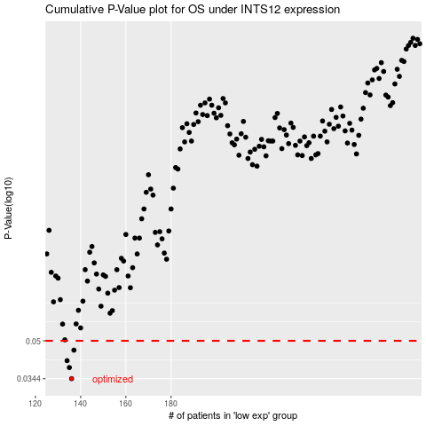

 |  |  |  |  |  | cases_OS | p_OS | rank | exp
 |  |  |  |  |  | 136 | 0.0344 | 339 | -0.50632157048
 |  |  |  |  |  | 135 | 0.0384 | 388 | -0.5069463599
 |  |  |  |  |  | 134 | 0.0411 | 319 | -0.51135127721
 |  |  |  |  |  | 137 | 0.0456 | 361 | -0.50107819993
 |  |  |  |  |  |  | cases_RFS | p_RFS | rank | exp
 |  |  |  |  |  |  | 135 | 0.0344 | 388 | -0.5069463599
 |  |  |  |  |  |  | 134 | 0.0384 | 319 | -0.51135127721
 |  |  |  |  |  |  | 133 | 0.0411 | 139 | -0.5120935311
 |  |  |  |  |  |  | 136 | 0.0456 | 339 | -0.50632157048

