INTS4 _multivariate
Reported by Tex Li-Hsing Chi. tex@gate.sinica.edu.tw 2019-08-18

Table 2. The clinicopathological features of HNSCC cohort and INTS4 expression. (Chi square test)
Cutoff at -0.131 (49.8%)
 |  | INTS4 expression |  | INTS4 expression |  | (Optimised)
 | Features | Low | (%) | High | (%) | Case no | P-value | Remark | Matthews
Gender | Female | 157 | 37.8 | 149 | 35.9 | 415 | 0.3881 | 0 | 0
2 | Male | 50 | 12 | 59 | 14.2
Age at diagnosis | <=65y | 131 | 31.6 | 143 | 34.5 | 415 | 0.2839 | 0 | 0
4 | >65y | 76 | 18.3 | 65 | 15.7
Clinical T Status | T1+T2 | 66 | 15.9 | 83 | 20 | 415 | 0.1095 | 0 | 0
6 | T3+T4 | 141 | 34 | 125 | 30.1
Clinical N Status | N0 | 90 | 21.7 | 126 | 30.4 | 415 | 7e-04 | 1 | 0
8 | N1-3 | 117 | 28.2 | 82 | 19.8
Clinical M Status | M0 | 205 | 49.4 | 207 | 49.9 | 415 | 0.6232 | 0 | 0
10 | M1 | 2 | 0.5 | 1 | 0.2
Clinical Stage | Stage I+II | 43 | 10.4 | 59 | 14.2 | 415 | 0.0925 | 0 | 0
12 | Stage III+IV | 164 | 39.5 | 149 | 35.9
Surgical Margin status | Negative | 161 | 38.8 | 157 | 37.8 | 415 | 0.6429 | 0 | 0
14 | Positive | 46 | 11.1 | 51 | 12.3
Tobacco Exposure | Low | 72 | 17.3 | 89 | 21.4 | 415 | 0.1071 | 0 | 0
16 | High | 135 | 32.5 | 119 | 28.7

Table 3. Univariate/Multivariate Cox's proportional hazards regression analyses on OS time of INTS4 gene expression in HNSCC

 |  | Univariate |  |  |  | Multivariate
 | Features | HR | CI95%(L) | CI95%(H) | P-value | HR | CI95%(L) | CI95%(H) | P-value
1 | Female | 1 |  |  |  | 1
Gender | Male | 1.157 | 0.843 | 1.587 | 0.367 | 1.195 | 0.855 | 1.669 | 0.297
11 | <=65y | 1 |  |  |  | 1
Age at diagnosis | >65y | 1.329 | 0.99 | 1.784 | 0.058 | 1.42 | 1.04 | 1.938 | 0.027
12 | T1+T2 | 1 |  |  |  | 1
Clinical T Status | T3+T4 | 1.409 | 1.028 | 1.931 | 0.033 | 2.232 | 1.18 | 4.223 | 0.014
13 | N0 | 1 |  |  |  | 1
Clinical N Status | N1-3 | 1.185 | 0.89 | 1.577 | 0.246 | 1.274 | 0.887 | 1.83 | 0.189
14 | M0 | 1 |  |  |  | 1
Clinical M Status | M1 | 4.097 | 1.009 | 16.644 | 0.049 | 9.502 | 2.072 | 43.568 | 0.004
15 | Stage I+II | 1 |  |  |  | 1
Clinical Stage | Stage III+IV | 1.245 | 0.882 | 1.759 | 0.213 | 0.498 | 0.232 | 1.07 | 0.074
16 | Negative | 1 |  |  |  | 1
Surgical Margin status | Positive | 1.591 | 1.155 | 2.191 | 0.004 | 1.653 | 1.195 | 2.286 | 0.002
17 | Low | 1 |  |  |  | 1
Tobacco Exposure | High | 1.364 | 1.008 | 1.844 | 0.044 | 1.47 | 1.065 | 2.028 | 0.019
18 | Low | 1 |  |  |  | 1
RNAseq(z-score) | High | 1.025 | 0.77 | 1.366 | 0.863 | 1.125 | 0.834 | 1.517 | 0.44

Table 4. Univariate/Multivariate Cox's proportional hazards regression analyses on RFS time of INTS4 gene expression in HNSCC

 |  | Univariate |  |  |  | Multivariate
 | Features | HR | CI95%(L) | CI95%(H) | P-value | HR | CI95%(L) | CI95%(H) | P-value
1 | Female | 1 |  |  |  | 1
Gender | Male | 1.157 | 0.843 | 1.587 | 0.367 | 1.195 | 0.855 | 1.669 | 0.297
11 | <=65y | 1 |  |  |  | 1
Age at diagnosis | >65y | 1.329 | 0.99 | 1.784 | 0.058 | 1.42 | 1.04 | 1.938 | 0.027
12 | T1+T2 | 1 |  |  |  | 1
Clinical T Status | T3+T4 | 1.409 | 1.028 | 1.931 | 0.033 | 2.232 | 1.18 | 4.223 | 0.014
13 | N0 | 1 |  |  |  | 1
Clinical N Status | N1-3 | 1.185 | 0.89 | 1.577 | 0.246 | 1.274 | 0.887 | 1.83 | 0.189
14 | M0 | 1 |  |  |  | 1
Clinical M Status | M1 | 4.097 | 1.009 | 16.644 | 0.049 | 9.502 | 2.072 | 43.568 | 0.004
15 | Stage I+II | 1 |  |  |  | 1
Clinical Stage | Stage III+IV | 1.245 | 0.882 | 1.759 | 0.213 | 0.498 | 0.232 | 1.07 | 0.074
16 | Negative | 1 |  |  |  | 1
Surgical Margin status | Positive | 1.591 | 1.155 | 2.191 | 0.004 | 1.653 | 1.195 | 2.286 | 0.002
17 | Low | 1 |  |  |  | 1
Tobacco Exposure | High | 1.364 | 1.008 | 1.844 | 0.044 | 1.47 | 1.065 | 2.028 | 0.019
18 | Low | 1 |  |  |  | 1
RNAseq(z-score) | High | 1.025 | 0.77 | 1.366 | 0.863 | 1.125 | 0.834 | 1.517 | 0.44

Kaplan-Meier survival estimate: Cutoff at -0.131 (49.8%)



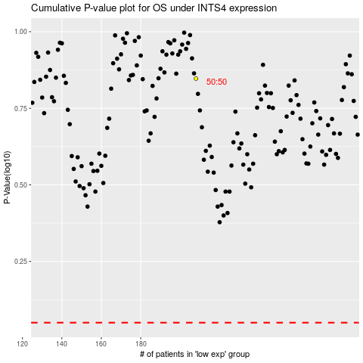

 |  |  |  |  |  | cases_OS | p_OS | rank | exp
 |  |  |  |  |  |  | cases_RFS | p_RFS | rank | exp

