INTS4L2 _multivariate
Reported by Tex Li-Hsing Chi. tex@gate.sinica.edu.tw 2019-08-18

Table 2. The clinicopathological features of HNSCC cohort and INTS4L2 expression. (Chi square test)
Cutoff at -0.15 (50.0%)
 |  | INTS4L2 expression |  | INTS4L2 expression |  | (Optimised)
 | Features | Low | (%) | High | (%) | Case no | P-value | Remark | Matthews
Gender | Female | 160 | 38.6 | 146 | 35.2 | 415 | 0.1254 | 0 | 0
2 | Male | 47 | 11.3 | 62 | 14.9
Age at diagnosis | <=65y | 139 | 33.5 | 135 | 32.5 | 415 | 0.7044 | 0 | 0
4 | >65y | 68 | 16.4 | 73 | 17.6
Clinical T Status | T1+T2 | 71 | 17.1 | 78 | 18.8 | 415 | 0.5638 | 0 | 0
6 | T3+T4 | 136 | 32.8 | 130 | 31.3
Clinical N Status | N0 | 101 | 24.3 | 115 | 27.7 | 415 | 0.2201 | 0 | 0
8 | N1-3 | 106 | 25.5 | 93 | 22.4
Clinical M Status | M0 | 204 | 49.2 | 208 | 50.1 | 415 | 0.1232 | 0 | 0
10 | M1 | 3 | 0.7 | 0 | 0
Clinical Stage | Stage I+II | 47 | 11.3 | 55 | 13.3 | 415 | 0.4413 | 0 | 0
12 | Stage III+IV | 160 | 38.6 | 153 | 36.9
Surgical Margin status | Negative | 153 | 36.9 | 165 | 39.8 | 415 | 0.2036 | 0 | 0
14 | Positive | 54 | 13 | 43 | 10.4
Tobacco Exposure | Low | 76 | 18.3 | 85 | 20.5 | 415 | 0.4207 | 0 | 0
16 | High | 131 | 31.6 | 123 | 29.6

Table 3. Univariate/Multivariate Cox's proportional hazards regression analyses on OS time of INTS4L2 gene expression in HNSCC

 |  | Univariate |  |  |  | Multivariate
 | Features | HR | CI95%(L) | CI95%(H) | P-value | HR | CI95%(L) | CI95%(H) | P-value
1 | Female | 1 |  |  |  | 1
Gender | Male | 1.157 | 0.843 | 1.587 | 0.367 | 1.199 | 0.859 | 1.674 | 0.287
11 | <=65y | 1 |  |  |  | 1
Age at diagnosis | >65y | 1.329 | 0.99 | 1.784 | 0.058 | 1.407 | 1.034 | 1.915 | 0.03
12 | T1+T2 | 1 |  |  |  | 1
Clinical T Status | T3+T4 | 1.409 | 1.028 | 1.931 | 0.033 | 2.212 | 1.17 | 4.182 | 0.015
13 | N0 | 1 |  |  |  | 1
Clinical N Status | N1-3 | 1.185 | 0.89 | 1.577 | 0.246 | 1.257 | 0.88 | 1.794 | 0.208
14 | M0 | 1 |  |  |  | 1
Clinical M Status | M1 | 4.097 | 1.009 | 16.644 | 0.049 | 10.473 | 2.265 | 48.415 | 0.003
15 | Stage I+II | 1 |  |  |  | 1
Clinical Stage | Stage III+IV | 1.245 | 0.882 | 1.759 | 0.213 | 0.498 | 0.232 | 1.07 | 0.074
16 | Negative | 1 |  |  |  | 1
Surgical Margin status | Positive | 1.591 | 1.155 | 2.191 | 0.004 | 1.7 | 1.229 | 2.351 | 0.001
17 | Low | 1 |  |  |  | 1
Tobacco Exposure | High | 1.364 | 1.008 | 1.844 | 0.044 | 1.478 | 1.071 | 2.04 | 0.017
18 | Low | 1 |  |  |  | 1
RNAseq(z-score) | High | 1.125 | 0.844 | 1.499 | 0.423 | 1.223 | 0.914 | 1.637 | 0.176

Table 4. Univariate/Multivariate Cox's proportional hazards regression analyses on RFS time of INTS4L2 gene expression in HNSCC

 |  | Univariate |  |  |  | Multivariate
 | Features | HR | CI95%(L) | CI95%(H) | P-value | HR | CI95%(L) | CI95%(H) | P-value
1 | Female | 1 |  |  |  | 1
Gender | Male | 1.157 | 0.843 | 1.587 | 0.367 | 1.199 | 0.859 | 1.674 | 0.287
11 | <=65y | 1 |  |  |  | 1
Age at diagnosis | >65y | 1.329 | 0.99 | 1.784 | 0.058 | 1.407 | 1.034 | 1.915 | 0.03
12 | T1+T2 | 1 |  |  |  | 1
Clinical T Status | T3+T4 | 1.409 | 1.028 | 1.931 | 0.033 | 2.212 | 1.17 | 4.182 | 0.015
13 | N0 | 1 |  |  |  | 1
Clinical N Status | N1-3 | 1.185 | 0.89 | 1.577 | 0.246 | 1.257 | 0.88 | 1.794 | 0.208
14 | M0 | 1 |  |  |  | 1
Clinical M Status | M1 | 4.097 | 1.009 | 16.644 | 0.049 | 10.473 | 2.265 | 48.415 | 0.003
15 | Stage I+II | 1 |  |  |  | 1
Clinical Stage | Stage III+IV | 1.245 | 0.882 | 1.759 | 0.213 | 0.498 | 0.232 | 1.07 | 0.074
16 | Negative | 1 |  |  |  | 1
Surgical Margin status | Positive | 1.591 | 1.155 | 2.191 | 0.004 | 1.7 | 1.229 | 2.351 | 0.001
17 | Low | 1 |  |  |  | 1
Tobacco Exposure | High | 1.364 | 1.008 | 1.844 | 0.044 | 1.478 | 1.071 | 2.04 | 0.017
18 | Low | 1 |  |  |  | 1
RNAseq(z-score) | High | 1.125 | 0.844 | 1.499 | 0.423 | 1.223 | 0.914 | 1.637 | 0.176

Kaplan-Meier survival estimate: Cutoff at -0.15 (50.0%)



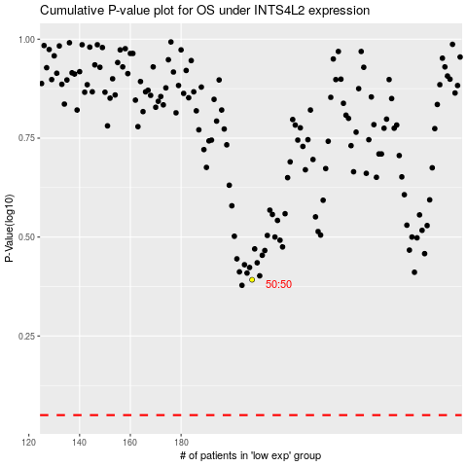

 |  |  |  |  |  | cases_OS | p_OS | rank | exp
 |  |  |  |  |  |  | cases_RFS | p_RFS | rank | exp

