INTS6 _multivariate
Reported by Tex Li-Hsing Chi. tex@gate.sinica.edu.tw 2019-08-18

Table 2. The clinicopathological features of HNSCC cohort and INTS6 expression. (Chi square test)
Cutoff at -0.049 (50.0%)
 |  | INTS6 expression |  | INTS6 expression |  | (Optimised)
 | Features | Low | (%) | High | (%) | Case no | P-value | Remark | Matthews
Gender | Female | 155 | 37.3 | 151 | 36.4 | 415 | 0.6768 | 0 | 0
2 | Male | 52 | 12.5 | 57 | 13.7
Age at diagnosis | <=65y | 135 | 32.5 | 139 | 33.5 | 415 | 0.8084 | 0 | 0
4 | >65y | 72 | 17.3 | 69 | 16.6
Clinical T Status | T1+T2 | 83 | 20 | 66 | 15.9 | 415 | 0.0941 | 0 | 0
6 | T3+T4 | 124 | 29.9 | 142 | 34.2
Clinical N Status | N0 | 102 | 24.6 | 114 | 27.5 | 415 | 0.3031 | 0 | 0
8 | N1-3 | 105 | 25.3 | 94 | 22.7
Clinical M Status | M0 | 204 | 49.2 | 208 | 50.1 | 415 | 0.1232 | 0 | 0
10 | M1 | 3 | 0.7 | 0 | 0
Clinical Stage | Stage I+II | 52 | 12.5 | 50 | 12 | 415 | 0.8871 | 0 | 0
12 | Stage III+IV | 155 | 37.3 | 158 | 38.1
Surgical Margin status | Negative | 151 | 36.4 | 167 | 40.2 | 415 | 0.0828 | 0 | 0
14 | Positive | 56 | 13.5 | 41 | 9.9
Tobacco Exposure | Low | 82 | 19.8 | 79 | 19 | 415 | 0.763 | 0 | 0
16 | High | 125 | 30.1 | 129 | 31.1

Table 3. Univariate/Multivariate Cox's proportional hazards regression analyses on OS time of INTS6 gene expression in HNSCC

 |  | Univariate |  |  |  | Multivariate
 | Features | HR | CI95%(L) | CI95%(H) | P-value | HR | CI95%(L) | CI95%(H) | P-value
1 | Female | 1 |  |  |  | 1
Gender | Male | 1.157 | 0.843 | 1.587 | 0.367 | 1.216 | 0.87 | 1.7 | 0.253
11 | <=65y | 1 |  |  |  | 1
Age at diagnosis | >65y | 1.329 | 0.99 | 1.784 | 0.058 | 1.448 | 1.064 | 1.97 | 0.019
12 | T1+T2 | 1 |  |  |  | 1
Clinical T Status | T3+T4 | 1.409 | 1.028 | 1.931 | 0.033 | 2.156 | 1.141 | 4.073 | 0.018
13 | N0 | 1 |  |  |  | 1
Clinical N Status | N1-3 | 1.185 | 0.89 | 1.577 | 0.246 | 1.289 | 0.902 | 1.841 | 0.164
14 | M0 | 1 |  |  |  | 1
Clinical M Status | M1 | 4.097 | 1.009 | 16.644 | 0.049 | 10.862 | 2.352 | 50.155 | 0.002
15 | Stage I+II | 1 |  |  |  | 1
Clinical Stage | Stage III+IV | 1.245 | 0.882 | 1.759 | 0.213 | 0.503 | 0.234 | 1.08 | 0.078
16 | Negative | 1 |  |  |  | 1
Surgical Margin status | Positive | 1.591 | 1.155 | 2.191 | 0.004 | 1.701 | 1.23 | 2.352 | 0.001
17 | Low | 1 |  |  |  | 1
Tobacco Exposure | High | 1.364 | 1.008 | 1.844 | 0.044 | 1.487 | 1.077 | 2.051 | 0.016
18 | Low | 1 |  |  |  | 1
RNAseq(z-score) | High | 1.214 | 0.911 | 1.617 | 0.185 | 1.357 | 1.011 | 1.823 | 0.042

Table 4. Univariate/Multivariate Cox's proportional hazards regression analyses on RFS time of INTS6 gene expression in HNSCC

 |  | Univariate |  |  |  | Multivariate
 | Features | HR | CI95%(L) | CI95%(H) | P-value | HR | CI95%(L) | CI95%(H) | P-value
1 | Female | 1 |  |  |  | 1
Gender | Male | 1.157 | 0.843 | 1.587 | 0.367 | 1.216 | 0.87 | 1.7 | 0.253
11 | <=65y | 1 |  |  |  | 1
Age at diagnosis | >65y | 1.329 | 0.99 | 1.784 | 0.058 | 1.448 | 1.064 | 1.97 | 0.019
12 | T1+T2 | 1 |  |  |  | 1
Clinical T Status | T3+T4 | 1.409 | 1.028 | 1.931 | 0.033 | 2.156 | 1.141 | 4.073 | 0.018
13 | N0 | 1 |  |  |  | 1
Clinical N Status | N1-3 | 1.185 | 0.89 | 1.577 | 0.246 | 1.289 | 0.902 | 1.841 | 0.164
14 | M0 | 1 |  |  |  | 1
Clinical M Status | M1 | 4.097 | 1.009 | 16.644 | 0.049 | 10.862 | 2.352 | 50.155 | 0.002
15 | Stage I+II | 1 |  |  |  | 1
Clinical Stage | Stage III+IV | 1.245 | 0.882 | 1.759 | 0.213 | 0.503 | 0.234 | 1.08 | 0.078
16 | Negative | 1 |  |  |  | 1
Surgical Margin status | Positive | 1.591 | 1.155 | 2.191 | 0.004 | 1.701 | 1.23 | 2.352 | 0.001
17 | Low | 1 |  |  |  | 1
Tobacco Exposure | High | 1.364 | 1.008 | 1.844 | 0.044 | 1.487 | 1.077 | 2.051 | 0.016
18 | Low | 1 |  |  |  | 1
RNAseq(z-score) | High | 1.214 | 0.911 | 1.617 | 0.185 | 1.357 | 1.011 | 1.823 | 0.042

Kaplan-Meier survival estimate: Cutoff at -0.049 (50.0%)



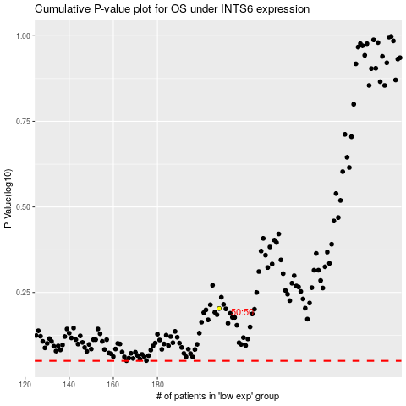

 |  |  |  |  |  | cases_OS | p_OS | rank | exp
 |  |  |  |  |  |  | cases_RFS | p_RFS | rank | exp

