INTU _multivariate
Reported by Tex Li-Hsing Chi. tex@gate.sinica.edu.tw 2019-08-18

Table 2. The clinicopathological features of HNSCC cohort and INTU expression. (Chi square test)
Cutoff at -0.242 (49.8%)
 |  | INTU expression |  | INTU expression |  | (Optimised)
 | Features | Low | (%) | High | (%) | Case no | P-value | Remark | Matthews
Gender | Female | 137 | 33 | 169 | 40.7 | 415 | 7e-04 | 1 | 0
2 | Male | 70 | 16.9 | 39 | 9.4
Age at diagnosis | <=65y | 131 | 31.6 | 143 | 34.5 | 415 | 0.2839 | 0 | 0
4 | >65y | 76 | 18.3 | 65 | 15.7
Clinical T Status | T1+T2 | 80 | 19.3 | 69 | 16.6 | 415 | 0.2891 | 0 | 0
6 | T3+T4 | 127 | 30.6 | 139 | 33.5
Clinical N Status | N0 | 108 | 26 | 108 | 26 | 415 | 1 | 0 | 0
8 | N1-3 | 99 | 23.9 | 100 | 24.1
Clinical M Status | M0 | 205 | 49.4 | 207 | 49.9 | 415 | 0.6232 | 0 | 0
10 | M1 | 2 | 0.5 | 1 | 0.2
Clinical Stage | Stage I+II | 60 | 14.5 | 42 | 10.1 | 415 | 0.0493 | 1 | 0
12 | Stage III+IV | 147 | 35.4 | 166 | 40
Surgical Margin status | Negative | 164 | 39.5 | 154 | 37.1 | 415 | 0.2462 | 0 | 0
14 | Positive | 43 | 10.4 | 54 | 13
Tobacco Exposure | Low | 96 | 23.1 | 65 | 15.7 | 415 | 0.0018 | 1 | 0
16 | High | 111 | 26.7 | 143 | 34.5

Table 3. Univariate/Multivariate Cox's proportional hazards regression analyses on OS time of INTU gene expression in HNSCC

 |  | Univariate |  |  |  | Multivariate
 | Features | HR | CI95%(L) | CI95%(H) | P-value | HR | CI95%(L) | CI95%(H) | P-value
1 | Female | 1 |  |  |  | 1
Gender | Male | 1.157 | 0.843 | 1.587 | 0.367 | 1.196 | 0.854 | 1.675 | 0.298
11 | <=65y | 1 |  |  |  | 1
Age at diagnosis | >65y | 1.329 | 0.99 | 1.784 | 0.058 | 1.393 | 1.025 | 1.894 | 0.034
12 | T1+T2 | 1 |  |  |  | 1
Clinical T Status | T3+T4 | 1.409 | 1.028 | 1.931 | 0.033 | 2.185 | 1.152 | 4.146 | 0.017
13 | N0 | 1 |  |  |  | 1
Clinical N Status | N1-3 | 1.185 | 0.89 | 1.577 | 0.246 | 1.237 | 0.867 | 1.767 | 0.241
14 | M0 | 1 |  |  |  | 1
Clinical M Status | M1 | 4.097 | 1.009 | 16.644 | 0.049 | 9.229 | 1.997 | 42.658 | 0.004
15 | Stage I+II | 1 |  |  |  | 1
Clinical Stage | Stage III+IV | 1.245 | 0.882 | 1.759 | 0.213 | 0.512 | 0.236 | 1.109 | 0.089
16 | Negative | 1 |  |  |  | 1
Surgical Margin status | Positive | 1.591 | 1.155 | 2.191 | 0.004 | 1.672 | 1.21 | 2.31 | 0.002
17 | Low | 1 |  |  |  | 1
Tobacco Exposure | High | 1.364 | 1.008 | 1.844 | 0.044 | 1.461 | 1.057 | 2.02 | 0.022
18 | Low | 1 |  |  |  | 1
RNAseq(z-score) | High | 0.963 | 0.722 | 1.285 | 0.799 | 0.965 | 0.714 | 1.304 | 0.816

Table 4. Univariate/Multivariate Cox's proportional hazards regression analyses on RFS time of INTU gene expression in HNSCC

 |  | Univariate |  |  |  | Multivariate
 | Features | HR | CI95%(L) | CI95%(H) | P-value | HR | CI95%(L) | CI95%(H) | P-value
1 | Female | 1 |  |  |  | 1
Gender | Male | 1.157 | 0.843 | 1.587 | 0.367 | 1.196 | 0.854 | 1.675 | 0.298
11 | <=65y | 1 |  |  |  | 1
Age at diagnosis | >65y | 1.329 | 0.99 | 1.784 | 0.058 | 1.393 | 1.025 | 1.894 | 0.034
12 | T1+T2 | 1 |  |  |  | 1
Clinical T Status | T3+T4 | 1.409 | 1.028 | 1.931 | 0.033 | 2.185 | 1.152 | 4.146 | 0.017
13 | N0 | 1 |  |  |  | 1
Clinical N Status | N1-3 | 1.185 | 0.89 | 1.577 | 0.246 | 1.237 | 0.867 | 1.767 | 0.241
14 | M0 | 1 |  |  |  | 1
Clinical M Status | M1 | 4.097 | 1.009 | 16.644 | 0.049 | 9.229 | 1.997 | 42.658 | 0.004
15 | Stage I+II | 1 |  |  |  | 1
Clinical Stage | Stage III+IV | 1.245 | 0.882 | 1.759 | 0.213 | 0.512 | 0.236 | 1.109 | 0.089
16 | Negative | 1 |  |  |  | 1
Surgical Margin status | Positive | 1.591 | 1.155 | 2.191 | 0.004 | 1.672 | 1.21 | 2.31 | 0.002
17 | Low | 1 |  |  |  | 1
Tobacco Exposure | High | 1.364 | 1.008 | 1.844 | 0.044 | 1.461 | 1.057 | 2.02 | 0.022
18 | Low | 1 |  |  |  | 1
RNAseq(z-score) | High | 0.963 | 0.722 | 1.285 | 0.799 | 0.965 | 0.714 | 1.304 | 0.816

Kaplan-Meier survival estimate: Cutoff at -0.242 (49.8%)



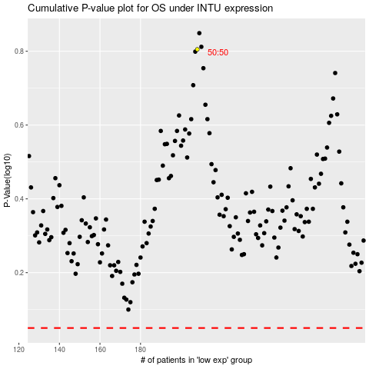

 |  |  |  |  |  | cases_OS | p_OS | rank | exp
 |  |  |  |  |  |  | cases_RFS | p_RFS | rank | exp

