IPMK _multivariate
Reported by Tex Li-Hsing Chi. tex@gate.sinica.edu.tw 2019-08-18

Table 2. The clinicopathological features of HNSCC cohort and IPMK expression. (Chi square test)
Cutoff at -0.145 (49.8%)
 |  | IPMK expression |  | IPMK expression |  | (Optimised)
 | Features | Low | (%) | High | (%) | Case no | P-value | Remark | Matthews
Gender | Female | 157 | 37.8 | 149 | 35.9 | 415 | 0.3881 | 0 | 0
2 | Male | 50 | 12 | 59 | 14.2
Age at diagnosis | <=65y | 138 | 33.3 | 136 | 32.8 | 415 | 0.8634 | 0 | 0
4 | >65y | 69 | 16.6 | 72 | 17.3
Clinical T Status | T1+T2 | 82 | 19.8 | 67 | 16.1 | 415 | 0.1417 | 0 | 0
6 | T3+T4 | 125 | 30.1 | 141 | 34
Clinical N Status | N0 | 111 | 26.7 | 105 | 25.3 | 415 | 0.5875 | 0 | 0
8 | N1-3 | 96 | 23.1 | 103 | 24.8
Clinical M Status | M0 | 204 | 49.2 | 208 | 50.1 | 415 | 0.1232 | 0 | 0
10 | M1 | 3 | 0.7 | 0 | 0
Clinical Stage | Stage I+II | 56 | 13.5 | 46 | 11.1 | 415 | 0.2918 | 0 | 0
12 | Stage III+IV | 151 | 36.4 | 162 | 39
Surgical Margin status | Negative | 150 | 36.1 | 168 | 40.5 | 415 | 0.0492 | 1 | 0
14 | Positive | 57 | 13.7 | 40 | 9.6
Tobacco Exposure | Low | 79 | 19 | 82 | 19.8 | 415 | 0.8405 | 0 | 0
16 | High | 128 | 30.8 | 126 | 30.4

Table 3. Univariate/Multivariate Cox's proportional hazards regression analyses on OS time of IPMK gene expression in HNSCC

 |  | Univariate |  |  |  | Multivariate
 | Features | HR | CI95%(L) | CI95%(H) | P-value | HR | CI95%(L) | CI95%(H) | P-value
1 | Female | 1 |  |  |  | 1
Gender | Male | 1.157 | 0.843 | 1.587 | 0.367 | 1.197 | 0.858 | 1.672 | 0.29
11 | <=65y | 1 |  |  |  | 1
Age at diagnosis | >65y | 1.329 | 0.99 | 1.784 | 0.058 | 1.399 | 1.029 | 1.902 | 0.032
12 | T1+T2 | 1 |  |  |  | 1
Clinical T Status | T3+T4 | 1.409 | 1.028 | 1.931 | 0.033 | 2.193 | 1.16 | 4.146 | 0.016
13 | N0 | 1 |  |  |  | 1
Clinical N Status | N1-3 | 1.185 | 0.89 | 1.577 | 0.246 | 1.239 | 0.868 | 1.767 | 0.238
14 | M0 | 1 |  |  |  | 1
Clinical M Status | M1 | 4.097 | 1.009 | 16.644 | 0.049 | 9.877 | 2.138 | 45.634 | 0.003
15 | Stage I+II | 1 |  |  |  | 1
Clinical Stage | Stage III+IV | 1.245 | 0.882 | 1.759 | 0.213 | 0.502 | 0.234 | 1.077 | 0.077
16 | Negative | 1 |  |  |  | 1
Surgical Margin status | Positive | 1.591 | 1.155 | 2.191 | 0.004 | 1.691 | 1.221 | 2.342 | 0.002
17 | Low | 1 |  |  |  | 1
Tobacco Exposure | High | 1.364 | 1.008 | 1.844 | 0.044 | 1.467 | 1.063 | 2.023 | 0.02
18 | Low | 1 |  |  |  | 1
RNAseq(z-score) | High | 1.022 | 0.767 | 1.361 | 0.884 | 1.098 | 0.819 | 1.474 | 0.532

Table 4. Univariate/Multivariate Cox's proportional hazards regression analyses on RFS time of IPMK gene expression in HNSCC

 |  | Univariate |  |  |  | Multivariate
 | Features | HR | CI95%(L) | CI95%(H) | P-value | HR | CI95%(L) | CI95%(H) | P-value
1 | Female | 1 |  |  |  | 1
Gender | Male | 1.157 | 0.843 | 1.587 | 0.367 | 1.197 | 0.858 | 1.672 | 0.29
11 | <=65y | 1 |  |  |  | 1
Age at diagnosis | >65y | 1.329 | 0.99 | 1.784 | 0.058 | 1.399 | 1.029 | 1.902 | 0.032
12 | T1+T2 | 1 |  |  |  | 1
Clinical T Status | T3+T4 | 1.409 | 1.028 | 1.931 | 0.033 | 2.193 | 1.16 | 4.146 | 0.016
13 | N0 | 1 |  |  |  | 1
Clinical N Status | N1-3 | 1.185 | 0.89 | 1.577 | 0.246 | 1.239 | 0.868 | 1.767 | 0.238
14 | M0 | 1 |  |  |  | 1
Clinical M Status | M1 | 4.097 | 1.009 | 16.644 | 0.049 | 9.877 | 2.138 | 45.634 | 0.003
15 | Stage I+II | 1 |  |  |  | 1
Clinical Stage | Stage III+IV | 1.245 | 0.882 | 1.759 | 0.213 | 0.502 | 0.234 | 1.077 | 0.077
16 | Negative | 1 |  |  |  | 1
Surgical Margin status | Positive | 1.591 | 1.155 | 2.191 | 0.004 | 1.691 | 1.221 | 2.342 | 0.002
17 | Low | 1 |  |  |  | 1
Tobacco Exposure | High | 1.364 | 1.008 | 1.844 | 0.044 | 1.467 | 1.063 | 2.023 | 0.02
18 | Low | 1 |  |  |  | 1
RNAseq(z-score) | High | 1.022 | 0.767 | 1.361 | 0.884 | 1.098 | 0.819 | 1.474 | 0.532

Kaplan-Meier survival estimate: Cutoff at -0.145 (49.8%)



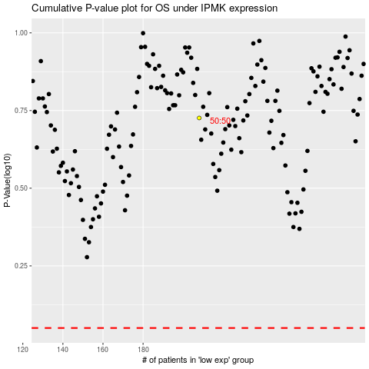

 |  |  |  |  |  | cases_OS | p_OS | rank | exp
 |  |  |  |  |  |  | cases_RFS | p_RFS | rank | exp

