IPO13 _multivariate
Reported by Tex Li-Hsing Chi. tex@gate.sinica.edu.tw 2019-08-18

Table 2. The clinicopathological features of HNSCC cohort and IPO13 expression. (Chi square test)
Cutoff at -0.19 (50.0%)
 |  | IPO13 expression |  | IPO13 expression |  | (Optimised)
 | Features | Low | (%) | High | (%) | Case no | P-value | Remark | Matthews
Gender | Female | 153 | 36.9 | 153 | 36.9 | 415 | 1 | 0 | 0
2 | Male | 54 | 13 | 55 | 13.3
Age at diagnosis | <=65y | 128 | 30.8 | 146 | 35.2 | 415 | 0.0904 | 0 | 0
4 | >65y | 79 | 19 | 62 | 14.9
Clinical T Status | T1+T2 | 77 | 18.6 | 72 | 17.3 | 415 | 0.6556 | 0 | 0
6 | T3+T4 | 130 | 31.3 | 136 | 32.8
Clinical N Status | N0 | 103 | 24.8 | 113 | 27.2 | 415 | 0.4047 | 0 | 0
8 | N1-3 | 104 | 25.1 | 95 | 22.9
Clinical M Status | M0 | 206 | 49.6 | 206 | 49.6 | 415 | 1 | 0 | 0
10 | M1 | 1 | 0.2 | 2 | 0.5
Clinical Stage | Stage I+II | 49 | 11.8 | 53 | 12.8 | 415 | 0.7535 | 0 | 0
12 | Stage III+IV | 158 | 38.1 | 155 | 37.3
Surgical Margin status | Negative | 149 | 35.9 | 169 | 40.7 | 415 | 0.0278 | 1 | 0
14 | Positive | 58 | 14 | 39 | 9.4
Tobacco Exposure | Low | 79 | 19 | 82 | 19.8 | 415 | 0.8405 | 0 | 0
16 | High | 128 | 30.8 | 126 | 30.4

Table 3. Univariate/Multivariate Cox's proportional hazards regression analyses on OS time of IPO13 gene expression in HNSCC

 |  | Univariate |  |  |  | Multivariate
 | Features | HR | CI95%(L) | CI95%(H) | P-value | HR | CI95%(L) | CI95%(H) | P-value
1 | Female | 1 |  |  |  | 1
Gender | Male | 1.157 | 0.843 | 1.587 | 0.367 | 1.202 | 0.861 | 1.68 | 0.28
11 | <=65y | 1 |  |  |  | 1
Age at diagnosis | >65y | 1.329 | 0.99 | 1.784 | 0.058 | 1.391 | 1.023 | 1.891 | 0.035
12 | T1+T2 | 1 |  |  |  | 1
Clinical T Status | T3+T4 | 1.409 | 1.028 | 1.931 | 0.033 | 2.211 | 1.167 | 4.19 | 0.015
13 | N0 | 1 |  |  |  | 1
Clinical N Status | N1-3 | 1.185 | 0.89 | 1.577 | 0.246 | 1.241 | 0.87 | 1.771 | 0.234
14 | M0 | 1 |  |  |  | 1
Clinical M Status | M1 | 4.097 | 1.009 | 16.644 | 0.049 | 9.502 | 2.059 | 43.845 | 0.004
15 | Stage I+II | 1 |  |  |  | 1
Clinical Stage | Stage III+IV | 1.245 | 0.882 | 1.759 | 0.213 | 0.502 | 0.233 | 1.081 | 0.078
16 | Negative | 1 |  |  |  | 1
Surgical Margin status | Positive | 1.591 | 1.155 | 2.191 | 0.004 | 1.669 | 1.207 | 2.308 | 0.002
17 | Low | 1 |  |  |  | 1
Tobacco Exposure | High | 1.364 | 1.008 | 1.844 | 0.044 | 1.453 | 1.055 | 2.002 | 0.022
18 | Low | 1 |  |  |  | 1
RNAseq(z-score) | High | 0.982 | 0.736 | 1.311 | 0.902 | 0.98 | 0.731 | 1.312 | 0.89

Table 4. Univariate/Multivariate Cox's proportional hazards regression analyses on RFS time of IPO13 gene expression in HNSCC

 |  | Univariate |  |  |  | Multivariate
 | Features | HR | CI95%(L) | CI95%(H) | P-value | HR | CI95%(L) | CI95%(H) | P-value
1 | Female | 1 |  |  |  | 1
Gender | Male | 1.157 | 0.843 | 1.587 | 0.367 | 1.202 | 0.861 | 1.68 | 0.28
11 | <=65y | 1 |  |  |  | 1
Age at diagnosis | >65y | 1.329 | 0.99 | 1.784 | 0.058 | 1.391 | 1.023 | 1.891 | 0.035
12 | T1+T2 | 1 |  |  |  | 1
Clinical T Status | T3+T4 | 1.409 | 1.028 | 1.931 | 0.033 | 2.211 | 1.167 | 4.19 | 0.015
13 | N0 | 1 |  |  |  | 1
Clinical N Status | N1-3 | 1.185 | 0.89 | 1.577 | 0.246 | 1.241 | 0.87 | 1.771 | 0.234
14 | M0 | 1 |  |  |  | 1
Clinical M Status | M1 | 4.097 | 1.009 | 16.644 | 0.049 | 9.502 | 2.059 | 43.845 | 0.004
15 | Stage I+II | 1 |  |  |  | 1
Clinical Stage | Stage III+IV | 1.245 | 0.882 | 1.759 | 0.213 | 0.502 | 0.233 | 1.081 | 0.078
16 | Negative | 1 |  |  |  | 1
Surgical Margin status | Positive | 1.591 | 1.155 | 2.191 | 0.004 | 1.669 | 1.207 | 2.308 | 0.002
17 | Low | 1 |  |  |  | 1
Tobacco Exposure | High | 1.364 | 1.008 | 1.844 | 0.044 | 1.453 | 1.055 | 2.002 | 0.022
18 | Low | 1 |  |  |  | 1
RNAseq(z-score) | High | 0.982 | 0.736 | 1.311 | 0.902 | 0.98 | 0.731 | 1.312 | 0.89

Kaplan-Meier survival estimate: Cutoff at -0.19 (50.0%)



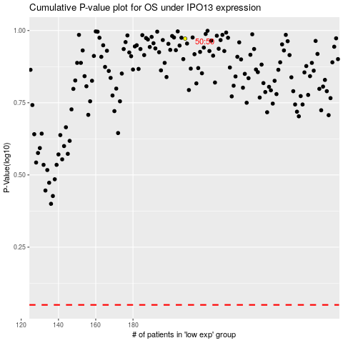

 |  |  |  |  |  | cases_OS | p_OS | rank | exp
 |  |  |  |  |  |  | cases_RFS | p_RFS | rank | exp

