IPO4 _multivariate
Reported by Tex Li-Hsing Chi. tex@gate.sinica.edu.tw 2019-08-18

Table 2. The clinicopathological features of HNSCC cohort and IPO4 expression. (Chi square test)
Cutoff at -0.52 (30.2%)
 |  | IPO4 expression |  | IPO4 expression |  | (Optimised)
 | Features | Low | (%) | High | (%) | Case no | P-value | Remark | Matthews
Gender | Female | 94 | 22.7 | 212 | 51.1 | 415 | 0.8854 | 0 | 0
2 | Male | 32 | 7.7 | 77 | 18.6
Age at diagnosis | <=65y | 83 | 20 | 191 | 46 | 415 | 1 | 0 | 0
4 | >65y | 43 | 10.4 | 98 | 23.6
Clinical T Status | T1+T2 | 50 | 12 | 99 | 23.9 | 415 | 0.343 | 0 | 0
6 | T3+T4 | 76 | 18.3 | 190 | 45.8
Clinical N Status | N0 | 68 | 16.4 | 148 | 35.7 | 415 | 0.6817 | 0 | 0
8 | N1-3 | 58 | 14 | 141 | 34
Clinical M Status | M0 | 124 | 29.9 | 288 | 69.4 | 415 | 0.22 | 0 | 0
10 | M1 | 2 | 0.5 | 1 | 0.2
Clinical Stage | Stage I+II | 31 | 7.5 | 71 | 17.1 | 415 | 1 | 0 | 0
12 | Stage III+IV | 95 | 22.9 | 218 | 52.5
Surgical Margin status | Negative | 94 | 22.7 | 224 | 54 | 415 | 0.53 | 0 | 0
14 | Positive | 32 | 7.7 | 65 | 15.7
Tobacco Exposure | Low | 62 | 14.9 | 99 | 23.9 | 415 | 0.0045 | 1 | 0
16 | High | 64 | 15.4 | 190 | 45.8

Table 3. Univariate/Multivariate Cox's proportional hazards regression analyses on OS time of IPO4 gene expression in HNSCC

 |  | Univariate |  |  |  | Multivariate
 | Features | HR | CI95%(L) | CI95%(H) | P-value | HR | CI95%(L) | CI95%(H) | P-value
1 | Female | 1 |  |  |  | 1
Gender | Male | 1.157 | 0.843 | 1.587 | 0.367 | 1.161 | 0.828 | 1.628 | 0.386
11 | <=65y | 1 |  |  |  | 1
Age at diagnosis | >65y | 1.329 | 0.99 | 1.784 | 0.058 | 1.377 | 1.013 | 1.873 | 0.041
12 | T1+T2 | 1 |  |  |  | 1
Clinical T Status | T3+T4 | 1.409 | 1.028 | 1.931 | 0.033 | 2.136 | 1.13 | 4.038 | 0.019
13 | N0 | 1 |  |  |  | 1
Clinical N Status | N1-3 | 1.185 | 0.89 | 1.577 | 0.246 | 1.226 | 0.858 | 1.752 | 0.263
14 | M0 | 1 |  |  |  | 1
Clinical M Status | M1 | 4.097 | 1.009 | 16.644 | 0.049 | 11.371 | 2.462 | 52.515 | 0.002
15 | Stage I+II | 1 |  |  |  | 1
Clinical Stage | Stage III+IV | 1.245 | 0.882 | 1.759 | 0.213 | 0.526 | 0.245 | 1.131 | 0.1
16 | Negative | 1 |  |  |  | 1
Surgical Margin status | Positive | 1.591 | 1.155 | 2.191 | 0.004 | 1.706 | 1.236 | 2.356 | 0.001
17 | Low | 1 |  |  |  | 1
Tobacco Exposure | High | 1.364 | 1.008 | 1.844 | 0.044 | 1.392 | 1.01 | 1.92 | 0.043
18 | Low | 1 |  |  |  | 1
RNAseq(z-score) | High | 1.597 | 1.141 | 2.237 | 0.006 | 1.563 | 1.111 | 2.198 | 0.01

Table 4. Univariate/Multivariate Cox's proportional hazards regression analyses on RFS time of IPO4 gene expression in HNSCC

 |  | Univariate |  |  |  | Multivariate
 | Features | HR | CI95%(L) | CI95%(H) | P-value | HR | CI95%(L) | CI95%(H) | P-value
1 | Female | 1 |  |  |  | 1
Gender | Male | 1.157 | 0.843 | 1.587 | 0.367 | 1.161 | 0.828 | 1.628 | 0.386
11 | <=65y | 1 |  |  |  | 1
Age at diagnosis | >65y | 1.329 | 0.99 | 1.784 | 0.058 | 1.377 | 1.013 | 1.873 | 0.041
12 | T1+T2 | 1 |  |  |  | 1
Clinical T Status | T3+T4 | 1.409 | 1.028 | 1.931 | 0.033 | 2.136 | 1.13 | 4.038 | 0.019
13 | N0 | 1 |  |  |  | 1
Clinical N Status | N1-3 | 1.185 | 0.89 | 1.577 | 0.246 | 1.226 | 0.858 | 1.752 | 0.263
14 | M0 | 1 |  |  |  | 1
Clinical M Status | M1 | 4.097 | 1.009 | 16.644 | 0.049 | 11.371 | 2.462 | 52.515 | 0.002
15 | Stage I+II | 1 |  |  |  | 1
Clinical Stage | Stage III+IV | 1.245 | 0.882 | 1.759 | 0.213 | 0.526 | 0.245 | 1.131 | 0.1
16 | Negative | 1 |  |  |  | 1
Surgical Margin status | Positive | 1.591 | 1.155 | 2.191 | 0.004 | 1.706 | 1.236 | 2.356 | 0.001
17 | Low | 1 |  |  |  | 1
Tobacco Exposure | High | 1.364 | 1.008 | 1.844 | 0.044 | 1.392 | 1.01 | 1.92 | 0.043
18 | Low | 1 |  |  |  | 1
RNAseq(z-score) | High | 1.597 | 1.141 | 2.237 | 0.006 | 1.563 | 1.111 | 2.198 | 0.01

Kaplan-Meier survival estimate: Cutoff at -0.52 (30.2%)

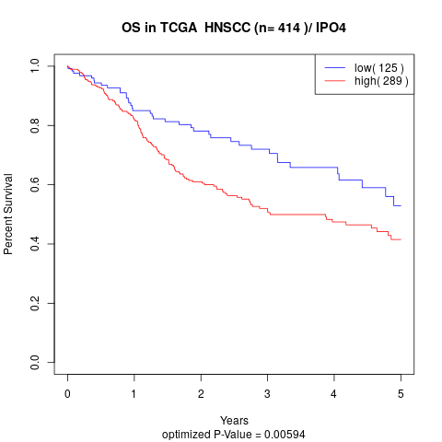

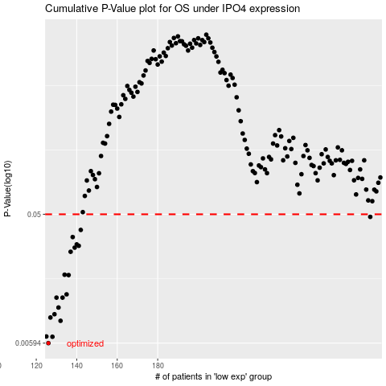

 |  |  |  |  |  | cases_OS | p_OS | rank | exp
 |  |  |  |  |  | 126 | 0.00594 | 283 | -0.51980144009
 |  |  |  |  |  | 128 | 0.0066 | 69 | -0.50623260418
 |  |  |  |  |  | 125 | 0.00663 | 348 | -0.52591966126
 |  |  |  |  |  | 132 | 0.00859 | 199 | -0.49171535235
 |  |  |  |  |  | 127 | 0.00907 | 45 | -0.50843537663
 |  |  |  |  |  | 129 | 0.00958 | 74 | -0.50437390407
 |  |  |  |  |  | 131 | 0.0107 | 329 | -0.4978915101
 |  |  |  |  |  | 130 | 0.0126 | 53 | -0.49944559976
 |  |  |  |  |  | 133 | 0.0126 | 223 | -0.48969703105
 |  |  |  |  |  | 135 | 0.0133 | 253 | -0.47475678306
 |  |  |  |  |  | 136 | 0.0183 | 85 | -0.46946031543
 |  |  |  |  |  | 134 | 0.0184 | 140 | -0.48753342491
 |  |  |  |  |  | 137 | 0.0269 | 375 | -0.46764477217
 |  |  |  |  |  | 139 | 0.0288 | 280 | -0.46548722572
 |  |  |  |  |  | 141 | 0.0297 | 86 | -0.45839723664
 |  |  |  |  |  | 140 | 0.0304 | 172 | -0.46215572452
 |  |  |  |  |  | 138 | 0.0343 | 288 | -0.46641864494
 |  |  |  |  |  | 142 | 0.0386 | 97 | -0.45011186218
 |  |  |  |  |  | 285 | 0.0479 | 117 | 0.3051363996
 |  |  |  |  |  |  | cases_RFS | p_RFS | rank | exp
 |  |  |  |  |  |  | 125 | 0.00594 | 348 | -0.52591966126
 |  |  |  |  |  |  | 127 | 0.0066 | 45 | -0.50843537663
 |  |  |  |  |  |  |  | 0.00663 | 248 | -0.52684708995
 |  |  |  |  |  |  | 131 | 0.00859 | 329 | -0.4978915101
 |  |  |  |  |  |  | 126 | 0.00907 | 283 | -0.51980144009
 |  |  |  |  |  |  | 128 | 0.00958 | 69 | -0.50623260418
 |  |  |  |  |  |  | 130 | 0.0107 | 53 | -0.49944559976
 |  |  |  |  |  |  | 129 | 0.0126 | 74 | -0.50437390407
 |  |  |  |  |  |  | 132 | 0.0126 | 199 | -0.49171535235
 |  |  |  |  |  |  | 134 | 0.0133 | 140 | -0.48753342491
 |  |  |  |  |  |  | 135 | 0.0183 | 253 | -0.47475678306
 |  |  |  |  |  |  | 133 | 0.0184 | 223 | -0.48969703105
 |  |  |  |  |  |  | 136 | 0.0269 | 85 | -0.46946031543
 |  |  |  |  |  |  | 138 | 0.0288 | 288 | -0.46641864494
 |  |  |  |  |  |  | 140 | 0.0297 | 172 | -0.46215572452
 |  |  |  |  |  |  | 139 | 0.0304 | 280 | -0.46548722572
 |  |  |  |  |  |  | 137 | 0.0343 | 375 | -0.46764477217
 |  |  |  |  |  |  | 141 | 0.0386 | 86 | -0.45839723664
 |  |  |  |  |  |  | 284 | 0.0479 | 109 | 0.27555386318

