IPO8 _multivariate
Reported by Tex Li-Hsing Chi. tex@gate.sinica.edu.tw 2019-08-18

Table 2. The clinicopathological features of HNSCC cohort and IPO8 expression. (Chi square test)
Cutoff at -0.237 (41.3%)
 |  | IPO8 expression |  | IPO8 expression |  | (Optimised)
 | Features | Low | (%) | High | (%) | Case no | P-value | Remark | Matthews
Gender | Female | 132 | 31.8 | 174 | 41.9 | 415 | 0.2199 | 0 | 0
2 | Male | 39 | 9.4 | 70 | 16.9
Age at diagnosis | <=65y | 119 | 28.7 | 155 | 37.3 | 415 | 0.2384 | 0 | 0
4 | >65y | 52 | 12.5 | 89 | 21.4
Clinical T Status | T1+T2 | 51 | 12.3 | 98 | 23.6 | 415 | 0.0397 | 1 | 0
6 | T3+T4 | 120 | 28.9 | 146 | 35.2
Clinical N Status | N0 | 85 | 20.5 | 131 | 31.6 | 415 | 0.4844 | 0 | 0
8 | N1-3 | 86 | 20.7 | 113 | 27.2
Clinical M Status | M0 | 169 | 40.7 | 243 | 58.6 | 415 | 0.5713 | 0 | 0
10 | M1 | 2 | 0.5 | 1 | 0.2
Clinical Stage | Stage I+II | 31 | 7.5 | 71 | 17.1 | 415 | 0.0147 | 1 | 0
12 | Stage III+IV | 140 | 33.7 | 173 | 41.7
Surgical Margin status | Negative | 128 | 30.8 | 190 | 45.8 | 415 | 0.4819 | 0 | 0
14 | Positive | 43 | 10.4 | 54 | 13
Tobacco Exposure | Low | 67 | 16.1 | 94 | 22.7 | 415 | 0.9187 | 0 | 0
16 | High | 104 | 25.1 | 150 | 36.1

Table 3. Univariate/Multivariate Cox's proportional hazards regression analyses on OS time of IPO8 gene expression in HNSCC

 |  | Univariate |  |  |  | Multivariate
 | Features | HR | CI95%(L) | CI95%(H) | P-value | HR | CI95%(L) | CI95%(H) | P-value
1 | Female | 1 |  |  |  | 1
Gender | Male | 1.157 | 0.843 | 1.587 | 0.367 | 1.22 | 0.874 | 1.703 | 0.243
11 | <=65y | 1 |  |  |  | 1
Age at diagnosis | >65y | 1.329 | 0.99 | 1.784 | 0.058 | 1.377 | 1.012 | 1.874 | 0.042
12 | T1+T2 | 1 |  |  |  | 1
Clinical T Status | T3+T4 | 1.409 | 1.028 | 1.931 | 0.033 | 2.339 | 1.234 | 4.434 | 0.009
13 | N0 | 1 |  |  |  | 1
Clinical N Status | N1-3 | 1.185 | 0.89 | 1.577 | 0.246 | 1.219 | 0.854 | 1.74 | 0.275
14 | M0 | 1 |  |  |  | 1
Clinical M Status | M1 | 4.097 | 1.009 | 16.644 | 0.049 | 11.433 | 2.47 | 52.931 | 0.002
15 | Stage I+II | 1 |  |  |  | 1
Clinical Stage | Stage III+IV | 1.245 | 0.882 | 1.759 | 0.213 | 0.499 | 0.233 | 1.071 | 0.074
16 | Negative | 1 |  |  |  | 1
Surgical Margin status | Positive | 1.591 | 1.155 | 2.191 | 0.004 | 1.725 | 1.246 | 2.389 | 0.001
17 | Low | 1 |  |  |  | 1
Tobacco Exposure | High | 1.364 | 1.008 | 1.844 | 0.044 | 1.451 | 1.052 | 2.001 | 0.023
18 | Low | 1 |  |  |  | 1
RNAseq(z-score) | High | 1.354 | 1.005 | 1.824 | 0.046 | 1.437 | 1.063 | 1.944 | 0.019

Table 4. Univariate/Multivariate Cox's proportional hazards regression analyses on RFS time of IPO8 gene expression in HNSCC

 |  | Univariate |  |  |  | Multivariate
 | Features | HR | CI95%(L) | CI95%(H) | P-value | HR | CI95%(L) | CI95%(H) | P-value
1 | Female | 1 |  |  |  | 1
Gender | Male | 1.157 | 0.843 | 1.587 | 0.367 | 1.22 | 0.874 | 1.703 | 0.243
11 | <=65y | 1 |  |  |  | 1
Age at diagnosis | >65y | 1.329 | 0.99 | 1.784 | 0.058 | 1.377 | 1.012 | 1.874 | 0.042
12 | T1+T2 | 1 |  |  |  | 1
Clinical T Status | T3+T4 | 1.409 | 1.028 | 1.931 | 0.033 | 2.339 | 1.234 | 4.434 | 0.009
13 | N0 | 1 |  |  |  | 1
Clinical N Status | N1-3 | 1.185 | 0.89 | 1.577 | 0.246 | 1.219 | 0.854 | 1.74 | 0.275
14 | M0 | 1 |  |  |  | 1
Clinical M Status | M1 | 4.097 | 1.009 | 16.644 | 0.049 | 11.433 | 2.47 | 52.931 | 0.002
15 | Stage I+II | 1 |  |  |  | 1
Clinical Stage | Stage III+IV | 1.245 | 0.882 | 1.759 | 0.213 | 0.499 | 0.233 | 1.071 | 0.074
16 | Negative | 1 |  |  |  | 1
Surgical Margin status | Positive | 1.591 | 1.155 | 2.191 | 0.004 | 1.725 | 1.246 | 2.389 | 0.001
17 | Low | 1 |  |  |  | 1
Tobacco Exposure | High | 1.364 | 1.008 | 1.844 | 0.044 | 1.451 | 1.052 | 2.001 | 0.023
18 | Low | 1 |  |  |  | 1
RNAseq(z-score) | High | 1.354 | 1.005 | 1.824 | 0.046 | 1.437 | 1.063 | 1.944 | 0.019

Kaplan-Meier survival estimate: Cutoff at -0.237 (41.3%)

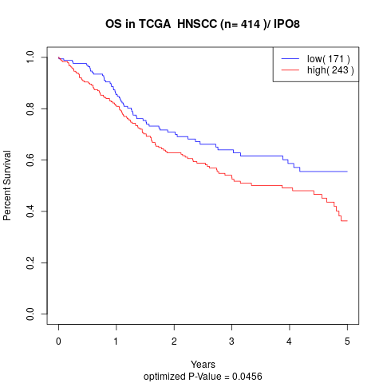

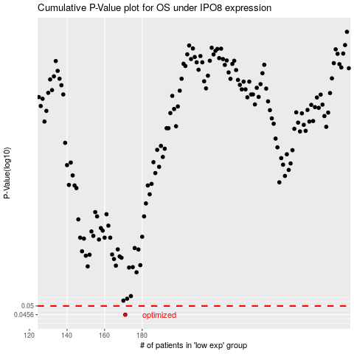

 |  |  |  |  |  | cases_OS | p_OS | rank | exp
 |  |  |  |  |  | 171 | 0.0456 | 87 | -0.23689633634
 |  |  |  |  |  |  | cases_RFS | p_RFS | rank | exp
 |  |  |  |  |  |  | 170 | 0.0456 | 235 | -0.23838661547

