IPP _multivariate
Reported by Tex Li-Hsing Chi. tex@gate.sinica.edu.tw 2019-08-18

Table 2. The clinicopathological features of HNSCC cohort and IPP expression. (Chi square test)
Cutoff at 0.215 (66.2%)
 |  | IPP expression |  | IPP expression |  | (Optimised)
 | Features | Low | (%) | High | (%) | Case no | P-value | Remark | Matthews
Gender | Female | 203 | 48.9 | 103 | 24.8 | 415 | 1 | 0 | 0
2 | Male | 72 | 17.3 | 37 | 8.9
Age at diagnosis | <=65y | 181 | 43.6 | 93 | 22.4 | 415 | 0.9884 | 0 | 0
4 | >65y | 94 | 22.7 | 47 | 11.3
Clinical T Status | T1+T2 | 95 | 22.9 | 54 | 13 | 415 | 0.4839 | 0 | 0
6 | T3+T4 | 180 | 43.4 | 86 | 20.7
Clinical N Status | N0 | 139 | 33.5 | 77 | 18.6 | 415 | 0.4503 | 0 | 0
8 | N1-3 | 136 | 32.8 | 63 | 15.2
Clinical M Status | M0 | 273 | 65.8 | 139 | 33.5 | 415 | 1 | 0 | 0
10 | M1 | 2 | 0.5 | 1 | 0.2
Clinical Stage | Stage I+II | 66 | 15.9 | 36 | 8.7 | 415 | 0.7926 | 0 | 0
12 | Stage III+IV | 209 | 50.4 | 104 | 25.1
Surgical Margin status | Negative | 207 | 49.9 | 111 | 26.7 | 415 | 0.3922 | 0 | 0
14 | Positive | 68 | 16.4 | 29 | 7
Tobacco Exposure | Low | 107 | 25.8 | 54 | 13 | 415 | 1 | 0 | 0
16 | High | 168 | 40.5 | 86 | 20.7

Table 3. Univariate/Multivariate Cox's proportional hazards regression analyses on OS time of IPP gene expression in HNSCC

 |  | Univariate |  |  |  | Multivariate
 | Features | HR | CI95%(L) | CI95%(H) | P-value | HR | CI95%(L) | CI95%(H) | P-value
1 | Female | 1 |  |  |  | 1
Gender | Male | 1.157 | 0.843 | 1.587 | 0.367 | 1.205 | 0.86 | 1.687 | 0.278
11 | <=65y | 1 |  |  |  | 1
Age at diagnosis | >65y | 1.329 | 0.99 | 1.784 | 0.058 | 1.403 | 1.031 | 1.908 | 0.031
12 | T1+T2 | 1 |  |  |  | 1
Clinical T Status | T3+T4 | 1.409 | 1.028 | 1.931 | 0.033 | 2.162 | 1.144 | 4.089 | 0.018
13 | N0 | 1 |  |  |  | 1
Clinical N Status | N1-3 | 1.185 | 0.89 | 1.577 | 0.246 | 1.212 | 0.85 | 1.729 | 0.289
14 | M0 | 1 |  |  |  | 1
Clinical M Status | M1 | 4.097 | 1.009 | 16.644 | 0.049 | 9.472 | 2.066 | 43.434 | 0.004
15 | Stage I+II | 1 |  |  |  | 1
Clinical Stage | Stage III+IV | 1.245 | 0.882 | 1.759 | 0.213 | 0.516 | 0.24 | 1.107 | 0.089
16 | Negative | 1 |  |  |  | 1
Surgical Margin status | Positive | 1.591 | 1.155 | 2.191 | 0.004 | 1.635 | 1.183 | 2.259 | 0.003
17 | Low | 1 |  |  |  | 1
Tobacco Exposure | High | 1.364 | 1.008 | 1.844 | 0.044 | 1.451 | 1.05 | 2.003 | 0.024
18 | Low | 1 |  |  |  | 1
RNAseq(z-score) | High | 0.689 | 0.502 | 0.943 | 0.02 | 0.72 | 0.525 | 0.989 | 0.043

Table 4. Univariate/Multivariate Cox's proportional hazards regression analyses on RFS time of IPP gene expression in HNSCC

 |  | Univariate |  |  |  | Multivariate
 | Features | HR | CI95%(L) | CI95%(H) | P-value | HR | CI95%(L) | CI95%(H) | P-value
1 | Female | 1 |  |  |  | 1
Gender | Male | 1.157 | 0.843 | 1.587 | 0.367 | 1.205 | 0.86 | 1.687 | 0.278
11 | <=65y | 1 |  |  |  | 1
Age at diagnosis | >65y | 1.329 | 0.99 | 1.784 | 0.058 | 1.403 | 1.031 | 1.908 | 0.031
12 | T1+T2 | 1 |  |  |  | 1
Clinical T Status | T3+T4 | 1.409 | 1.028 | 1.931 | 0.033 | 2.162 | 1.144 | 4.089 | 0.018
13 | N0 | 1 |  |  |  | 1
Clinical N Status | N1-3 | 1.185 | 0.89 | 1.577 | 0.246 | 1.212 | 0.85 | 1.729 | 0.289
14 | M0 | 1 |  |  |  | 1
Clinical M Status | M1 | 4.097 | 1.009 | 16.644 | 0.049 | 9.472 | 2.066 | 43.434 | 0.004
15 | Stage I+II | 1 |  |  |  | 1
Clinical Stage | Stage III+IV | 1.245 | 0.882 | 1.759 | 0.213 | 0.516 | 0.24 | 1.107 | 0.089
16 | Negative | 1 |  |  |  | 1
Surgical Margin status | Positive | 1.591 | 1.155 | 2.191 | 0.004 | 1.635 | 1.183 | 2.259 | 0.003
17 | Low | 1 |  |  |  | 1
Tobacco Exposure | High | 1.364 | 1.008 | 1.844 | 0.044 | 1.451 | 1.05 | 2.003 | 0.024
18 | Low | 1 |  |  |  | 1
RNAseq(z-score) | High | 0.689 | 0.502 | 0.943 | 0.02 | 0.72 | 0.525 | 0.989 | 0.043

Kaplan-Meier survival estimate: Cutoff at 0.215 (66.2%)

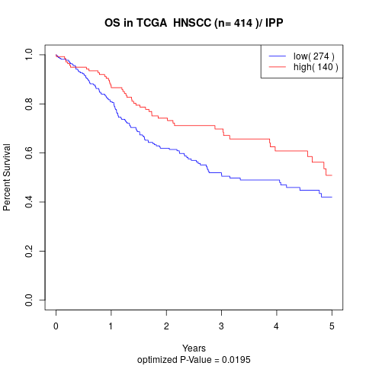

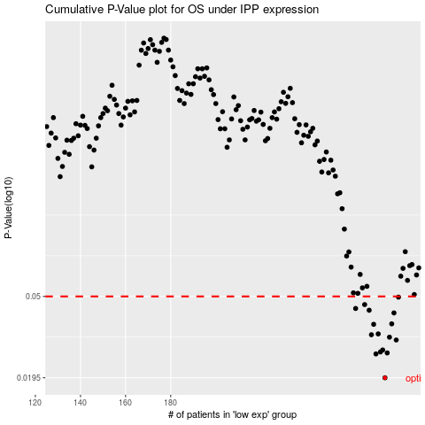

 |  |  |  |  |  | cases_OS | p_OS | rank | exp
 |  |  |  |  |  | 275 | 0.0195 | 51 | 0.21491544394
 |  |  |  |  |  | 271 | 0.0257 | 151 | 0.20736096202
 |  |  |  |  |  | 276 | 0.026 | 170 | 0.23644111453
 |  |  |  |  |  | 273 | 0.0263 | 172 | 0.2117595922
 |  |  |  |  |  | 274 | 0.0269 | 62 | 0.21281681692
 |  |  |  |  |  | 280 | 0.0302 | 219 | 0.24518227725
 |  |  |  |  |  | 277 | 0.0312 | 171 | 0.23757313609
 |  |  |  |  |  | 269 | 0.0321 | 29 | 0.1863631846
 |  |  |  |  |  | 272 | 0.0324 | 215 | 0.21008385507
 |  |  |  |  |  | 270 | 0.0362 | 283 | 0.18748082215
 |  |  |  |  |  | 278 | 0.0364 | 383 | 0.24108571127
 |  |  |  |  |  | 279 | 0.0413 | 204 | 0.24236876494
 |  |  |  |  |  | 268 | 0.0426 | 186 | 0.17931645822
 |  |  |  |  |  | 262 | 0.0435 | 392 | 0.15546057806
 |  |  |  |  |  | 266 | 0.0455 | 121 | 0.17026460089
 |  |  |  |  |  | 281 | 0.0496 | 50 | 0.25728642145
 |  |  |  |  |  |  | cases_RFS | p_RFS | rank | exp
 |  |  |  |  |  |  | 274 | 0.0195 | 62 | 0.21281681692
 |  |  |  |  |  |  | 270 | 0.0257 | 283 | 0.18748082215
 |  |  |  |  |  |  | 275 | 0.026 | 51 | 0.21491544394
 |  |  |  |  |  |  | 272 | 0.0263 | 215 | 0.21008385507
 |  |  |  |  |  |  | 273 | 0.0269 | 172 | 0.2117595922
 |  |  |  |  |  |  | 279 | 0.0302 | 204 | 0.24236876494
 |  |  |  |  |  |  | 276 | 0.0312 | 170 | 0.23644111453
 |  |  |  |  |  |  | 268 | 0.0321 | 186 | 0.17931645822
 |  |  |  |  |  |  | 271 | 0.0324 | 151 | 0.20736096202
 |  |  |  |  |  |  | 269 | 0.0362 | 29 | 0.1863631846
 |  |  |  |  |  |  | 277 | 0.0364 | 171 | 0.23757313609
 |  |  |  |  |  |  | 278 | 0.0413 | 383 | 0.24108571127
 |  |  |  |  |  |  | 267 | 0.0426 | 58 | 0.17157642258
 |  |  |  |  |  |  | 261 | 0.0435 | 323 | 0.14627063423
 |  |  |  |  |  |  | 265 | 0.0455 | 56 | 0.16819905709
 |  |  |  |  |  |  | 280 | 0.0496 | 219 | 0.24518227725

