IPPK _multivariate
Reported by Tex Li-Hsing Chi. tex@gate.sinica.edu.tw 2019-08-18

Table 2. The clinicopathological features of HNSCC cohort and IPPK expression. (Chi square test)
Cutoff at -0.216 (50.0%)
 |  | IPPK expression |  | IPPK expression |  | (Optimised)
 | Features | Low | (%) | High | (%) | Case no | P-value | Remark | Matthews
Gender | Female | 159 | 38.3 | 147 | 35.4 | 415 | 0.1905 | 0 | 0
2 | Male | 48 | 11.6 | 61 | 14.7
Age at diagnosis | <=65y | 147 | 35.4 | 127 | 30.6 | 415 | 0.0416 | 1 | 0
4 | >65y | 60 | 14.5 | 81 | 19.5
Clinical T Status | T1+T2 | 78 | 18.8 | 71 | 17.1 | 415 | 0.5152 | 0 | 0
6 | T3+T4 | 129 | 31.1 | 137 | 33
Clinical N Status | N0 | 97 | 23.4 | 119 | 28.7 | 415 | 0.0442 | 1 | 0
8 | N1-3 | 110 | 26.5 | 89 | 21.4
Clinical M Status | M0 | 206 | 49.6 | 206 | 49.6 | 415 | 1 | 0 | 0
10 | M1 | 1 | 0.2 | 2 | 0.5
Clinical Stage | Stage I+II | 46 | 11.1 | 56 | 13.5 | 415 | 0.3182 | 0 | 0
12 | Stage III+IV | 161 | 38.8 | 152 | 36.6
Surgical Margin status | Negative | 155 | 37.3 | 163 | 39.3 | 415 | 0.4187 | 0 | 0
14 | Positive | 52 | 12.5 | 45 | 10.8
Tobacco Exposure | Low | 77 | 18.6 | 84 | 20.2 | 415 | 0.5459 | 0 | 0
16 | High | 130 | 31.3 | 124 | 29.9

Table 3. Univariate/Multivariate Cox's proportional hazards regression analyses on OS time of IPPK gene expression in HNSCC

 |  | Univariate |  |  |  | Multivariate
 | Features | HR | CI95%(L) | CI95%(H) | P-value | HR | CI95%(L) | CI95%(H) | P-value
1 | Female | 1 |  |  |  | 1
Gender | Male | 1.157 | 0.843 | 1.587 | 0.367 | 1.207 | 0.864 | 1.687 | 0.27
11 | <=65y | 1 |  |  |  | 1
Age at diagnosis | >65y | 1.329 | 0.99 | 1.784 | 0.058 | 1.404 | 1.031 | 1.911 | 0.031
12 | T1+T2 | 1 |  |  |  | 1
Clinical T Status | T3+T4 | 1.409 | 1.028 | 1.931 | 0.033 | 2.226 | 1.176 | 4.213 | 0.014
13 | N0 | 1 |  |  |  | 1
Clinical N Status | N1-3 | 1.185 | 0.89 | 1.577 | 0.246 | 1.23 | 0.861 | 1.758 | 0.255
14 | M0 | 1 |  |  |  | 1
Clinical M Status | M1 | 4.097 | 1.009 | 16.644 | 0.049 | 9.621 | 2.094 | 44.206 | 0.004
15 | Stage I+II | 1 |  |  |  | 1
Clinical Stage | Stage III+IV | 1.245 | 0.882 | 1.759 | 0.213 | 0.499 | 0.232 | 1.072 | 0.075
16 | Negative | 1 |  |  |  | 1
Surgical Margin status | Positive | 1.591 | 1.155 | 2.191 | 0.004 | 1.669 | 1.208 | 2.306 | 0.002
17 | Low | 1 |  |  |  | 1
Tobacco Exposure | High | 1.364 | 1.008 | 1.844 | 0.044 | 1.454 | 1.055 | 2.003 | 0.022
18 | Low | 1 |  |  |  | 1
RNAseq(z-score) | High | 0.963 | 0.723 | 1.282 | 0.795 | 0.923 | 0.689 | 1.236 | 0.589

Table 4. Univariate/Multivariate Cox's proportional hazards regression analyses on RFS time of IPPK gene expression in HNSCC

 |  | Univariate |  |  |  | Multivariate
 | Features | HR | CI95%(L) | CI95%(H) | P-value | HR | CI95%(L) | CI95%(H) | P-value
1 | Female | 1 |  |  |  | 1
Gender | Male | 1.157 | 0.843 | 1.587 | 0.367 | 1.207 | 0.864 | 1.687 | 0.27
11 | <=65y | 1 |  |  |  | 1
Age at diagnosis | >65y | 1.329 | 0.99 | 1.784 | 0.058 | 1.404 | 1.031 | 1.911 | 0.031
12 | T1+T2 | 1 |  |  |  | 1
Clinical T Status | T3+T4 | 1.409 | 1.028 | 1.931 | 0.033 | 2.226 | 1.176 | 4.213 | 0.014
13 | N0 | 1 |  |  |  | 1
Clinical N Status | N1-3 | 1.185 | 0.89 | 1.577 | 0.246 | 1.23 | 0.861 | 1.758 | 0.255
14 | M0 | 1 |  |  |  | 1
Clinical M Status | M1 | 4.097 | 1.009 | 16.644 | 0.049 | 9.621 | 2.094 | 44.206 | 0.004
15 | Stage I+II | 1 |  |  |  | 1
Clinical Stage | Stage III+IV | 1.245 | 0.882 | 1.759 | 0.213 | 0.499 | 0.232 | 1.072 | 0.075
16 | Negative | 1 |  |  |  | 1
Surgical Margin status | Positive | 1.591 | 1.155 | 2.191 | 0.004 | 1.669 | 1.208 | 2.306 | 0.002
17 | Low | 1 |  |  |  | 1
Tobacco Exposure | High | 1.364 | 1.008 | 1.844 | 0.044 | 1.454 | 1.055 | 2.003 | 0.022
18 | Low | 1 |  |  |  | 1
RNAseq(z-score) | High | 0.963 | 0.723 | 1.282 | 0.795 | 0.923 | 0.689 | 1.236 | 0.589

Kaplan-Meier survival estimate: Cutoff at -0.216 (50.0%)



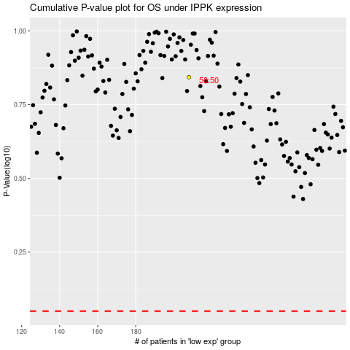

 |  |  |  |  |  | cases_OS | p_OS | rank | exp
 |  |  |  |  |  |  | cases_RFS | p_RFS | rank | exp

