IQCB1 _multivariate
Reported by Tex Li-Hsing Chi. tex@gate.sinica.edu.tw 2019-08-18

Table 2. The clinicopathological features of HNSCC cohort and IQCB1 expression. (Chi square test)
Cutoff at -0.315 (49.8%)
 |  | IQCB1 expression |  | IQCB1 expression |  | (Optimised)
 | Features | Low | (%) | High | (%) | Case no | P-value | Remark | Matthews
Gender | Female | 137 | 33 | 169 | 40.7 | 415 | 7e-04 | 1 | 0
2 | Male | 70 | 16.9 | 39 | 9.4
Age at diagnosis | <=65y | 133 | 32 | 141 | 34 | 415 | 0.5111 | 0 | 0
4 | >65y | 74 | 17.8 | 67 | 16.1
Clinical T Status | T1+T2 | 86 | 20.7 | 63 | 15.2 | 415 | 0.0221 | 1 | 0
6 | T3+T4 | 121 | 29.2 | 145 | 34.9
Clinical N Status | N0 | 111 | 26.7 | 105 | 25.3 | 415 | 0.5875 | 0 | 0
8 | N1-3 | 96 | 23.1 | 103 | 24.8
Clinical M Status | M0 | 205 | 49.4 | 207 | 49.9 | 415 | 0.6232 | 0 | 0
10 | M1 | 2 | 0.5 | 1 | 0.2
Clinical Stage | Stage I+II | 65 | 15.7 | 37 | 8.9 | 415 | 0.0019 | 1 | 0
12 | Stage III+IV | 142 | 34.2 | 171 | 41.2
Surgical Margin status | Negative | 169 | 40.7 | 149 | 35.9 | 415 | 0.0201 | 1 | 0
14 | Positive | 38 | 9.2 | 59 | 14.2
Tobacco Exposure | Low | 97 | 23.4 | 64 | 15.4 | 415 | 9e-04 | 1 | 0
16 | High | 110 | 26.5 | 144 | 34.7

Table 3. Univariate/Multivariate Cox's proportional hazards regression analyses on OS time of IQCB1 gene expression in HNSCC

 |  | Univariate |  |  |  | Multivariate
 | Features | HR | CI95%(L) | CI95%(H) | P-value | HR | CI95%(L) | CI95%(H) | P-value
1 | Female | 1 |  |  |  | 1
Gender | Male | 1.157 | 0.843 | 1.587 | 0.367 | 1.179 | 0.839 | 1.657 | 0.343
11 | <=65y | 1 |  |  |  | 1
Age at diagnosis | >65y | 1.329 | 0.99 | 1.784 | 0.058 | 1.403 | 1.031 | 1.909 | 0.031
12 | T1+T2 | 1 |  |  |  | 1
Clinical T Status | T3+T4 | 1.409 | 1.028 | 1.931 | 0.033 | 2.178 | 1.151 | 4.121 | 0.017
13 | N0 | 1 |  |  |  | 1
Clinical N Status | N1-3 | 1.185 | 0.89 | 1.577 | 0.246 | 1.233 | 0.864 | 1.76 | 0.249
14 | M0 | 1 |  |  |  | 1
Clinical M Status | M1 | 4.097 | 1.009 | 16.644 | 0.049 | 9.002 | 1.951 | 41.531 | 0.005
15 | Stage I+II | 1 |  |  |  | 1
Clinical Stage | Stage III+IV | 1.245 | 0.882 | 1.759 | 0.213 | 0.522 | 0.241 | 1.129 | 0.098
16 | Negative | 1 |  |  |  | 1
Surgical Margin status | Positive | 1.591 | 1.155 | 2.191 | 0.004 | 1.679 | 1.215 | 2.321 | 0.002
17 | Low | 1 |  |  |  | 1
Tobacco Exposure | High | 1.364 | 1.008 | 1.844 | 0.044 | 1.475 | 1.066 | 2.04 | 0.019
18 | Low | 1 |  |  |  | 1
RNAseq(z-score) | High | 0.959 | 0.721 | 1.277 | 0.776 | 0.91 | 0.67 | 1.237 | 0.548

Table 4. Univariate/Multivariate Cox's proportional hazards regression analyses on RFS time of IQCB1 gene expression in HNSCC

 |  | Univariate |  |  |  | Multivariate
 | Features | HR | CI95%(L) | CI95%(H) | P-value | HR | CI95%(L) | CI95%(H) | P-value
1 | Female | 1 |  |  |  | 1
Gender | Male | 1.157 | 0.843 | 1.587 | 0.367 | 1.179 | 0.839 | 1.657 | 0.343
11 | <=65y | 1 |  |  |  | 1
Age at diagnosis | >65y | 1.329 | 0.99 | 1.784 | 0.058 | 1.403 | 1.031 | 1.909 | 0.031
12 | T1+T2 | 1 |  |  |  | 1
Clinical T Status | T3+T4 | 1.409 | 1.028 | 1.931 | 0.033 | 2.178 | 1.151 | 4.121 | 0.017
13 | N0 | 1 |  |  |  | 1
Clinical N Status | N1-3 | 1.185 | 0.89 | 1.577 | 0.246 | 1.233 | 0.864 | 1.76 | 0.249
14 | M0 | 1 |  |  |  | 1
Clinical M Status | M1 | 4.097 | 1.009 | 16.644 | 0.049 | 9.002 | 1.951 | 41.531 | 0.005
15 | Stage I+II | 1 |  |  |  | 1
Clinical Stage | Stage III+IV | 1.245 | 0.882 | 1.759 | 0.213 | 0.522 | 0.241 | 1.129 | 0.098
16 | Negative | 1 |  |  |  | 1
Surgical Margin status | Positive | 1.591 | 1.155 | 2.191 | 0.004 | 1.679 | 1.215 | 2.321 | 0.002
17 | Low | 1 |  |  |  | 1
Tobacco Exposure | High | 1.364 | 1.008 | 1.844 | 0.044 | 1.475 | 1.066 | 2.04 | 0.019
18 | Low | 1 |  |  |  | 1
RNAseq(z-score) | High | 0.959 | 0.721 | 1.277 | 0.776 | 0.91 | 0.67 | 1.237 | 0.548

Kaplan-Meier survival estimate: Cutoff at -0.315 (49.8%)



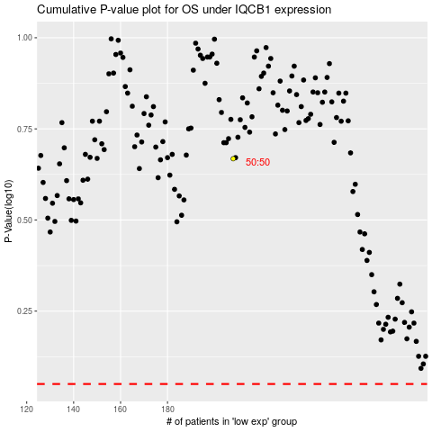

 |  |  |  |  |  | cases_OS | p_OS | rank | exp
 |  |  |  |  |  |  | cases_RFS | p_RFS | rank | exp

