IQCE _multivariate
Reported by Tex Li-Hsing Chi. tex@gate.sinica.edu.tw 2019-08-18

Table 2. The clinicopathological features of HNSCC cohort and IQCE expression. (Chi square test)
Cutoff at -0.119 (49.8%)
 |  | IQCE expression |  | IQCE expression |  | (Optimised)
 | Features | Low | (%) | High | (%) | Case no | P-value | Remark | Matthews
Gender | Female | 156 | 37.6 | 150 | 36.1 | 415 | 0.5222 | 0 | 0
2 | Male | 51 | 12.3 | 58 | 14
Age at diagnosis | <=65y | 136 | 32.8 | 138 | 33.3 | 415 | 0.9719 | 0 | 0
4 | >65y | 71 | 17.1 | 70 | 16.9
Clinical T Status | T1+T2 | 62 | 14.9 | 87 | 21 | 415 | 0.0156 | 1 | 0
6 | T3+T4 | 145 | 34.9 | 121 | 29.2
Clinical N Status | N0 | 105 | 25.3 | 111 | 26.7 | 415 | 0.6598 | 0 | 0
8 | N1-3 | 102 | 24.6 | 97 | 23.4
Clinical M Status | M0 | 207 | 49.9 | 205 | 49.4 | 415 | 0.2482 | 0 | 0
10 | M1 | 0 | 0 | 3 | 0.7
Clinical Stage | Stage I+II | 40 | 9.6 | 62 | 14.9 | 415 | 0.018 | 1 | 0
12 | Stage III+IV | 167 | 40.2 | 146 | 35.2
Surgical Margin status | Negative | 154 | 37.1 | 164 | 39.5 | 415 | 0.2984 | 0 | 0
14 | Positive | 53 | 12.8 | 44 | 10.6
Tobacco Exposure | Low | 74 | 17.8 | 87 | 21 | 415 | 0.227 | 0 | 0
16 | High | 133 | 32 | 121 | 29.2

Table 3. Univariate/Multivariate Cox's proportional hazards regression analyses on OS time of IQCE gene expression in HNSCC

 |  | Univariate |  |  |  | Multivariate
 | Features | HR | CI95%(L) | CI95%(H) | P-value | HR | CI95%(L) | CI95%(H) | P-value
1 | Female | 1 |  |  |  | 1
Gender | Male | 1.157 | 0.843 | 1.587 | 0.367 | 1.197 | 0.856 | 1.675 | 0.292
11 | <=65y | 1 |  |  |  | 1
Age at diagnosis | >65y | 1.329 | 0.99 | 1.784 | 0.058 | 1.39 | 1.022 | 1.889 | 0.036
12 | T1+T2 | 1 |  |  |  | 1
Clinical T Status | T3+T4 | 1.409 | 1.028 | 1.931 | 0.033 | 2.205 | 1.166 | 4.169 | 0.015
13 | N0 | 1 |  |  |  | 1
Clinical N Status | N1-3 | 1.185 | 0.89 | 1.577 | 0.246 | 1.248 | 0.872 | 1.785 | 0.226
14 | M0 | 1 |  |  |  | 1
Clinical M Status | M1 | 4.097 | 1.009 | 16.644 | 0.049 | 9.574 | 2.075 | 44.165 | 0.004
15 | Stage I+II | 1 |  |  |  | 1
Clinical Stage | Stage III+IV | 1.245 | 0.882 | 1.759 | 0.213 | 0.5 | 0.232 | 1.077 | 0.076
16 | Negative | 1 |  |  |  | 1
Surgical Margin status | Positive | 1.591 | 1.155 | 2.191 | 0.004 | 1.668 | 1.207 | 2.306 | 0.002
17 | Low | 1 |  |  |  | 1
Tobacco Exposure | High | 1.364 | 1.008 | 1.844 | 0.044 | 1.448 | 1.05 | 1.997 | 0.024
18 | Low | 1 |  |  |  | 1
RNAseq(z-score) | High | 0.908 | 0.682 | 1.209 | 0.51 | 0.963 | 0.718 | 1.292 | 0.802

Table 4. Univariate/Multivariate Cox's proportional hazards regression analyses on RFS time of IQCE gene expression in HNSCC

 |  | Univariate |  |  |  | Multivariate
 | Features | HR | CI95%(L) | CI95%(H) | P-value | HR | CI95%(L) | CI95%(H) | P-value
1 | Female | 1 |  |  |  | 1
Gender | Male | 1.157 | 0.843 | 1.587 | 0.367 | 1.197 | 0.856 | 1.675 | 0.292
11 | <=65y | 1 |  |  |  | 1
Age at diagnosis | >65y | 1.329 | 0.99 | 1.784 | 0.058 | 1.39 | 1.022 | 1.889 | 0.036
12 | T1+T2 | 1 |  |  |  | 1
Clinical T Status | T3+T4 | 1.409 | 1.028 | 1.931 | 0.033 | 2.205 | 1.166 | 4.169 | 0.015
13 | N0 | 1 |  |  |  | 1
Clinical N Status | N1-3 | 1.185 | 0.89 | 1.577 | 0.246 | 1.248 | 0.872 | 1.785 | 0.226
14 | M0 | 1 |  |  |  | 1
Clinical M Status | M1 | 4.097 | 1.009 | 16.644 | 0.049 | 9.574 | 2.075 | 44.165 | 0.004
15 | Stage I+II | 1 |  |  |  | 1
Clinical Stage | Stage III+IV | 1.245 | 0.882 | 1.759 | 0.213 | 0.5 | 0.232 | 1.077 | 0.076
16 | Negative | 1 |  |  |  | 1
Surgical Margin status | Positive | 1.591 | 1.155 | 2.191 | 0.004 | 1.668 | 1.207 | 2.306 | 0.002
17 | Low | 1 |  |  |  | 1
Tobacco Exposure | High | 1.364 | 1.008 | 1.844 | 0.044 | 1.448 | 1.05 | 1.997 | 0.024
18 | Low | 1 |  |  |  | 1
RNAseq(z-score) | High | 0.908 | 0.682 | 1.209 | 0.51 | 0.963 | 0.718 | 1.292 | 0.802

Kaplan-Meier survival estimate: Cutoff at -0.119 (49.8%)



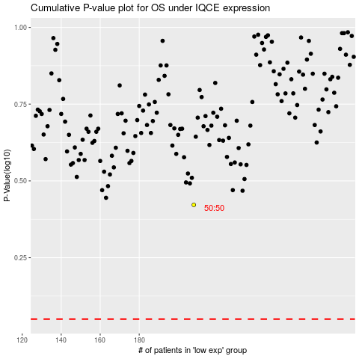

 |  |  |  |  |  | cases_OS | p_OS | rank | exp
 |  |  |  |  |  |  | cases_RFS | p_RFS | rank | exp

