IQCG _multivariate
Reported by Tex Li-Hsing Chi. tex@gate.sinica.edu.tw 2019-08-18

Table 2. The clinicopathological features of HNSCC cohort and IQCG expression. (Chi square test)
Cutoff at -0.384 (49.8%)
 |  | IQCG expression |  | IQCG expression |  | (Optimised)
 | Features | Low | (%) | High | (%) | Case no | P-value | Remark | Matthews
Gender | Female | 148 | 35.7 | 158 | 38.1 | 415 | 0.3567 | 0 | 0
2 | Male | 59 | 14.2 | 50 | 12
Age at diagnosis | <=65y | 140 | 33.7 | 134 | 32.3 | 415 | 0.5574 | 0 | 0
4 | >65y | 67 | 16.1 | 74 | 17.8
Clinical T Status | T1+T2 | 74 | 17.8 | 75 | 18.1 | 415 | 1 | 0 | 0
6 | T3+T4 | 133 | 32 | 133 | 32
Clinical N Status | N0 | 122 | 29.4 | 94 | 22.7 | 415 | 0.0068 | 1 | 0
8 | N1-3 | 85 | 20.5 | 114 | 27.5
Clinical M Status | M0 | 206 | 49.6 | 206 | 49.6 | 415 | 1 | 0 | 0
10 | M1 | 1 | 0.2 | 2 | 0.5
Clinical Stage | Stage I+II | 62 | 14.9 | 40 | 9.6 | 415 | 0.0154 | 1 | 0
12 | Stage III+IV | 145 | 34.9 | 168 | 40.5
Surgical Margin status | Negative | 167 | 40.2 | 151 | 36.4 | 415 | 0.0632 | 0 | 0
14 | Positive | 40 | 9.6 | 57 | 13.7
Tobacco Exposure | Low | 83 | 20 | 78 | 18.8 | 415 | 0.6152 | 0 | 0
16 | High | 124 | 29.9 | 130 | 31.3

Table 3. Univariate/Multivariate Cox's proportional hazards regression analyses on OS time of IQCG gene expression in HNSCC

 |  | Univariate |  |  |  | Multivariate
 | Features | HR | CI95%(L) | CI95%(H) | P-value | HR | CI95%(L) | CI95%(H) | P-value
1 | Female | 1 |  |  |  | 1
Gender | Male | 1.157 | 0.843 | 1.587 | 0.367 | 1.202 | 0.86 | 1.679 | 0.282
11 | <=65y | 1 |  |  |  | 1
Age at diagnosis | >65y | 1.329 | 0.99 | 1.784 | 0.058 | 1.402 | 1.031 | 1.908 | 0.031
12 | T1+T2 | 1 |  |  |  | 1
Clinical T Status | T3+T4 | 1.409 | 1.028 | 1.931 | 0.033 | 2.15 | 1.132 | 4.081 | 0.019
13 | N0 | 1 |  |  |  | 1
Clinical N Status | N1-3 | 1.185 | 0.89 | 1.577 | 0.246 | 1.253 | 0.877 | 1.789 | 0.215
14 | M0 | 1 |  |  |  | 1
Clinical M Status | M1 | 4.097 | 1.009 | 16.644 | 0.049 | 9.216 | 2.008 | 42.297 | 0.004
15 | Stage I+II | 1 |  |  |  | 1
Clinical Stage | Stage III+IV | 1.245 | 0.882 | 1.759 | 0.213 | 0.523 | 0.242 | 1.133 | 0.1
16 | Negative | 1 |  |  |  | 1
Surgical Margin status | Positive | 1.591 | 1.155 | 2.191 | 0.004 | 1.675 | 1.213 | 2.314 | 0.002
17 | Low | 1 |  |  |  | 1
Tobacco Exposure | High | 1.364 | 1.008 | 1.844 | 0.044 | 1.453 | 1.054 | 2.003 | 0.022
18 | Low | 1 |  |  |  | 1
RNAseq(z-score) | High | 0.928 | 0.697 | 1.235 | 0.607 | 0.904 | 0.673 | 1.214 | 0.503

Table 4. Univariate/Multivariate Cox's proportional hazards regression analyses on RFS time of IQCG gene expression in HNSCC

 |  | Univariate |  |  |  | Multivariate
 | Features | HR | CI95%(L) | CI95%(H) | P-value | HR | CI95%(L) | CI95%(H) | P-value
1 | Female | 1 |  |  |  | 1
Gender | Male | 1.157 | 0.843 | 1.587 | 0.367 | 1.202 | 0.86 | 1.679 | 0.282
11 | <=65y | 1 |  |  |  | 1
Age at diagnosis | >65y | 1.329 | 0.99 | 1.784 | 0.058 | 1.402 | 1.031 | 1.908 | 0.031
12 | T1+T2 | 1 |  |  |  | 1
Clinical T Status | T3+T4 | 1.409 | 1.028 | 1.931 | 0.033 | 2.15 | 1.132 | 4.081 | 0.019
13 | N0 | 1 |  |  |  | 1
Clinical N Status | N1-3 | 1.185 | 0.89 | 1.577 | 0.246 | 1.253 | 0.877 | 1.789 | 0.215
14 | M0 | 1 |  |  |  | 1
Clinical M Status | M1 | 4.097 | 1.009 | 16.644 | 0.049 | 9.216 | 2.008 | 42.297 | 0.004
15 | Stage I+II | 1 |  |  |  | 1
Clinical Stage | Stage III+IV | 1.245 | 0.882 | 1.759 | 0.213 | 0.523 | 0.242 | 1.133 | 0.1
16 | Negative | 1 |  |  |  | 1
Surgical Margin status | Positive | 1.591 | 1.155 | 2.191 | 0.004 | 1.675 | 1.213 | 2.314 | 0.002
17 | Low | 1 |  |  |  | 1
Tobacco Exposure | High | 1.364 | 1.008 | 1.844 | 0.044 | 1.453 | 1.054 | 2.003 | 0.022
18 | Low | 1 |  |  |  | 1
RNAseq(z-score) | High | 0.928 | 0.697 | 1.235 | 0.607 | 0.904 | 0.673 | 1.214 | 0.503

Kaplan-Meier survival estimate: Cutoff at -0.384 (49.8%)



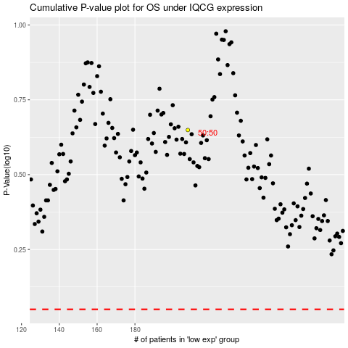

 |  |  |  |  |  | cases_OS | p_OS | rank | exp
 |  |  |  |  |  |  | cases_RFS | p_RFS | rank | exp

