IQCH _multivariate
Reported by Tex Li-Hsing Chi. tex@gate.sinica.edu.tw 2019-08-18

Table 2. The clinicopathological features of HNSCC cohort and IQCH expression. (Chi square test)
Cutoff at -0.162 (49.8%)
 |  | IQCH expression |  | IQCH expression |  | (Optimised)
 | Features | Low | (%) | High | (%) | Case no | P-value | Remark | Matthews
Gender | Female | 146 | 35.2 | 160 | 38.6 | 415 | 0.1714 | 0 | 0
2 | Male | 61 | 14.7 | 48 | 11.6
Age at diagnosis | <=65y | 135 | 32.5 | 139 | 33.5 | 415 | 0.8084 | 0 | 0
4 | >65y | 72 | 17.3 | 69 | 16.6
Clinical T Status | T1+T2 | 75 | 18.1 | 74 | 17.8 | 415 | 0.9707 | 0 | 0
6 | T3+T4 | 132 | 31.8 | 134 | 32.3
Clinical N Status | N0 | 115 | 27.7 | 101 | 24.3 | 415 | 0.184 | 1 | 0
8 | N1-3 | 92 | 22.2 | 107 | 25.8
Clinical M Status | M0 | 206 | 49.6 | 206 | 49.6 | 415 | 1 | 0 | 0
10 | M1 | 1 | 0.2 | 2 | 0.5
Clinical Stage | Stage I+II | 59 | 14.2 | 43 | 10.4 | 415 | 0.0822 | 0 | 0
12 | Stage III+IV | 148 | 35.7 | 165 | 39.8
Surgical Margin status | Negative | 161 | 38.8 | 157 | 37.8 | 415 | 0.6429 | 0 | 0
14 | Positive | 46 | 11.1 | 51 | 12.3
Tobacco Exposure | Low | 86 | 20.7 | 75 | 18.1 | 415 | 0.2687 | 0 | 0
16 | High | 121 | 29.2 | 133 | 32

Table 3. Univariate/Multivariate Cox's proportional hazards regression analyses on OS time of IQCH gene expression in HNSCC

 |  | Univariate |  |  |  | Multivariate
 | Features | HR | CI95%(L) | CI95%(H) | P-value | HR | CI95%(L) | CI95%(H) | P-value
1 | Female | 1 |  |  |  | 1
Gender | Male | 1.157 | 0.843 | 1.587 | 0.367 | 1.199 | 0.857 | 1.676 | 0.289
11 | <=65y | 1 |  |  |  | 1
Age at diagnosis | >65y | 1.329 | 0.99 | 1.784 | 0.058 | 1.396 | 1.025 | 1.899 | 0.034
12 | T1+T2 | 1 |  |  |  | 1
Clinical T Status | T3+T4 | 1.409 | 1.028 | 1.931 | 0.033 | 2.186 | 1.152 | 4.148 | 0.017
13 | N0 | 1 |  |  |  | 1
Clinical N Status | N1-3 | 1.185 | 0.89 | 1.577 | 0.246 | 1.242 | 0.871 | 1.773 | 0.231
14 | M0 | 1 |  |  |  | 1
Clinical M Status | M1 | 4.097 | 1.009 | 16.644 | 0.049 | 9.357 | 2.04 | 42.922 | 0.004
15 | Stage I+II | 1 |  |  |  | 1
Clinical Stage | Stage III+IV | 1.245 | 0.882 | 1.759 | 0.213 | 0.509 | 0.236 | 1.098 | 0.085
16 | Negative | 1 |  |  |  | 1
Surgical Margin status | Positive | 1.591 | 1.155 | 2.191 | 0.004 | 1.669 | 1.208 | 2.307 | 0.002
17 | Low | 1 |  |  |  | 1
Tobacco Exposure | High | 1.364 | 1.008 | 1.844 | 0.044 | 1.457 | 1.056 | 2.009 | 0.022
18 | Low | 1 |  |  |  | 1
RNAseq(z-score) | High | 0.957 | 0.718 | 1.276 | 0.766 | 0.968 | 0.722 | 1.299 | 0.829

Table 4. Univariate/Multivariate Cox's proportional hazards regression analyses on RFS time of IQCH gene expression in HNSCC

 |  | Univariate |  |  |  | Multivariate
 | Features | HR | CI95%(L) | CI95%(H) | P-value | HR | CI95%(L) | CI95%(H) | P-value
1 | Female | 1 |  |  |  | 1
Gender | Male | 1.157 | 0.843 | 1.587 | 0.367 | 1.199 | 0.857 | 1.676 | 0.289
11 | <=65y | 1 |  |  |  | 1
Age at diagnosis | >65y | 1.329 | 0.99 | 1.784 | 0.058 | 1.396 | 1.025 | 1.899 | 0.034
12 | T1+T2 | 1 |  |  |  | 1
Clinical T Status | T3+T4 | 1.409 | 1.028 | 1.931 | 0.033 | 2.186 | 1.152 | 4.148 | 0.017
13 | N0 | 1 |  |  |  | 1
Clinical N Status | N1-3 | 1.185 | 0.89 | 1.577 | 0.246 | 1.242 | 0.871 | 1.773 | 0.231
14 | M0 | 1 |  |  |  | 1
Clinical M Status | M1 | 4.097 | 1.009 | 16.644 | 0.049 | 9.357 | 2.04 | 42.922 | 0.004
15 | Stage I+II | 1 |  |  |  | 1
Clinical Stage | Stage III+IV | 1.245 | 0.882 | 1.759 | 0.213 | 0.509 | 0.236 | 1.098 | 0.085
16 | Negative | 1 |  |  |  | 1
Surgical Margin status | Positive | 1.591 | 1.155 | 2.191 | 0.004 | 1.669 | 1.208 | 2.307 | 0.002
17 | Low | 1 |  |  |  | 1
Tobacco Exposure | High | 1.364 | 1.008 | 1.844 | 0.044 | 1.457 | 1.056 | 2.009 | 0.022
18 | Low | 1 |  |  |  | 1
RNAseq(z-score) | High | 0.957 | 0.718 | 1.276 | 0.766 | 0.968 | 0.722 | 1.299 | 0.829

Kaplan-Meier survival estimate: Cutoff at -0.162 (49.8%)



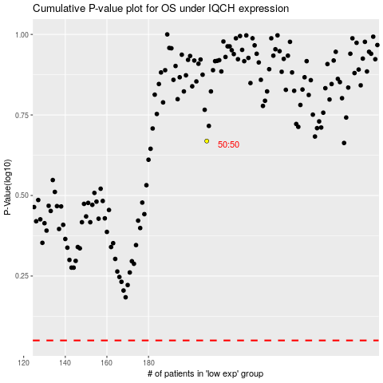

 |  |  |  |  |  | cases_OS | p_OS | rank | exp
 |  |  |  |  |  |  | cases_RFS | p_RFS | rank | exp

