IQGAP2 _multivariate
Reported by Tex Li-Hsing Chi. tex@gate.sinica.edu.tw 2019-08-18

Table 2. The clinicopathological features of HNSCC cohort and IQGAP2 expression. (Chi square test)
Cutoff at -0.249 (49.8%)
 |  | IQGAP2 expression |  | IQGAP2 expression |  | (Optimised)
 | Features | Low | (%) | High | (%) | Case no | P-value | Remark | Matthews
Gender | Female | 164 | 39.5 | 142 | 34.2 | 415 | 0.0153 | 1 | 0
2 | Male | 43 | 10.4 | 66 | 15.9
Age at diagnosis | <=65y | 138 | 33.3 | 136 | 32.8 | 415 | 0.8634 | 0 | 0
4 | >65y | 69 | 16.6 | 72 | 17.3
Clinical T Status | T1+T2 | 65 | 15.7 | 84 | 20.2 | 415 | 0.0711 | 0 | 0
6 | T3+T4 | 142 | 34.2 | 124 | 29.9
Clinical N Status | N0 | 110 | 26.5 | 106 | 25.5 | 415 | 0.7294 | 0 | 0
8 | N1-3 | 97 | 23.4 | 102 | 24.6
Clinical M Status | M0 | 205 | 49.4 | 207 | 49.9 | 415 | 0.6232 | 0 | 0
10 | M1 | 2 | 0.5 | 1 | 0.2
Clinical Stage | Stage I+II | 46 | 11.1 | 56 | 13.5 | 415 | 0.3182 | 0 | 0
12 | Stage III+IV | 161 | 38.8 | 152 | 36.6
Surgical Margin status | Negative | 156 | 37.6 | 162 | 39 | 415 | 0.5636 | 0 | 0
14 | Positive | 51 | 12.3 | 46 | 11.1
Tobacco Exposure | Low | 77 | 18.6 | 84 | 20.2 | 415 | 0.5459 | 0 | 0
16 | High | 130 | 31.3 | 124 | 29.9

Table 3. Univariate/Multivariate Cox's proportional hazards regression analyses on OS time of IQGAP2 gene expression in HNSCC

 |  | Univariate |  |  |  | Multivariate
 | Features | HR | CI95%(L) | CI95%(H) | P-value | HR | CI95%(L) | CI95%(H) | P-value
1 | Female | 1 |  |  |  | 1
Gender | Male | 1.157 | 0.843 | 1.587 | 0.367 | 1.2 | 0.857 | 1.68 | 0.288
11 | <=65y | 1 |  |  |  | 1
Age at diagnosis | >65y | 1.329 | 0.99 | 1.784 | 0.058 | 1.392 | 1.024 | 1.892 | 0.035
12 | T1+T2 | 1 |  |  |  | 1
Clinical T Status | T3+T4 | 1.409 | 1.028 | 1.931 | 0.033 | 2.205 | 1.165 | 4.175 | 0.015
13 | N0 | 1 |  |  |  | 1
Clinical N Status | N1-3 | 1.185 | 0.89 | 1.577 | 0.246 | 1.241 | 0.87 | 1.771 | 0.234
14 | M0 | 1 |  |  |  | 1
Clinical M Status | M1 | 4.097 | 1.009 | 16.644 | 0.049 | 9.42 | 2.054 | 43.209 | 0.004
15 | Stage I+II | 1 |  |  |  | 1
Clinical Stage | Stage III+IV | 1.245 | 0.882 | 1.759 | 0.213 | 0.504 | 0.235 | 1.083 | 0.079
16 | Negative | 1 |  |  |  | 1
Surgical Margin status | Positive | 1.591 | 1.155 | 2.191 | 0.004 | 1.671 | 1.21 | 2.309 | 0.002
17 | Low | 1 |  |  |  | 1
Tobacco Exposure | High | 1.364 | 1.008 | 1.844 | 0.044 | 1.454 | 1.055 | 2.005 | 0.022
18 | Low | 1 |  |  |  | 1
RNAseq(z-score) | High | 0.985 | 0.74 | 1.311 | 0.918 | 1.01 | 0.754 | 1.351 | 0.949

Table 4. Univariate/Multivariate Cox's proportional hazards regression analyses on RFS time of IQGAP2 gene expression in HNSCC

 |  | Univariate |  |  |  | Multivariate
 | Features | HR | CI95%(L) | CI95%(H) | P-value | HR | CI95%(L) | CI95%(H) | P-value
1 | Female | 1 |  |  |  | 1
Gender | Male | 1.157 | 0.843 | 1.587 | 0.367 | 1.2 | 0.857 | 1.68 | 0.288
11 | <=65y | 1 |  |  |  | 1
Age at diagnosis | >65y | 1.329 | 0.99 | 1.784 | 0.058 | 1.392 | 1.024 | 1.892 | 0.035
12 | T1+T2 | 1 |  |  |  | 1
Clinical T Status | T3+T4 | 1.409 | 1.028 | 1.931 | 0.033 | 2.205 | 1.165 | 4.175 | 0.015
13 | N0 | 1 |  |  |  | 1
Clinical N Status | N1-3 | 1.185 | 0.89 | 1.577 | 0.246 | 1.241 | 0.87 | 1.771 | 0.234
14 | M0 | 1 |  |  |  | 1
Clinical M Status | M1 | 4.097 | 1.009 | 16.644 | 0.049 | 9.42 | 2.054 | 43.209 | 0.004
15 | Stage I+II | 1 |  |  |  | 1
Clinical Stage | Stage III+IV | 1.245 | 0.882 | 1.759 | 0.213 | 0.504 | 0.235 | 1.083 | 0.079
16 | Negative | 1 |  |  |  | 1
Surgical Margin status | Positive | 1.591 | 1.155 | 2.191 | 0.004 | 1.671 | 1.21 | 2.309 | 0.002
17 | Low | 1 |  |  |  | 1
Tobacco Exposure | High | 1.364 | 1.008 | 1.844 | 0.044 | 1.454 | 1.055 | 2.005 | 0.022
18 | Low | 1 |  |  |  | 1
RNAseq(z-score) | High | 0.985 | 0.74 | 1.311 | 0.918 | 1.01 | 0.754 | 1.351 | 0.949

Kaplan-Meier survival estimate: Cutoff at -0.249 (49.8%)



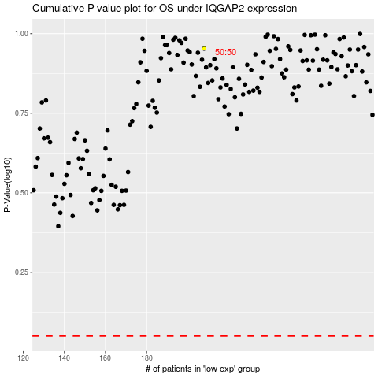

 |  |  |  |  |  | cases_OS | p_OS | rank | exp
 |  |  |  |  |  |  | cases_RFS | p_RFS | rank | exp

