IQSEC2 _multivariate
Reported by Tex Li-Hsing Chi. tex@gate.sinica.edu.tw 2019-08-18

Table 2. The clinicopathological features of HNSCC cohort and IQSEC2 expression. (Chi square test)
Cutoff at -0.183 (49.8%)
 |  | IQSEC2 expression |  | IQSEC2 expression |  | (Optimised)
 | Features | Low | (%) | High | (%) | Case no | P-value | Remark | Matthews
Gender | Female | 160 | 38.6 | 146 | 35.2 | 415 | 0.1254 | 0 | 0
2 | Male | 47 | 11.3 | 62 | 14.9
Age at diagnosis | <=65y | 140 | 33.7 | 134 | 32.3 | 415 | 0.5574 | 0 | 0
4 | >65y | 67 | 16.1 | 74 | 17.8
Clinical T Status | T1+T2 | 68 | 16.4 | 81 | 19.5 | 415 | 0.2336 | 0 | 0
6 | T3+T4 | 139 | 33.5 | 127 | 30.6
Clinical N Status | N0 | 92 | 22.2 | 124 | 29.9 | 415 | 0.0027 | 1 | 0
8 | N1-3 | 115 | 27.7 | 84 | 20.2
Clinical M Status | M0 | 205 | 49.4 | 207 | 49.9 | 415 | 0.6232 | 0 | 0
10 | M1 | 2 | 0.5 | 1 | 0.2
Clinical Stage | Stage I+II | 43 | 10.4 | 59 | 14.2 | 415 | 0.0925 | 0 | 0
12 | Stage III+IV | 164 | 39.5 | 149 | 35.9
Surgical Margin status | Negative | 156 | 37.6 | 162 | 39 | 415 | 0.5636 | 0 | 0
14 | Positive | 51 | 12.3 | 46 | 11.1
Tobacco Exposure | Low | 78 | 18.8 | 83 | 20 | 415 | 0.6873 | 0 | 0
16 | High | 129 | 31.1 | 125 | 30.1

Table 3. Univariate/Multivariate Cox's proportional hazards regression analyses on OS time of IQSEC2 gene expression in HNSCC

 |  | Univariate |  |  |  | Multivariate
 | Features | HR | CI95%(L) | CI95%(H) | P-value | HR | CI95%(L) | CI95%(H) | P-value
1 | Female | 1 |  |  |  | 1
Gender | Male | 1.157 | 0.843 | 1.587 | 0.367 | 1.205 | 0.862 | 1.684 | 0.276
11 | <=65y | 1 |  |  |  | 1
Age at diagnosis | >65y | 1.329 | 0.99 | 1.784 | 0.058 | 1.393 | 1.025 | 1.895 | 0.034
12 | T1+T2 | 1 |  |  |  | 1
Clinical T Status | T3+T4 | 1.409 | 1.028 | 1.931 | 0.033 | 2.205 | 1.167 | 4.169 | 0.015
13 | N0 | 1 |  |  |  | 1
Clinical N Status | N1-3 | 1.185 | 0.89 | 1.577 | 0.246 | 1.23 | 0.861 | 1.757 | 0.255
14 | M0 | 1 |  |  |  | 1
Clinical M Status | M1 | 4.097 | 1.009 | 16.644 | 0.049 | 9.371 | 2.044 | 42.959 | 0.004
15 | Stage I+II | 1 |  |  |  | 1
Clinical Stage | Stage III+IV | 1.245 | 0.882 | 1.759 | 0.213 | 0.505 | 0.235 | 1.084 | 0.08
16 | Negative | 1 |  |  |  | 1
Surgical Margin status | Positive | 1.591 | 1.155 | 2.191 | 0.004 | 1.675 | 1.212 | 2.314 | 0.002
17 | Low | 1 |  |  |  | 1
Tobacco Exposure | High | 1.364 | 1.008 | 1.844 | 0.044 | 1.461 | 1.06 | 2.015 | 0.021
18 | Low | 1 |  |  |  | 1
RNAseq(z-score) | High | 0.934 | 0.701 | 1.244 | 0.64 | 0.92 | 0.689 | 1.228 | 0.572

Table 4. Univariate/Multivariate Cox's proportional hazards regression analyses on RFS time of IQSEC2 gene expression in HNSCC

 |  | Univariate |  |  |  | Multivariate
 | Features | HR | CI95%(L) | CI95%(H) | P-value | HR | CI95%(L) | CI95%(H) | P-value
1 | Female | 1 |  |  |  | 1
Gender | Male | 1.157 | 0.843 | 1.587 | 0.367 | 1.205 | 0.862 | 1.684 | 0.276
11 | <=65y | 1 |  |  |  | 1
Age at diagnosis | >65y | 1.329 | 0.99 | 1.784 | 0.058 | 1.393 | 1.025 | 1.895 | 0.034
12 | T1+T2 | 1 |  |  |  | 1
Clinical T Status | T3+T4 | 1.409 | 1.028 | 1.931 | 0.033 | 2.205 | 1.167 | 4.169 | 0.015
13 | N0 | 1 |  |  |  | 1
Clinical N Status | N1-3 | 1.185 | 0.89 | 1.577 | 0.246 | 1.23 | 0.861 | 1.757 | 0.255
14 | M0 | 1 |  |  |  | 1
Clinical M Status | M1 | 4.097 | 1.009 | 16.644 | 0.049 | 9.371 | 2.044 | 42.959 | 0.004
15 | Stage I+II | 1 |  |  |  | 1
Clinical Stage | Stage III+IV | 1.245 | 0.882 | 1.759 | 0.213 | 0.505 | 0.235 | 1.084 | 0.08
16 | Negative | 1 |  |  |  | 1
Surgical Margin status | Positive | 1.591 | 1.155 | 2.191 | 0.004 | 1.675 | 1.212 | 2.314 | 0.002
17 | Low | 1 |  |  |  | 1
Tobacco Exposure | High | 1.364 | 1.008 | 1.844 | 0.044 | 1.461 | 1.06 | 2.015 | 0.021
18 | Low | 1 |  |  |  | 1
RNAseq(z-score) | High | 0.934 | 0.701 | 1.244 | 0.64 | 0.92 | 0.689 | 1.228 | 0.572

Kaplan-Meier survival estimate: Cutoff at -0.183 (49.8%)



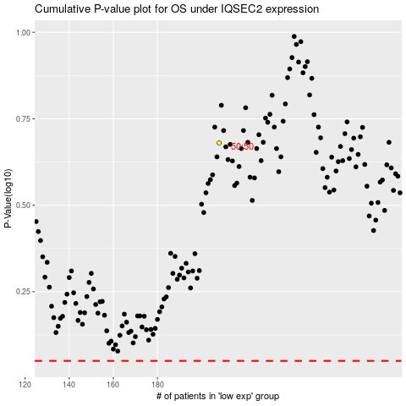

 |  |  |  |  |  | cases_OS | p_OS | rank | exp
 |  |  |  |  |  |  | cases_RFS | p_RFS | rank | exp

