IQSEC3 _multivariate
Reported by Tex Li-Hsing Chi. tex@gate.sinica.edu.tw 2019-08-18

Table 2. The clinicopathological features of HNSCC cohort and IQSEC3 expression. (Chi square test)
Cutoff at -0.23 (49.8%)
 |  | IQSEC3 expression |  | IQSEC3 expression |  | (Optimised)
 | Features | Low | (%) | High | (%) | Case no | P-value | Remark | Matthews
Gender | Female | 152 | 36.6 | 154 | 37.1 | 415 | 0.9766 | 0 | 0
2 | Male | 55 | 13.3 | 54 | 13
Age at diagnosis | <=65y | 144 | 34.7 | 130 | 31.3 | 415 | 0.1568 | 0 | 0
4 | >65y | 63 | 15.2 | 78 | 18.8
Clinical T Status | T1+T2 | 69 | 16.6 | 80 | 19.3 | 415 | 0.3239 | 0 | 0
6 | T3+T4 | 138 | 33.3 | 128 | 30.8
Clinical N Status | N0 | 102 | 24.6 | 114 | 27.5 | 415 | 0.3031 | 0 | 0
8 | N1-3 | 105 | 25.3 | 94 | 22.7
Clinical M Status | M0 | 204 | 49.2 | 208 | 50.1 | 415 | 0.1232 | 0 | 0
10 | M1 | 3 | 0.7 | 0 | 0
Clinical Stage | Stage I+II | 42 | 10.1 | 60 | 14.5 | 415 | 0.0561 | 0 | 0
12 | Stage III+IV | 165 | 39.8 | 148 | 35.7
Surgical Margin status | Negative | 156 | 37.6 | 162 | 39 | 415 | 0.5636 | 0 | 0
14 | Positive | 51 | 12.3 | 46 | 11.1
Tobacco Exposure | Low | 81 | 19.5 | 80 | 19.3 | 415 | 0.9199 | 0 | 0
16 | High | 126 | 30.4 | 128 | 30.8

Table 3. Univariate/Multivariate Cox's proportional hazards regression analyses on OS time of IQSEC3 gene expression in HNSCC

 |  | Univariate |  |  |  | Multivariate
 | Features | HR | CI95%(L) | CI95%(H) | P-value | HR | CI95%(L) | CI95%(H) | P-value
1 | Female | 1 |  |  |  | 1
Gender | Male | 1.157 | 0.843 | 1.587 | 0.367 | 1.204 | 0.862 | 1.682 | 0.276
11 | <=65y | 1 |  |  |  | 1
Age at diagnosis | >65y | 1.329 | 0.99 | 1.784 | 0.058 | 1.378 | 1.012 | 1.876 | 0.042
12 | T1+T2 | 1 |  |  |  | 1
Clinical T Status | T3+T4 | 1.409 | 1.028 | 1.931 | 0.033 | 2.178 | 1.151 | 4.121 | 0.017
13 | N0 | 1 |  |  |  | 1
Clinical N Status | N1-3 | 1.185 | 0.89 | 1.577 | 0.246 | 1.231 | 0.862 | 1.757 | 0.254
14 | M0 | 1 |  |  |  | 1
Clinical M Status | M1 | 4.097 | 1.009 | 16.644 | 0.049 | 9.87 | 2.141 | 45.496 | 0.003
15 | Stage I+II | 1 |  |  |  | 1
Clinical Stage | Stage III+IV | 1.245 | 0.882 | 1.759 | 0.213 | 0.519 | 0.241 | 1.118 | 0.094
16 | Negative | 1 |  |  |  | 1
Surgical Margin status | Positive | 1.591 | 1.155 | 2.191 | 0.004 | 1.674 | 1.211 | 2.312 | 0.002
17 | Low | 1 |  |  |  | 1
Tobacco Exposure | High | 1.364 | 1.008 | 1.844 | 0.044 | 1.455 | 1.056 | 2.005 | 0.022
18 | Low | 1 |  |  |  | 1
RNAseq(z-score) | High | 1.102 | 0.827 | 1.468 | 0.509 | 1.117 | 0.833 | 1.497 | 0.459

Table 4. Univariate/Multivariate Cox's proportional hazards regression analyses on RFS time of IQSEC3 gene expression in HNSCC

 |  | Univariate |  |  |  | Multivariate
 | Features | HR | CI95%(L) | CI95%(H) | P-value | HR | CI95%(L) | CI95%(H) | P-value
1 | Female | 1 |  |  |  | 1
Gender | Male | 1.157 | 0.843 | 1.587 | 0.367 | 1.204 | 0.862 | 1.682 | 0.276
11 | <=65y | 1 |  |  |  | 1
Age at diagnosis | >65y | 1.329 | 0.99 | 1.784 | 0.058 | 1.378 | 1.012 | 1.876 | 0.042
12 | T1+T2 | 1 |  |  |  | 1
Clinical T Status | T3+T4 | 1.409 | 1.028 | 1.931 | 0.033 | 2.178 | 1.151 | 4.121 | 0.017
13 | N0 | 1 |  |  |  | 1
Clinical N Status | N1-3 | 1.185 | 0.89 | 1.577 | 0.246 | 1.231 | 0.862 | 1.757 | 0.254
14 | M0 | 1 |  |  |  | 1
Clinical M Status | M1 | 4.097 | 1.009 | 16.644 | 0.049 | 9.87 | 2.141 | 45.496 | 0.003
15 | Stage I+II | 1 |  |  |  | 1
Clinical Stage | Stage III+IV | 1.245 | 0.882 | 1.759 | 0.213 | 0.519 | 0.241 | 1.118 | 0.094
16 | Negative | 1 |  |  |  | 1
Surgical Margin status | Positive | 1.591 | 1.155 | 2.191 | 0.004 | 1.674 | 1.211 | 2.312 | 0.002
17 | Low | 1 |  |  |  | 1
Tobacco Exposure | High | 1.364 | 1.008 | 1.844 | 0.044 | 1.455 | 1.056 | 2.005 | 0.022
18 | Low | 1 |  |  |  | 1
RNAseq(z-score) | High | 1.102 | 0.827 | 1.468 | 0.509 | 1.117 | 0.833 | 1.497 | 0.459

Kaplan-Meier survival estimate: Cutoff at -0.23 (49.8%)



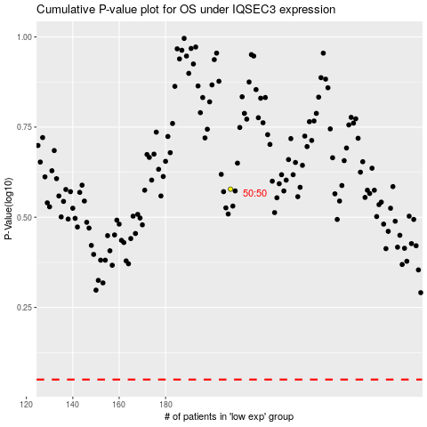

 |  |  |  |  |  | cases_OS | p_OS | rank | exp
 |  |  |  |  |  |  | cases_RFS | p_RFS | rank | exp

