IQUB _multivariate
Reported by Tex Li-Hsing Chi. tex@gate.sinica.edu.tw 2019-08-18

Table 2. The clinicopathological features of HNSCC cohort and IQUB expression. (Chi square test)
Cutoff at -0.135 (50.0%)
 |  | IQUB expression |  | IQUB expression |  | (Optimised)
 | Features | Low | (%) | High | (%) | Case no | P-value | Remark | Matthews
Gender | Female | 155 | 37.3 | 151 | 36.4 | 415 | 0.6768 | 0 | 0
2 | Male | 52 | 12.5 | 57 | 13.7
Age at diagnosis | <=65y | 140 | 33.7 | 134 | 32.3 | 415 | 0.5574 | 0 | 0
4 | >65y | 67 | 16.1 | 74 | 17.8
Clinical T Status | T1+T2 | 81 | 19.5 | 68 | 16.4 | 415 | 0.206 | 0 | 0
6 | T3+T4 | 126 | 30.4 | 140 | 33.7
Clinical N Status | N0 | 108 | 26 | 108 | 26 | 415 | 1 | 0 | 0
8 | N1-3 | 99 | 23.9 | 100 | 24.1
Clinical M Status | M0 | 206 | 49.6 | 206 | 49.6 | 415 | 1 | 0 | 0
10 | M1 | 1 | 0.2 | 2 | 0.5
Clinical Stage | Stage I+II | 56 | 13.5 | 46 | 11.1 | 415 | 0.2918 | 0 | 0
12 | Stage III+IV | 151 | 36.4 | 162 | 39
Surgical Margin status | Negative | 157 | 37.8 | 161 | 38.8 | 415 | 0.729 | 0 | 0
14 | Positive | 50 | 12 | 47 | 11.3
Tobacco Exposure | Low | 74 | 17.8 | 87 | 21 | 415 | 0.227 | 0 | 0
16 | High | 133 | 32 | 121 | 29.2

Table 3. Univariate/Multivariate Cox's proportional hazards regression analyses on OS time of IQUB gene expression in HNSCC

 |  | Univariate |  |  |  | Multivariate
 | Features | HR | CI95%(L) | CI95%(H) | P-value | HR | CI95%(L) | CI95%(H) | P-value
1 | Female | 1 |  |  |  | 1
Gender | Male | 1.157 | 0.843 | 1.587 | 0.367 | 1.196 | 0.855 | 1.672 | 0.295
11 | <=65y | 1 |  |  |  | 1
Age at diagnosis | >65y | 1.329 | 0.99 | 1.784 | 0.058 | 1.408 | 1.034 | 1.916 | 0.03
12 | T1+T2 | 1 |  |  |  | 1
Clinical T Status | T3+T4 | 1.409 | 1.028 | 1.931 | 0.033 | 2.193 | 1.159 | 4.147 | 0.016
13 | N0 | 1 |  |  |  | 1
Clinical N Status | N1-3 | 1.185 | 0.89 | 1.577 | 0.246 | 1.229 | 0.861 | 1.754 | 0.257
14 | M0 | 1 |  |  |  | 1
Clinical M Status | M1 | 4.097 | 1.009 | 16.644 | 0.049 | 9.531 | 2.079 | 43.704 | 0.004
15 | Stage I+II | 1 |  |  |  | 1
Clinical Stage | Stage III+IV | 1.245 | 0.882 | 1.759 | 0.213 | 0.514 | 0.239 | 1.104 | 0.088
16 | Negative | 1 |  |  |  | 1
Surgical Margin status | Positive | 1.591 | 1.155 | 2.191 | 0.004 | 1.655 | 1.198 | 2.288 | 0.002
17 | Low | 1 |  |  |  | 1
Tobacco Exposure | High | 1.364 | 1.008 | 1.844 | 0.044 | 1.445 | 1.048 | 1.992 | 0.025
18 | Low | 1 |  |  |  | 1
RNAseq(z-score) | High | 0.807 | 0.605 | 1.076 | 0.144 | 0.828 | 0.619 | 1.107 | 0.202

Table 4. Univariate/Multivariate Cox's proportional hazards regression analyses on RFS time of IQUB gene expression in HNSCC

 |  | Univariate |  |  |  | Multivariate
 | Features | HR | CI95%(L) | CI95%(H) | P-value | HR | CI95%(L) | CI95%(H) | P-value
1 | Female | 1 |  |  |  | 1
Gender | Male | 1.157 | 0.843 | 1.587 | 0.367 | 1.196 | 0.855 | 1.672 | 0.295
11 | <=65y | 1 |  |  |  | 1
Age at diagnosis | >65y | 1.329 | 0.99 | 1.784 | 0.058 | 1.408 | 1.034 | 1.916 | 0.03
12 | T1+T2 | 1 |  |  |  | 1
Clinical T Status | T3+T4 | 1.409 | 1.028 | 1.931 | 0.033 | 2.193 | 1.159 | 4.147 | 0.016
13 | N0 | 1 |  |  |  | 1
Clinical N Status | N1-3 | 1.185 | 0.89 | 1.577 | 0.246 | 1.229 | 0.861 | 1.754 | 0.257
14 | M0 | 1 |  |  |  | 1
Clinical M Status | M1 | 4.097 | 1.009 | 16.644 | 0.049 | 9.531 | 2.079 | 43.704 | 0.004
15 | Stage I+II | 1 |  |  |  | 1
Clinical Stage | Stage III+IV | 1.245 | 0.882 | 1.759 | 0.213 | 0.514 | 0.239 | 1.104 | 0.088
16 | Negative | 1 |  |  |  | 1
Surgical Margin status | Positive | 1.591 | 1.155 | 2.191 | 0.004 | 1.655 | 1.198 | 2.288 | 0.002
17 | Low | 1 |  |  |  | 1
Tobacco Exposure | High | 1.364 | 1.008 | 1.844 | 0.044 | 1.445 | 1.048 | 1.992 | 0.025
18 | Low | 1 |  |  |  | 1
RNAseq(z-score) | High | 0.807 | 0.605 | 1.076 | 0.144 | 0.828 | 0.619 | 1.107 | 0.202

Kaplan-Meier survival estimate: Cutoff at -0.135 (50.0%)



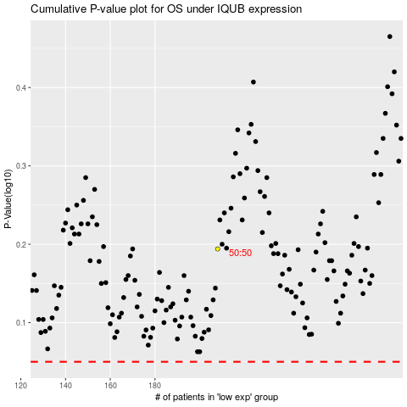

 |  |  |  |  |  | cases_OS | p_OS | rank | exp
 |  |  |  |  |  |  | cases_RFS | p_RFS | rank | exp

