IRF1 _multivariate
Reported by Tex Li-Hsing Chi. tex@gate.sinica.edu.tw 2019-08-18

Table 2. The clinicopathological features of HNSCC cohort and IRF1 expression. (Chi square test)
Cutoff at -0.278 (49.8%)
 |  | IRF1 expression |  | IRF1 expression |  | (Optimised)
 | Features | Low | (%) | High | (%) | Case no | P-value | Remark | Matthews
Gender | Female | 159 | 38.3 | 147 | 35.4 | 415 | 0.1905 | 0 | 0
2 | Male | 48 | 11.6 | 61 | 14.7
Age at diagnosis | <=65y | 146 | 35.2 | 128 | 30.8 | 415 | 0.0672 | 0 | 0
4 | >65y | 61 | 14.7 | 80 | 19.3
Clinical T Status | T1+T2 | 61 | 14.7 | 88 | 21.2 | 415 | 0.0087 | 1 | 0
6 | T3+T4 | 146 | 35.2 | 120 | 28.9
Clinical N Status | N0 | 115 | 27.7 | 101 | 24.3 | 415 | 0.184 | 1 | 0
8 | N1-3 | 92 | 22.2 | 107 | 25.8
Clinical M Status | M0 | 207 | 49.9 | 205 | 49.4 | 415 | 0.2482 | 0 | 0
10 | M1 | 0 | 0 | 3 | 0.7
Clinical Stage | Stage I+II | 45 | 10.8 | 57 | 13.7 | 415 | 0.2202 | 0 | 0
12 | Stage III+IV | 162 | 39 | 151 | 36.4
Surgical Margin status | Negative | 160 | 38.6 | 158 | 38.1 | 415 | 0.8167 | 0 | 0
14 | Positive | 47 | 11.3 | 50 | 12
Tobacco Exposure | Low | 71 | 17.1 | 90 | 21.7 | 415 | 0.0698 | 0 | 0
16 | High | 136 | 32.8 | 118 | 28.4

Table 3. Univariate/Multivariate Cox's proportional hazards regression analyses on OS time of IRF1 gene expression in HNSCC

 |  | Univariate |  |  |  | Multivariate
 | Features | HR | CI95%(L) | CI95%(H) | P-value | HR | CI95%(L) | CI95%(H) | P-value
1 | Female | 1 |  |  |  | 1
Gender | Male | 1.157 | 0.843 | 1.587 | 0.367 | 1.197 | 0.857 | 1.674 | 0.292
11 | <=65y | 1 |  |  |  | 1
Age at diagnosis | >65y | 1.329 | 0.99 | 1.784 | 0.058 | 1.416 | 1.041 | 1.927 | 0.027
12 | T1+T2 | 1 |  |  |  | 1
Clinical T Status | T3+T4 | 1.409 | 1.028 | 1.931 | 0.033 | 2.158 | 1.141 | 4.084 | 0.018
13 | N0 | 1 |  |  |  | 1
Clinical N Status | N1-3 | 1.185 | 0.89 | 1.577 | 0.246 | 1.274 | 0.89 | 1.824 | 0.185
14 | M0 | 1 |  |  |  | 1
Clinical M Status | M1 | 4.097 | 1.009 | 16.644 | 0.049 | 10.088 | 2.19 | 46.465 | 0.003
15 | Stage I+II | 1 |  |  |  | 1
Clinical Stage | Stage III+IV | 1.245 | 0.882 | 1.759 | 0.213 | 0.498 | 0.232 | 1.069 | 0.074
16 | Negative | 1 |  |  |  | 1
Surgical Margin status | Positive | 1.591 | 1.155 | 2.191 | 0.004 | 1.695 | 1.225 | 2.345 | 0.001
17 | Low | 1 |  |  |  | 1
Tobacco Exposure | High | 1.364 | 1.008 | 1.844 | 0.044 | 1.427 | 1.034 | 1.969 | 0.03
18 | Low | 1 |  |  |  | 1
RNAseq(z-score) | High | 0.868 | 0.651 | 1.156 | 0.332 | 0.836 | 0.621 | 1.124 | 0.235

Table 4. Univariate/Multivariate Cox's proportional hazards regression analyses on RFS time of IRF1 gene expression in HNSCC

 |  | Univariate |  |  |  | Multivariate
 | Features | HR | CI95%(L) | CI95%(H) | P-value | HR | CI95%(L) | CI95%(H) | P-value
1 | Female | 1 |  |  |  | 1
Gender | Male | 1.157 | 0.843 | 1.587 | 0.367 | 1.197 | 0.857 | 1.674 | 0.292
11 | <=65y | 1 |  |  |  | 1
Age at diagnosis | >65y | 1.329 | 0.99 | 1.784 | 0.058 | 1.416 | 1.041 | 1.927 | 0.027
12 | T1+T2 | 1 |  |  |  | 1
Clinical T Status | T3+T4 | 1.409 | 1.028 | 1.931 | 0.033 | 2.158 | 1.141 | 4.084 | 0.018
13 | N0 | 1 |  |  |  | 1
Clinical N Status | N1-3 | 1.185 | 0.89 | 1.577 | 0.246 | 1.274 | 0.89 | 1.824 | 0.185
14 | M0 | 1 |  |  |  | 1
Clinical M Status | M1 | 4.097 | 1.009 | 16.644 | 0.049 | 10.088 | 2.19 | 46.465 | 0.003
15 | Stage I+II | 1 |  |  |  | 1
Clinical Stage | Stage III+IV | 1.245 | 0.882 | 1.759 | 0.213 | 0.498 | 0.232 | 1.069 | 0.074
16 | Negative | 1 |  |  |  | 1
Surgical Margin status | Positive | 1.591 | 1.155 | 2.191 | 0.004 | 1.695 | 1.225 | 2.345 | 0.001
17 | Low | 1 |  |  |  | 1
Tobacco Exposure | High | 1.364 | 1.008 | 1.844 | 0.044 | 1.427 | 1.034 | 1.969 | 0.03
18 | Low | 1 |  |  |  | 1
RNAseq(z-score) | High | 0.868 | 0.651 | 1.156 | 0.332 | 0.836 | 0.621 | 1.124 | 0.235

Kaplan-Meier survival estimate: Cutoff at -0.278 (49.8%)



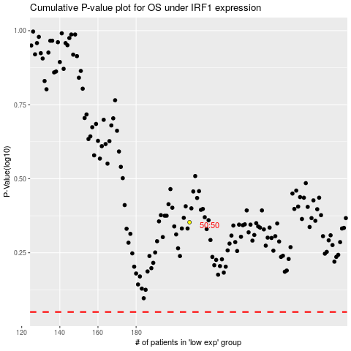

 |  |  |  |  |  | cases_OS | p_OS | rank | exp
 |  |  |  |  |  |  | cases_RFS | p_RFS | rank | exp

