IRF2BP2 _multivariate
Reported by Tex Li-Hsing Chi. tex@gate.sinica.edu.tw 2019-08-18

Table 2. The clinicopathological features of HNSCC cohort and IRF2BP2 expression. (Chi square test)
Cutoff at -0.201 (50.0%)
 |  | IRF2BP2 expression |  | IRF2BP2 expression |  | (Optimised)
 | Features | Low | (%) | High | (%) | Case no | P-value | Remark | Matthews
Gender | Female | 155 | 37.3 | 151 | 36.4 | 415 | 0.6768 | 0 | 0
2 | Male | 52 | 12.5 | 57 | 13.7
Age at diagnosis | <=65y | 134 | 32.3 | 140 | 33.7 | 415 | 0.6529 | 0 | 0
4 | >65y | 73 | 17.6 | 68 | 16.4
Clinical T Status | T1+T2 | 83 | 20 | 66 | 15.9 | 415 | 0.0941 | 0 | 0
6 | T3+T4 | 124 | 29.9 | 142 | 34.2
Clinical N Status | N0 | 120 | 28.9 | 96 | 23.1 | 415 | 0.0208 | 1 | 0
8 | N1-3 | 87 | 21 | 112 | 27
Clinical M Status | M0 | 205 | 49.4 | 207 | 49.9 | 415 | 0.6232 | 0 | 0
10 | M1 | 2 | 0.5 | 1 | 0.2
Clinical Stage | Stage I+II | 63 | 15.2 | 39 | 9.4 | 415 | 0.008 | 1 | 0
12 | Stage III+IV | 144 | 34.7 | 169 | 40.7
Surgical Margin status | Negative | 161 | 38.8 | 157 | 37.8 | 415 | 0.6429 | 0 | 0
14 | Positive | 46 | 11.1 | 51 | 12.3
Tobacco Exposure | Low | 86 | 20.7 | 75 | 18.1 | 415 | 0.2687 | 0 | 0
16 | High | 121 | 29.2 | 133 | 32

Table 3. Univariate/Multivariate Cox's proportional hazards regression analyses on OS time of IRF2BP2 gene expression in HNSCC

 |  | Univariate |  |  |  | Multivariate
 | Features | HR | CI95%(L) | CI95%(H) | P-value | HR | CI95%(L) | CI95%(H) | P-value
1 | Female | 1 |  |  |  | 1
Gender | Male | 1.157 | 0.843 | 1.587 | 0.367 | 1.214 | 0.868 | 1.699 | 0.257
11 | <=65y | 1 |  |  |  | 1
Age at diagnosis | >65y | 1.329 | 0.99 | 1.784 | 0.058 | 1.38 | 1.014 | 1.878 | 0.04
12 | T1+T2 | 1 |  |  |  | 1
Clinical T Status | T3+T4 | 1.409 | 1.028 | 1.931 | 0.033 | 2.183 | 1.154 | 4.13 | 0.016
13 | N0 | 1 |  |  |  | 1
Clinical N Status | N1-3 | 1.185 | 0.89 | 1.577 | 0.246 | 1.245 | 0.873 | 1.777 | 0.226
14 | M0 | 1 |  |  |  | 1
Clinical M Status | M1 | 4.097 | 1.009 | 16.644 | 0.049 | 9.055 | 1.965 | 41.717 | 0.005
15 | Stage I+II | 1 |  |  |  | 1
Clinical Stage | Stage III+IV | 1.245 | 0.882 | 1.759 | 0.213 | 0.516 | 0.24 | 1.112 | 0.091
16 | Negative | 1 |  |  |  | 1
Surgical Margin status | Positive | 1.591 | 1.155 | 2.191 | 0.004 | 1.683 | 1.217 | 2.327 | 0.002
17 | Low | 1 |  |  |  | 1
Tobacco Exposure | High | 1.364 | 1.008 | 1.844 | 0.044 | 1.469 | 1.064 | 2.029 | 0.019
18 | Low | 1 |  |  |  | 1
RNAseq(z-score) | High | 0.962 | 0.722 | 1.282 | 0.791 | 0.912 | 0.677 | 1.229 | 0.547

Table 4. Univariate/Multivariate Cox's proportional hazards regression analyses on RFS time of IRF2BP2 gene expression in HNSCC

 |  | Univariate |  |  |  | Multivariate
 | Features | HR | CI95%(L) | CI95%(H) | P-value | HR | CI95%(L) | CI95%(H) | P-value
1 | Female | 1 |  |  |  | 1
Gender | Male | 1.157 | 0.843 | 1.587 | 0.367 | 1.214 | 0.868 | 1.699 | 0.257
11 | <=65y | 1 |  |  |  | 1
Age at diagnosis | >65y | 1.329 | 0.99 | 1.784 | 0.058 | 1.38 | 1.014 | 1.878 | 0.04
12 | T1+T2 | 1 |  |  |  | 1
Clinical T Status | T3+T4 | 1.409 | 1.028 | 1.931 | 0.033 | 2.183 | 1.154 | 4.13 | 0.016
13 | N0 | 1 |  |  |  | 1
Clinical N Status | N1-3 | 1.185 | 0.89 | 1.577 | 0.246 | 1.245 | 0.873 | 1.777 | 0.226
14 | M0 | 1 |  |  |  | 1
Clinical M Status | M1 | 4.097 | 1.009 | 16.644 | 0.049 | 9.055 | 1.965 | 41.717 | 0.005
15 | Stage I+II | 1 |  |  |  | 1
Clinical Stage | Stage III+IV | 1.245 | 0.882 | 1.759 | 0.213 | 0.516 | 0.24 | 1.112 | 0.091
16 | Negative | 1 |  |  |  | 1
Surgical Margin status | Positive | 1.591 | 1.155 | 2.191 | 0.004 | 1.683 | 1.217 | 2.327 | 0.002
17 | Low | 1 |  |  |  | 1
Tobacco Exposure | High | 1.364 | 1.008 | 1.844 | 0.044 | 1.469 | 1.064 | 2.029 | 0.019
18 | Low | 1 |  |  |  | 1
RNAseq(z-score) | High | 0.962 | 0.722 | 1.282 | 0.791 | 0.912 | 0.677 | 1.229 | 0.547

Kaplan-Meier survival estimate: Cutoff at -0.201 (50.0%)



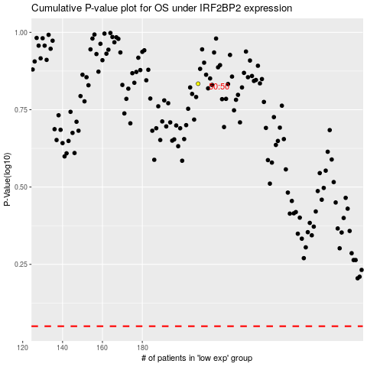

 |  |  |  |  |  | cases_OS | p_OS | rank | exp
 |  |  |  |  |  |  | cases_RFS | p_RFS | rank | exp

