IRF6 _multivariate
Reported by Tex Li-Hsing Chi. tex@gate.sinica.edu.tw 2019-08-18

Table 2. The clinicopathological features of HNSCC cohort and IRF6 expression. (Chi square test)
Cutoff at -0.114 (50.0%)
 |  | IRF6 expression |  | IRF6 expression |  | (Optimised)
 | Features | Low | (%) | High | (%) | Case no | P-value | Remark | Matthews
Gender | Female | 161 | 38.8 | 145 | 34.9 | 415 | 0.0792 | 0 | 0
2 | Male | 46 | 11.1 | 63 | 15.2
Age at diagnosis | <=65y | 137 | 33 | 137 | 33 | 415 | 1 | 0 | 0
4 | >65y | 70 | 16.9 | 71 | 17.1
Clinical T Status | T1+T2 | 85 | 20.5 | 64 | 15.4 | 415 | 0.0372 | 1 | 0
6 | T3+T4 | 122 | 29.4 | 144 | 34.7
Clinical N Status | N0 | 115 | 27.7 | 101 | 24.3 | 415 | 0.184 | 1 | 0
8 | N1-3 | 92 | 22.2 | 107 | 25.8
Clinical M Status | M0 | 205 | 49.4 | 207 | 49.9 | 415 | 0.6232 | 0 | 0
10 | M1 | 2 | 0.5 | 1 | 0.2
Clinical Stage | Stage I+II | 60 | 14.5 | 42 | 10.1 | 415 | 0.0493 | 1 | 0
12 | Stage III+IV | 147 | 35.4 | 166 | 40
Surgical Margin status | Negative | 154 | 37.1 | 164 | 39.5 | 415 | 0.2984 | 0 | 0
14 | Positive | 53 | 12.8 | 44 | 10.6
Tobacco Exposure | Low | 84 | 20.2 | 77 | 18.6 | 415 | 0.4816 | 0 | 0
16 | High | 123 | 29.6 | 131 | 31.6

Table 3. Univariate/Multivariate Cox's proportional hazards regression analyses on OS time of IRF6 gene expression in HNSCC

 |  | Univariate |  |  |  | Multivariate
 | Features | HR | CI95%(L) | CI95%(H) | P-value | HR | CI95%(L) | CI95%(H) | P-value
1 | Female | 1 |  |  |  | 1
Gender | Male | 1.157 | 0.843 | 1.587 | 0.367 | 1.187 | 0.849 | 1.662 | 0.316
11 | <=65y | 1 |  |  |  | 1
Age at diagnosis | >65y | 1.329 | 0.99 | 1.784 | 0.058 | 1.399 | 1.029 | 1.901 | 0.032
12 | T1+T2 | 1 |  |  |  | 1
Clinical T Status | T3+T4 | 1.409 | 1.028 | 1.931 | 0.033 | 2.208 | 1.168 | 4.176 | 0.015
13 | N0 | 1 |  |  |  | 1
Clinical N Status | N1-3 | 1.185 | 0.89 | 1.577 | 0.246 | 1.236 | 0.866 | 1.764 | 0.242
14 | M0 | 1 |  |  |  | 1
Clinical M Status | M1 | 4.097 | 1.009 | 16.644 | 0.049 | 9.572 | 2.085 | 43.936 | 0.004
15 | Stage I+II | 1 |  |  |  | 1
Clinical Stage | Stage III+IV | 1.245 | 0.882 | 1.759 | 0.213 | 0.498 | 0.232 | 1.07 | 0.074
16 | Negative | 1 |  |  |  | 1
Surgical Margin status | Positive | 1.591 | 1.155 | 2.191 | 0.004 | 1.682 | 1.216 | 2.325 | 0.002
17 | Low | 1 |  |  |  | 1
Tobacco Exposure | High | 1.364 | 1.008 | 1.844 | 0.044 | 1.451 | 1.053 | 1.998 | 0.023
18 | Low | 1 |  |  |  | 1
RNAseq(z-score) | High | 1.107 | 0.829 | 1.479 | 0.49 | 1.092 | 0.813 | 1.466 | 0.56

Table 4. Univariate/Multivariate Cox's proportional hazards regression analyses on RFS time of IRF6 gene expression in HNSCC

 |  | Univariate |  |  |  | Multivariate
 | Features | HR | CI95%(L) | CI95%(H) | P-value | HR | CI95%(L) | CI95%(H) | P-value
1 | Female | 1 |  |  |  | 1
Gender | Male | 1.157 | 0.843 | 1.587 | 0.367 | 1.187 | 0.849 | 1.662 | 0.316
11 | <=65y | 1 |  |  |  | 1
Age at diagnosis | >65y | 1.329 | 0.99 | 1.784 | 0.058 | 1.399 | 1.029 | 1.901 | 0.032
12 | T1+T2 | 1 |  |  |  | 1
Clinical T Status | T3+T4 | 1.409 | 1.028 | 1.931 | 0.033 | 2.208 | 1.168 | 4.176 | 0.015
13 | N0 | 1 |  |  |  | 1
Clinical N Status | N1-3 | 1.185 | 0.89 | 1.577 | 0.246 | 1.236 | 0.866 | 1.764 | 0.242
14 | M0 | 1 |  |  |  | 1
Clinical M Status | M1 | 4.097 | 1.009 | 16.644 | 0.049 | 9.572 | 2.085 | 43.936 | 0.004
15 | Stage I+II | 1 |  |  |  | 1
Clinical Stage | Stage III+IV | 1.245 | 0.882 | 1.759 | 0.213 | 0.498 | 0.232 | 1.07 | 0.074
16 | Negative | 1 |  |  |  | 1
Surgical Margin status | Positive | 1.591 | 1.155 | 2.191 | 0.004 | 1.682 | 1.216 | 2.325 | 0.002
17 | Low | 1 |  |  |  | 1
Tobacco Exposure | High | 1.364 | 1.008 | 1.844 | 0.044 | 1.451 | 1.053 | 1.998 | 0.023
18 | Low | 1 |  |  |  | 1
RNAseq(z-score) | High | 1.107 | 0.829 | 1.479 | 0.49 | 1.092 | 0.813 | 1.466 | 0.56

Kaplan-Meier survival estimate: Cutoff at -0.114 (50.0%)



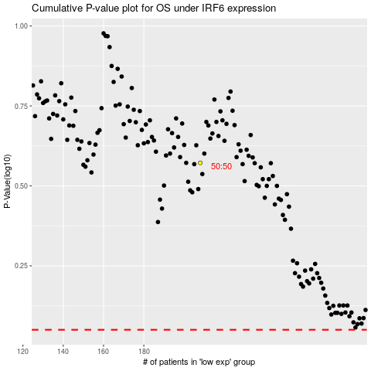

 |  |  |  |  |  | cases_OS | p_OS | rank | exp
 |  |  |  |  |  |  | cases_RFS | p_RFS | rank | exp

