IRGQ _multivariate
Reported by Tex Li-Hsing Chi. tex@gate.sinica.edu.tw 2019-08-18

Table 2. The clinicopathological features of HNSCC cohort and IRGQ expression. (Chi square test)
Cutoff at 0.28 (66.9%)
 |  | IRGQ expression |  | IRGQ expression |  | (Optimised)
 | Features | Low | (%) | High | (%) | Case no | P-value | Remark | Matthews
Gender | Female | 200 | 48.2 | 106 | 25.5 | 415 | 0.2876 | 0 | 0
2 | Male | 78 | 18.8 | 31 | 7.5
Age at diagnosis | <=65y | 180 | 43.4 | 94 | 22.7 | 415 | 0.5019 | 0 | 0
4 | >65y | 98 | 23.6 | 43 | 10.4
Clinical T Status | T1+T2 | 98 | 23.6 | 51 | 12.3 | 415 | 0.7753 | 0 | 0
6 | T3+T4 | 180 | 43.4 | 86 | 20.7
Clinical N Status | N0 | 141 | 34 | 75 | 18.1 | 415 | 0.5045 | 0 | 0
8 | N1-3 | 137 | 33 | 62 | 14.9
Clinical M Status | M0 | 275 | 66.3 | 137 | 33 | 415 | 0.554 | 0 | 0
10 | M1 | 3 | 0.7 | 0 | 0
Clinical Stage | Stage I+II | 69 | 16.6 | 33 | 8 | 415 | 0.9667 | 0 | 0
12 | Stage III+IV | 209 | 50.4 | 104 | 25.1
Surgical Margin status | Negative | 214 | 51.6 | 104 | 25.1 | 415 | 0.8063 | 0 | 0
14 | Positive | 64 | 15.4 | 33 | 8
Tobacco Exposure | Low | 108 | 26 | 53 | 12.8 | 415 | 1 | 0 | 0
16 | High | 170 | 41 | 84 | 20.2

Table 3. Univariate/Multivariate Cox's proportional hazards regression analyses on OS time of IRGQ gene expression in HNSCC

 |  | Univariate |  |  |  | Multivariate
 | Features | HR | CI95%(L) | CI95%(H) | P-value | HR | CI95%(L) | CI95%(H) | P-value
1 | Female | 1 |  |  |  | 1
Gender | Male | 1.157 | 0.843 | 1.587 | 0.367 | 1.205 | 0.863 | 1.683 | 0.273
11 | <=65y | 1 |  |  |  | 1
Age at diagnosis | >65y | 1.329 | 0.99 | 1.784 | 0.058 | 1.369 | 1.008 | 1.86 | 0.044
12 | T1+T2 | 1 |  |  |  | 1
Clinical T Status | T3+T4 | 1.409 | 1.028 | 1.931 | 0.033 | 2.089 | 1.104 | 3.951 | 0.024
13 | N0 | 1 |  |  |  | 1
Clinical N Status | N1-3 | 1.185 | 0.89 | 1.577 | 0.246 | 1.229 | 0.862 | 1.752 | 0.254
14 | M0 | 1 |  |  |  | 1
Clinical M Status | M1 | 4.097 | 1.009 | 16.644 | 0.049 | 7.94 | 1.724 | 36.57 | 0.008
15 | Stage I+II | 1 |  |  |  | 1
Clinical Stage | Stage III+IV | 1.245 | 0.882 | 1.759 | 0.213 | 0.55 | 0.256 | 1.184 | 0.127
16 | Negative | 1 |  |  |  | 1
Surgical Margin status | Positive | 1.591 | 1.155 | 2.191 | 0.004 | 1.654 | 1.198 | 2.284 | 0.002
17 | Low | 1 |  |  |  | 1
Tobacco Exposure | High | 1.364 | 1.008 | 1.844 | 0.044 | 1.45 | 1.053 | 1.998 | 0.023
18 | Low | 1 |  |  |  | 1
RNAseq(z-score) | High | 0.65 | 0.47 | 0.898 | 0.009 | 0.675 | 0.487 | 0.935 | 0.018

Table 4. Univariate/Multivariate Cox's proportional hazards regression analyses on RFS time of IRGQ gene expression in HNSCC

 |  | Univariate |  |  |  | Multivariate
 | Features | HR | CI95%(L) | CI95%(H) | P-value | HR | CI95%(L) | CI95%(H) | P-value
1 | Female | 1 |  |  |  | 1
Gender | Male | 1.157 | 0.843 | 1.587 | 0.367 | 1.205 | 0.863 | 1.683 | 0.273
11 | <=65y | 1 |  |  |  | 1
Age at diagnosis | >65y | 1.329 | 0.99 | 1.784 | 0.058 | 1.369 | 1.008 | 1.86 | 0.044
12 | T1+T2 | 1 |  |  |  | 1
Clinical T Status | T3+T4 | 1.409 | 1.028 | 1.931 | 0.033 | 2.089 | 1.104 | 3.951 | 0.024
13 | N0 | 1 |  |  |  | 1
Clinical N Status | N1-3 | 1.185 | 0.89 | 1.577 | 0.246 | 1.229 | 0.862 | 1.752 | 0.254
14 | M0 | 1 |  |  |  | 1
Clinical M Status | M1 | 4.097 | 1.009 | 16.644 | 0.049 | 7.94 | 1.724 | 36.57 | 0.008
15 | Stage I+II | 1 |  |  |  | 1
Clinical Stage | Stage III+IV | 1.245 | 0.882 | 1.759 | 0.213 | 0.55 | 0.256 | 1.184 | 0.127
16 | Negative | 1 |  |  |  | 1
Surgical Margin status | Positive | 1.591 | 1.155 | 2.191 | 0.004 | 1.654 | 1.198 | 2.284 | 0.002
17 | Low | 1 |  |  |  | 1
Tobacco Exposure | High | 1.364 | 1.008 | 1.844 | 0.044 | 1.45 | 1.053 | 1.998 | 0.023
18 | Low | 1 |  |  |  | 1
RNAseq(z-score) | High | 0.65 | 0.47 | 0.898 | 0.009 | 0.675 | 0.487 | 0.935 | 0.018

Kaplan-Meier survival estimate: Cutoff at 0.28 (66.9%)

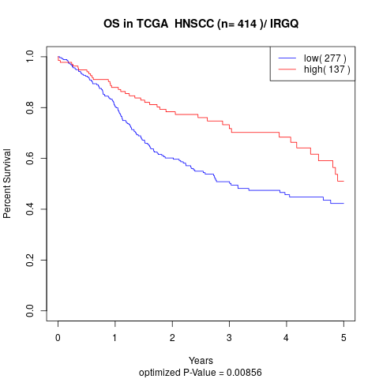

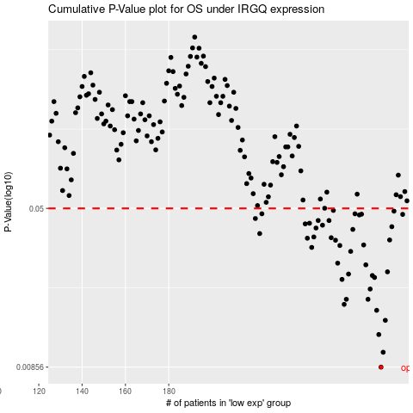

 |  |  |  |  |  | cases_OS | p_OS | rank | exp
 |  |  |  |  |  | 278 | 0.00856 | 103 | 0.28010965187
 |  |  |  |  |  | 279 | 0.0101 | 32 | 0.28139249902
 |  |  |  |  |  | 277 | 0.0123 | 88 | 0.26681843224
 |  |  |  |  |  | 280 | 0.0144 | 219 | 0.28463750607
 |  |  |  |  |  | 276 | 0.0161 | 414 | 0.25124655271
 |  |  |  |  |  | 261 | 0.0172 | 298 | 0.10008676925
 |  |  |  |  |  | 262 | 0.0182 | 282 | 0.10085917017
 |  |  |  |  |  | 272 | 0.0182 | 307 | 0.19539288809
 |  |  |  |  |  | 273 | 0.0204 | 269 | 0.19888254006
 |  |  |  |  |  | 260 | 0.0227 | 176 | 0.096178989891
 |  |  |  |  |  | 275 | 0.0232 | 222 | 0.25000409505
 |  |  |  |  |  | 274 | 0.0237 | 179 | 0.23579314902
 |  |  |  |  |  | 263 | 0.0241 | 73 | 0.11133120338
 |  |  |  |  |  | 281 | 0.0247 | 403 | 0.29054937348
 |  |  |  |  |  | 271 | 0.0267 | 257 | 0.18131503505
 |  |  |  |  |  | 258 | 0.0272 | 174 | 0.08105370273
 |  |  |  |  |  | 264 | 0.031 | 127 | 0.12312493458
 |  |  |  |  |  | 246 | 0.0324 | 386 | 0.040623053517
 |  |  |  |  |  | 259 | 0.0331 | 297 | 0.085136118554
 |  |  |  |  |  | 270 | 0.0333 | 249 | 0.16999136059
 |  |  |  |  |  | 257 | 0.0351 | 185 | 0.080095894815
 |  |  |  |  |  | 282 | 0.0352 | 187 | 0.29439291432
 |  |  |  |  |  | 244 | 0.0359 | 334 | 0.029649421307
 |  |  |  |  |  | 255 | 0.0361 | 120 | 0.070925557185
 |  |  |  |  |  | 247 | 0.0364 | 252 | 0.043629954912
 |  |  |  |  |  | 222 | 0.0378 | 149 | -0.084869401121
 |  |  |  |  |  | 265 | 0.0396 | 234 | 0.1302827216
 |  |  |  |  |  | 248 | 0.0402 | 393 | 0.049801469045
 |  |  |  |  |  | 283 | 0.0408 | 170 | 0.29717786585
 |  |  |  |  |  | 251 | 0.0415 | 286 | 0.061674440575
 |  |  |  |  |  | 243 | 0.0421 | 153 | 0.028673918949
 |  |  |  |  |  | 245 | 0.0424 | 253 | 0.031310391017
 |  |  |  |  |  | 254 | 0.0437 | 209 | 0.06976618648
 |  |  |  |  |  | 249 | 0.0437 | 397 | 0.056102229547
 |  |  |  |  |  | 220 | 0.0447 | 156 | -0.10519916262
 |  |  |  |  |  | 268 | 0.0465 | 306 | 0.15098791302
 |  |  |  |  |  | 288 | 0.0468 | 45 | 0.32093227147
 |  |  |  |  |  | 269 | 0.0469 | 224 | 0.16040520354
 |  |  |  |  |  | 223 | 0.0471 | 272 | -0.076471849075
 |  |  |  |  |  | 266 | 0.0471 | 400 | 0.13693544766
 |  |  |  |  |  | 284 | 0.0485 | 350 | 0.29826607412
 |  |  |  |  |  | 256 | 0.0489 | 264 | 0.076407372687
 |  |  |  |  |  |  | cases_RFS | p_RFS | rank | exp
 |  |  |  |  |  |  | 277 | 0.00856 | 88 | 0.26681843224
 |  |  |  |  |  |  | 278 | 0.0101 | 103 | 0.28010965187
 |  |  |  |  |  |  | 276 | 0.0123 | 414 | 0.25124655271
 |  |  |  |  |  |  | 279 | 0.0144 | 32 | 0.28139249902
 |  |  |  |  |  |  | 275 | 0.0161 | 222 | 0.25000409505
 |  |  |  |  |  |  | 260 | 0.0172 | 176 | 0.096178989891
 |  |  |  |  |  |  | 271 | 0.0182 | 257 | 0.18131503505
 |  |  |  |  |  |  | 261 | 0.0182 | 298 | 0.10008676925
 |  |  |  |  |  |  | 272 | 0.0204 | 307 | 0.19539288809
 |  |  |  |  |  |  | 259 | 0.0227 | 297 | 0.085136118554
 |  |  |  |  |  |  | 274 | 0.0232 | 179 | 0.23579314902
 |  |  |  |  |  |  | 273 | 0.0237 | 269 | 0.19888254006
 |  |  |  |  |  |  | 262 | 0.0241 | 282 | 0.10085917017
 |  |  |  |  |  |  | 280 | 0.0247 | 219 | 0.28463750607
 |  |  |  |  |  |  | 270 | 0.0267 | 249 | 0.16999136059
 |  |  |  |  |  |  | 257 | 0.0272 | 185 | 0.080095894815
 |  |  |  |  |  |  | 263 | 0.031 | 73 | 0.11133120338
 |  |  |  |  |  |  | 245 | 0.0324 | 253 | 0.031310391017
 |  |  |  |  |  |  | 258 | 0.0331 | 174 | 0.08105370273
 |  |  |  |  |  |  | 269 | 0.0333 | 224 | 0.16040520354
 |  |  |  |  |  |  | 256 | 0.0351 | 264 | 0.076407372687
 |  |  |  |  |  |  | 281 | 0.0352 | 403 | 0.29054937348
 |  |  |  |  |  |  | 243 | 0.0359 | 153 | 0.028673918949
 |  |  |  |  |  |  | 254 | 0.0361 | 209 | 0.06976618648
 |  |  |  |  |  |  | 246 | 0.0364 | 386 | 0.040623053517
 |  |  |  |  |  |  | 221 | 0.0378 | 261 | -0.090331983532
 |  |  |  |  |  |  | 264 | 0.0396 | 127 | 0.12312493458
 |  |  |  |  |  |  | 247 | 0.0402 | 252 | 0.043629954912
 |  |  |  |  |  |  | 282 | 0.0408 | 187 | 0.29439291432
 |  |  |  |  |  |  | 250 | 0.0415 | 66 | 0.056348413108
 |  |  |  |  |  |  | 242 | 0.0421 | 23 | 0.021621144601
 |  |  |  |  |  |  | 244 | 0.0424 | 334 | 0.029649421307
 |  |  |  |  |  |  | 253 | 0.0437 | 389 | 0.06626191736
 |  |  |  |  |  |  | 248 | 0.0437 | 393 | 0.049801469045
 |  |  |  |  |  |  | 219 | 0.0447 | 67 | -0.1135782509
 |  |  |  |  |  |  | 267 | 0.0465 | 236 | 0.14839952368
 |  |  |  |  |  |  | 287 | 0.0468 | 371 | 0.31677061531
 |  |  |  |  |  |  | 268 | 0.0469 | 306 | 0.15098791302
 |  |  |  |  |  |  | 222 | 0.0471 | 149 | -0.084869401121
 |  |  |  |  |  |  | 265 | 0.0471 | 234 | 0.1302827216
 |  |  |  |  |  |  | 283 | 0.0485 | 170 | 0.29717786585
 |  |  |  |  |  |  | 255 | 0.0489 | 120 | 0.070925557185

