IRS1 _multivariate
Reported by Tex Li-Hsing Chi. tex@gate.sinica.edu.tw 2019-08-18

Table 2. The clinicopathological features of HNSCC cohort and IRS1 expression. (Chi square test)
Cutoff at -0.132 (50.0%)
 |  | IRS1 expression |  | IRS1 expression |  | (Optimised)
 | Features | Low | (%) | High | (%) | Case no | P-value | Remark | Matthews
Gender | Female | 153 | 36.9 | 153 | 36.9 | 415 | 1 | 0 | 0
2 | Male | 54 | 13 | 55 | 13.3
Age at diagnosis | <=65y | 138 | 33.3 | 136 | 32.8 | 415 | 0.8634 | 0 | 0
4 | >65y | 69 | 16.6 | 72 | 17.3
Clinical T Status | T1+T2 | 73 | 17.6 | 76 | 18.3 | 415 | 0.8666 | 0 | 0
6 | T3+T4 | 134 | 32.3 | 132 | 31.8
Clinical N Status | N0 | 108 | 26 | 108 | 26 | 415 | 1 | 0 | 0
8 | N1-3 | 99 | 23.9 | 100 | 24.1
Clinical M Status | M0 | 204 | 49.2 | 208 | 50.1 | 415 | 0.1232 | 0 | 0
10 | M1 | 3 | 0.7 | 0 | 0
Clinical Stage | Stage I+II | 43 | 10.4 | 59 | 14.2 | 415 | 0.0925 | 0 | 0
12 | Stage III+IV | 164 | 39.5 | 149 | 35.9
Surgical Margin status | Negative | 151 | 36.4 | 167 | 40.2 | 415 | 0.0828 | 0 | 0
14 | Positive | 56 | 13.5 | 41 | 9.9
Tobacco Exposure | Low | 69 | 16.6 | 92 | 22.2 | 415 | 0.0266 | 1 | 0
16 | High | 138 | 33.3 | 116 | 28

Table 3. Univariate/Multivariate Cox's proportional hazards regression analyses on OS time of IRS1 gene expression in HNSCC

 |  | Univariate |  |  |  | Multivariate
 | Features | HR | CI95%(L) | CI95%(H) | P-value | HR | CI95%(L) | CI95%(H) | P-value
1 | Female | 1 |  |  |  | 1
Gender | Male | 1.157 | 0.843 | 1.587 | 0.367 | 1.213 | 0.868 | 1.697 | 0.258
11 | <=65y | 1 |  |  |  | 1
Age at diagnosis | >65y | 1.329 | 0.99 | 1.784 | 0.058 | 1.392 | 1.024 | 1.892 | 0.035
12 | T1+T2 | 1 |  |  |  | 1
Clinical T Status | T3+T4 | 1.409 | 1.028 | 1.931 | 0.033 | 2.162 | 1.142 | 4.094 | 0.018
13 | N0 | 1 |  |  |  | 1
Clinical N Status | N1-3 | 1.185 | 0.89 | 1.577 | 0.246 | 1.227 | 0.859 | 1.752 | 0.26
14 | M0 | 1 |  |  |  | 1
Clinical M Status | M1 | 4.097 | 1.009 | 16.644 | 0.049 | 9.893 | 2.147 | 45.592 | 0.003
15 | Stage I+II | 1 |  |  |  | 1
Clinical Stage | Stage III+IV | 1.245 | 0.882 | 1.759 | 0.213 | 0.523 | 0.242 | 1.127 | 0.098
16 | Negative | 1 |  |  |  | 1
Surgical Margin status | Positive | 1.591 | 1.155 | 2.191 | 0.004 | 1.697 | 1.225 | 2.349 | 0.001
17 | Low | 1 |  |  |  | 1
Tobacco Exposure | High | 1.364 | 1.008 | 1.844 | 0.044 | 1.472 | 1.066 | 2.033 | 0.019
18 | Low | 1 |  |  |  | 1
RNAseq(z-score) | High | 1.027 | 0.771 | 1.367 | 0.857 | 1.126 | 0.839 | 1.511 | 0.429

Table 4. Univariate/Multivariate Cox's proportional hazards regression analyses on RFS time of IRS1 gene expression in HNSCC

 |  | Univariate |  |  |  | Multivariate
 | Features | HR | CI95%(L) | CI95%(H) | P-value | HR | CI95%(L) | CI95%(H) | P-value
1 | Female | 1 |  |  |  | 1
Gender | Male | 1.157 | 0.843 | 1.587 | 0.367 | 1.213 | 0.868 | 1.697 | 0.258
11 | <=65y | 1 |  |  |  | 1
Age at diagnosis | >65y | 1.329 | 0.99 | 1.784 | 0.058 | 1.392 | 1.024 | 1.892 | 0.035
12 | T1+T2 | 1 |  |  |  | 1
Clinical T Status | T3+T4 | 1.409 | 1.028 | 1.931 | 0.033 | 2.162 | 1.142 | 4.094 | 0.018
13 | N0 | 1 |  |  |  | 1
Clinical N Status | N1-3 | 1.185 | 0.89 | 1.577 | 0.246 | 1.227 | 0.859 | 1.752 | 0.26
14 | M0 | 1 |  |  |  | 1
Clinical M Status | M1 | 4.097 | 1.009 | 16.644 | 0.049 | 9.893 | 2.147 | 45.592 | 0.003
15 | Stage I+II | 1 |  |  |  | 1
Clinical Stage | Stage III+IV | 1.245 | 0.882 | 1.759 | 0.213 | 0.523 | 0.242 | 1.127 | 0.098
16 | Negative | 1 |  |  |  | 1
Surgical Margin status | Positive | 1.591 | 1.155 | 2.191 | 0.004 | 1.697 | 1.225 | 2.349 | 0.001
17 | Low | 1 |  |  |  | 1
Tobacco Exposure | High | 1.364 | 1.008 | 1.844 | 0.044 | 1.472 | 1.066 | 2.033 | 0.019
18 | Low | 1 |  |  |  | 1
RNAseq(z-score) | High | 1.027 | 0.771 | 1.367 | 0.857 | 1.126 | 0.839 | 1.511 | 0.429

Kaplan-Meier survival estimate: Cutoff at -0.132 (50.0%)



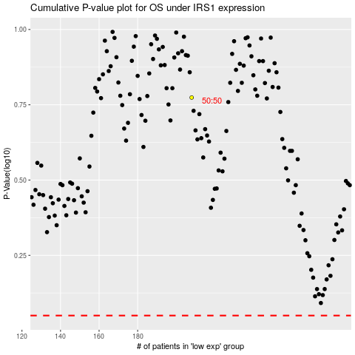

 |  |  |  |  |  | cases_OS | p_OS | rank | exp
 |  |  |  |  |  |  | cases_RFS | p_RFS | rank | exp

