IRX3 _multivariate
Reported by Tex Li-Hsing Chi. tex@gate.sinica.edu.tw 2019-08-18

Table 2. The clinicopathological features of HNSCC cohort and IRX3 expression. (Chi square test)
Cutoff at -0.325 (50.0%)
 |  | IRX3 expression |  | IRX3 expression |  | (Optimised)
 | Features | Low | (%) | High | (%) | Case no | P-value | Remark | Matthews
Gender | Female | 151 | 36.4 | 155 | 37.3 | 415 | 0.8007 | 0 | 0
2 | Male | 56 | 13.5 | 53 | 12.8
Age at diagnosis | <=65y | 137 | 33 | 137 | 33 | 415 | 1 | 0 | 0
4 | >65y | 70 | 16.9 | 71 | 17.1
Clinical T Status | T1+T2 | 72 | 17.3 | 77 | 18.6 | 415 | 0.7095 | 0 | 0
6 | T3+T4 | 135 | 32.5 | 131 | 31.6
Clinical N Status | N0 | 107 | 25.8 | 109 | 26.3 | 415 | 0.9624 | 0 | 0
8 | N1-3 | 100 | 24.1 | 99 | 23.9
Clinical M Status | M0 | 205 | 49.4 | 207 | 49.9 | 415 | 0.6232 | 0 | 0
10 | M1 | 2 | 0.5 | 1 | 0.2
Clinical Stage | Stage I+II | 53 | 12.8 | 49 | 11.8 | 415 | 0.7113 | 0 | 0
12 | Stage III+IV | 154 | 37.1 | 159 | 38.3
Surgical Margin status | Negative | 164 | 39.5 | 154 | 37.1 | 415 | 0.2462 | 0 | 0
14 | Positive | 43 | 10.4 | 54 | 13
Tobacco Exposure | Low | 74 | 17.8 | 87 | 21 | 415 | 0.227 | 0 | 0
16 | High | 133 | 32 | 121 | 29.2

Table 3. Univariate/Multivariate Cox's proportional hazards regression analyses on OS time of IRX3 gene expression in HNSCC

 |  | Univariate |  |  |  | Multivariate
 | Features | HR | CI95%(L) | CI95%(H) | P-value | HR | CI95%(L) | CI95%(H) | P-value
1 | Female | 1 |  |  |  | 1
Gender | Male | 1.157 | 0.843 | 1.587 | 0.367 | 1.199 | 0.858 | 1.675 | 0.288
11 | <=65y | 1 |  |  |  | 1
Age at diagnosis | >65y | 1.329 | 0.99 | 1.784 | 0.058 | 1.392 | 1.024 | 1.892 | 0.035
12 | T1+T2 | 1 |  |  |  | 1
Clinical T Status | T3+T4 | 1.409 | 1.028 | 1.931 | 0.033 | 2.181 | 1.152 | 4.127 | 0.017
13 | N0 | 1 |  |  |  | 1
Clinical N Status | N1-3 | 1.185 | 0.89 | 1.577 | 0.246 | 1.24 | 0.869 | 1.77 | 0.235
14 | M0 | 1 |  |  |  | 1
Clinical M Status | M1 | 4.097 | 1.009 | 16.644 | 0.049 | 9.255 | 2.017 | 42.471 | 0.004
15 | Stage I+II | 1 |  |  |  | 1
Clinical Stage | Stage III+IV | 1.245 | 0.882 | 1.759 | 0.213 | 0.513 | 0.238 | 1.103 | 0.087
16 | Negative | 1 |  |  |  | 1
Surgical Margin status | Positive | 1.591 | 1.155 | 2.191 | 0.004 | 1.677 | 1.214 | 2.318 | 0.002
17 | Low | 1 |  |  |  | 1
Tobacco Exposure | High | 1.364 | 1.008 | 1.844 | 0.044 | 1.444 | 1.047 | 1.991 | 0.025
18 | Low | 1 |  |  |  | 1
RNAseq(z-score) | High | 0.925 | 0.694 | 1.234 | 0.596 | 0.931 | 0.696 | 1.244 | 0.627

Table 4. Univariate/Multivariate Cox's proportional hazards regression analyses on RFS time of IRX3 gene expression in HNSCC

 |  | Univariate |  |  |  | Multivariate
 | Features | HR | CI95%(L) | CI95%(H) | P-value | HR | CI95%(L) | CI95%(H) | P-value
1 | Female | 1 |  |  |  | 1
Gender | Male | 1.157 | 0.843 | 1.587 | 0.367 | 1.199 | 0.858 | 1.675 | 0.288
11 | <=65y | 1 |  |  |  | 1
Age at diagnosis | >65y | 1.329 | 0.99 | 1.784 | 0.058 | 1.392 | 1.024 | 1.892 | 0.035
12 | T1+T2 | 1 |  |  |  | 1
Clinical T Status | T3+T4 | 1.409 | 1.028 | 1.931 | 0.033 | 2.181 | 1.152 | 4.127 | 0.017
13 | N0 | 1 |  |  |  | 1
Clinical N Status | N1-3 | 1.185 | 0.89 | 1.577 | 0.246 | 1.24 | 0.869 | 1.77 | 0.235
14 | M0 | 1 |  |  |  | 1
Clinical M Status | M1 | 4.097 | 1.009 | 16.644 | 0.049 | 9.255 | 2.017 | 42.471 | 0.004
15 | Stage I+II | 1 |  |  |  | 1
Clinical Stage | Stage III+IV | 1.245 | 0.882 | 1.759 | 0.213 | 0.513 | 0.238 | 1.103 | 0.087
16 | Negative | 1 |  |  |  | 1
Surgical Margin status | Positive | 1.591 | 1.155 | 2.191 | 0.004 | 1.677 | 1.214 | 2.318 | 0.002
17 | Low | 1 |  |  |  | 1
Tobacco Exposure | High | 1.364 | 1.008 | 1.844 | 0.044 | 1.444 | 1.047 | 1.991 | 0.025
18 | Low | 1 |  |  |  | 1
RNAseq(z-score) | High | 0.925 | 0.694 | 1.234 | 0.596 | 0.931 | 0.696 | 1.244 | 0.627

Kaplan-Meier survival estimate: Cutoff at -0.325 (50.0%)



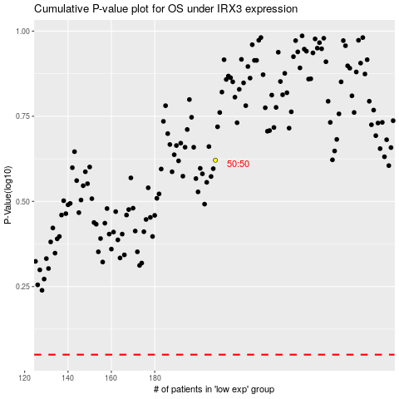

 |  |  |  |  |  | cases_OS | p_OS | rank | exp
 |  |  |  |  |  |  | cases_RFS | p_RFS | rank | exp

