IRX6 _multivariate
Reported by Tex Li-Hsing Chi. tex@gate.sinica.edu.tw 2019-08-18

Table 2. The clinicopathological features of HNSCC cohort and IRX6 expression. (Chi square test)
Cutoff at -0.263 (49.8%)
 |  | IRX6 expression |  | IRX6 expression |  | (Optimised)
 | Features | Low | (%) | High | (%) | Case no | P-value | Remark | Matthews
Gender | Female | 152 | 36.6 | 154 | 37.1 | 415 | 0.9766 | 0 | 0
2 | Male | 55 | 13.3 | 54 | 13
Age at diagnosis | <=65y | 129 | 31.1 | 145 | 34.9 | 415 | 0.1372 | 0 | 0
4 | >65y | 78 | 18.8 | 63 | 15.2
Clinical T Status | T1+T2 | 60 | 14.5 | 89 | 21.4 | 415 | 0.0047 | 1 | 0
6 | T3+T4 | 147 | 35.4 | 119 | 28.7
Clinical N Status | N0 | 108 | 26 | 108 | 26 | 415 | 1 | 0 | 0
8 | N1-3 | 99 | 23.9 | 100 | 24.1
Clinical M Status | M0 | 204 | 49.2 | 208 | 50.1 | 415 | 0.1232 | 0 | 0
10 | M1 | 3 | 0.7 | 0 | 0
Clinical Stage | Stage I+II | 45 | 10.8 | 57 | 13.7 | 415 | 0.2202 | 0 | 0
12 | Stage III+IV | 162 | 39 | 151 | 36.4
Surgical Margin status | Negative | 164 | 39.5 | 154 | 37.1 | 415 | 0.2462 | 0 | 0
14 | Positive | 43 | 10.4 | 54 | 13
Tobacco Exposure | Low | 90 | 21.7 | 71 | 17.1 | 415 | 0.0559 | 0 | 0
16 | High | 117 | 28.2 | 137 | 33

Table 3. Univariate/Multivariate Cox's proportional hazards regression analyses on OS time of IRX6 gene expression in HNSCC

 |  | Univariate |  |  |  | Multivariate
 | Features | HR | CI95%(L) | CI95%(H) | P-value | HR | CI95%(L) | CI95%(H) | P-value
1 | Female | 1 |  |  |  | 1
Gender | Male | 1.157 | 0.843 | 1.587 | 0.367 | 1.207 | 0.862 | 1.689 | 0.273
11 | <=65y | 1 |  |  |  | 1
Age at diagnosis | >65y | 1.329 | 0.99 | 1.784 | 0.058 | 1.381 | 1.015 | 1.879 | 0.04
12 | T1+T2 | 1 |  |  |  | 1
Clinical T Status | T3+T4 | 1.409 | 1.028 | 1.931 | 0.033 | 2.109 | 1.112 | 4.001 | 0.022
13 | N0 | 1 |  |  |  | 1
Clinical N Status | N1-3 | 1.185 | 0.89 | 1.577 | 0.246 | 1.238 | 0.867 | 1.766 | 0.24
14 | M0 | 1 |  |  |  | 1
Clinical M Status | M1 | 4.097 | 1.009 | 16.644 | 0.049 | 8.291 | 1.789 | 38.428 | 0.007
15 | Stage I+II | 1 |  |  |  | 1
Clinical Stage | Stage III+IV | 1.245 | 0.882 | 1.759 | 0.213 | 0.516 | 0.24 | 1.109 | 0.09
16 | Negative | 1 |  |  |  | 1
Surgical Margin status | Positive | 1.591 | 1.155 | 2.191 | 0.004 | 1.718 | 1.24 | 2.379 | 0.001
17 | Low | 1 |  |  |  | 1
Tobacco Exposure | High | 1.364 | 1.008 | 1.844 | 0.044 | 1.505 | 1.085 | 2.087 | 0.014
18 | Low | 1 |  |  |  | 1
RNAseq(z-score) | High | 0.83 | 0.623 | 1.105 | 0.202 | 0.819 | 0.609 | 1.103 | 0.19

Table 4. Univariate/Multivariate Cox's proportional hazards regression analyses on RFS time of IRX6 gene expression in HNSCC

 |  | Univariate |  |  |  | Multivariate
 | Features | HR | CI95%(L) | CI95%(H) | P-value | HR | CI95%(L) | CI95%(H) | P-value
1 | Female | 1 |  |  |  | 1
Gender | Male | 1.157 | 0.843 | 1.587 | 0.367 | 1.207 | 0.862 | 1.689 | 0.273
11 | <=65y | 1 |  |  |  | 1
Age at diagnosis | >65y | 1.329 | 0.99 | 1.784 | 0.058 | 1.381 | 1.015 | 1.879 | 0.04
12 | T1+T2 | 1 |  |  |  | 1
Clinical T Status | T3+T4 | 1.409 | 1.028 | 1.931 | 0.033 | 2.109 | 1.112 | 4.001 | 0.022
13 | N0 | 1 |  |  |  | 1
Clinical N Status | N1-3 | 1.185 | 0.89 | 1.577 | 0.246 | 1.238 | 0.867 | 1.766 | 0.24
14 | M0 | 1 |  |  |  | 1
Clinical M Status | M1 | 4.097 | 1.009 | 16.644 | 0.049 | 8.291 | 1.789 | 38.428 | 0.007
15 | Stage I+II | 1 |  |  |  | 1
Clinical Stage | Stage III+IV | 1.245 | 0.882 | 1.759 | 0.213 | 0.516 | 0.24 | 1.109 | 0.09
16 | Negative | 1 |  |  |  | 1
Surgical Margin status | Positive | 1.591 | 1.155 | 2.191 | 0.004 | 1.718 | 1.24 | 2.379 | 0.001
17 | Low | 1 |  |  |  | 1
Tobacco Exposure | High | 1.364 | 1.008 | 1.844 | 0.044 | 1.505 | 1.085 | 2.087 | 0.014
18 | Low | 1 |  |  |  | 1
RNAseq(z-score) | High | 0.83 | 0.623 | 1.105 | 0.202 | 0.819 | 0.609 | 1.103 | 0.19

Kaplan-Meier survival estimate: Cutoff at -0.263 (49.8%)



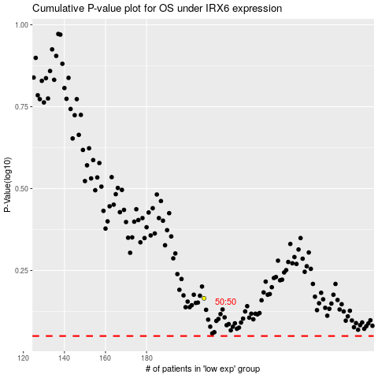

 |  |  |  |  |  | cases_OS | p_OS | rank | exp
 |  |  |  |  |  |  | cases_RFS | p_RFS | rank | exp

