ISCA1P1 _multivariate
Reported by Tex Li-Hsing Chi. tex@gate.sinica.edu.tw 2019-08-18

Table 2. The clinicopathological features of HNSCC cohort and ISCA1P1 expression. (Chi square test)
Cutoff at -0.529 (31.9%)
 |  | ISCA1P1 expression |  | ISCA1P1 expression |  | (Optimised)
 | Features | Low | (%) | High | (%) | Case no | P-value | Remark | Matthews
Gender | Female | 98 | 23.6 | 208 | 50.1 | 415 | 0.9675 | 0 | 0
2 | Male | 34 | 8.2 | 75 | 18.1
Age at diagnosis | <=65y | 95 | 22.9 | 179 | 43.1 | 415 | 0.102 | 0 | 0
4 | >65y | 37 | 8.9 | 104 | 25.1
Clinical T Status | T1+T2 | 44 | 10.6 | 105 | 25.3 | 415 | 0.525 | 0 | 0
6 | T3+T4 | 88 | 21.2 | 178 | 42.9
Clinical N Status | N0 | 71 | 17.1 | 145 | 34.9 | 415 | 0.7047 | 0 | 0
8 | N1-3 | 61 | 14.7 | 138 | 33.3
Clinical M Status | M0 | 132 | 31.8 | 280 | 67.5 | 415 | 0.5546 | 0 | 0
10 | M1 | 0 | 0 | 3 | 0.7
Clinical Stage | Stage I+II | 29 | 7 | 73 | 17.6 | 415 | 0.4712 | 0 | 0
12 | Stage III+IV | 103 | 24.8 | 210 | 50.6
Surgical Margin status | Negative | 104 | 25.1 | 214 | 51.6 | 415 | 0.5343 | 0 | 0
14 | Positive | 28 | 6.7 | 69 | 16.6
Tobacco Exposure | Low | 55 | 13.3 | 106 | 25.5 | 415 | 0.4494 | 0 | 0
16 | High | 77 | 18.6 | 177 | 42.7

Table 3. Univariate/Multivariate Cox's proportional hazards regression analyses on OS time of ISCA1P1 gene expression in HNSCC

 |  | Univariate |  |  |  | Multivariate
 | Features | HR | CI95%(L) | CI95%(H) | P-value | HR | CI95%(L) | CI95%(H) | P-value
1 | Female | 1 |  |  |  | 1
Gender | Male | 1.157 | 0.843 | 1.587 | 0.367 | 1.205 | 0.863 | 1.682 | 0.275
11 | <=65y | 1 |  |  |  | 1
Age at diagnosis | >65y | 1.329 | 0.99 | 1.784 | 0.058 | 1.305 | 0.956 | 1.783 | 0.094
12 | T1+T2 | 1 |  |  |  | 1
Clinical T Status | T3+T4 | 1.409 | 1.028 | 1.931 | 0.033 | 2.183 | 1.156 | 4.122 | 0.016
13 | N0 | 1 |  |  |  | 1
Clinical N Status | N1-3 | 1.185 | 0.89 | 1.577 | 0.246 | 1.216 | 0.852 | 1.735 | 0.281
14 | M0 | 1 |  |  |  | 1
Clinical M Status | M1 | 4.097 | 1.009 | 16.644 | 0.049 | 8.263 | 1.798 | 37.977 | 0.007
15 | Stage I+II | 1 |  |  |  | 1
Clinical Stage | Stage III+IV | 1.245 | 0.882 | 1.759 | 0.213 | 0.536 | 0.249 | 1.151 | 0.11
16 | Negative | 1 |  |  |  | 1
Surgical Margin status | Positive | 1.591 | 1.155 | 2.191 | 0.004 | 1.621 | 1.173 | 2.24 | 0.003
17 | Low | 1 |  |  |  | 1
Tobacco Exposure | High | 1.364 | 1.008 | 1.844 | 0.044 | 1.455 | 1.056 | 2.004 | 0.022
18 | Low | 1 |  |  |  | 1
RNAseq(z-score) | High | 1.538 | 1.116 | 2.118 | 0.008 | 1.455 | 1.047 | 2.022 | 0.025

Table 4. Univariate/Multivariate Cox's proportional hazards regression analyses on RFS time of ISCA1P1 gene expression in HNSCC

 |  | Univariate |  |  |  | Multivariate
 | Features | HR | CI95%(L) | CI95%(H) | P-value | HR | CI95%(L) | CI95%(H) | P-value
1 | Female | 1 |  |  |  | 1
Gender | Male | 1.157 | 0.843 | 1.587 | 0.367 | 1.205 | 0.863 | 1.682 | 0.275
11 | <=65y | 1 |  |  |  | 1
Age at diagnosis | >65y | 1.329 | 0.99 | 1.784 | 0.058 | 1.305 | 0.956 | 1.783 | 0.094
12 | T1+T2 | 1 |  |  |  | 1
Clinical T Status | T3+T4 | 1.409 | 1.028 | 1.931 | 0.033 | 2.183 | 1.156 | 4.122 | 0.016
13 | N0 | 1 |  |  |  | 1
Clinical N Status | N1-3 | 1.185 | 0.89 | 1.577 | 0.246 | 1.216 | 0.852 | 1.735 | 0.281
14 | M0 | 1 |  |  |  | 1
Clinical M Status | M1 | 4.097 | 1.009 | 16.644 | 0.049 | 8.263 | 1.798 | 37.977 | 0.007
15 | Stage I+II | 1 |  |  |  | 1
Clinical Stage | Stage III+IV | 1.245 | 0.882 | 1.759 | 0.213 | 0.536 | 0.249 | 1.151 | 0.11
16 | Negative | 1 |  |  |  | 1
Surgical Margin status | Positive | 1.591 | 1.155 | 2.191 | 0.004 | 1.621 | 1.173 | 2.24 | 0.003
17 | Low | 1 |  |  |  | 1
Tobacco Exposure | High | 1.364 | 1.008 | 1.844 | 0.044 | 1.455 | 1.056 | 2.004 | 0.022
18 | Low | 1 |  |  |  | 1
RNAseq(z-score) | High | 1.538 | 1.116 | 2.118 | 0.008 | 1.455 | 1.047 | 2.022 | 0.025

Kaplan-Meier survival estimate: Cutoff at -0.529 (31.9%)

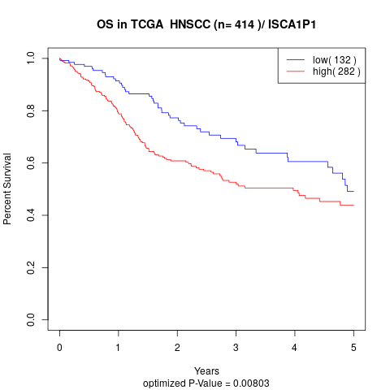

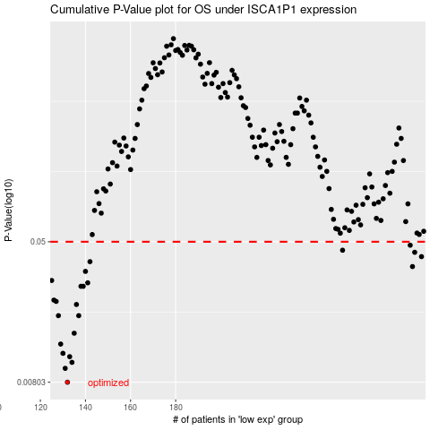

 |  |  |  |  |  | cases_OS | p_OS | rank | exp
 |  |  |  |  |  | 132 | 0.00803 | 208 | -0.52853173918
 |  |  |  |  |  | 131 | 0.00962 | 311 | -0.52984287812
 |  |  |  |  |  | 134 | 0.0104 | 70 | -0.51520054114
 |  |  |  |  |  | 133 | 0.0112 | 144 | -0.5180040647
 |  |  |  |  |  | 130 | 0.0117 | 93 | -0.53711198669
 |  |  |  |  |  | 129 | 0.0132 | 252 | -0.54955238151
 |  |  |  |  |  | 135 | 0.0152 | 264 | -0.5114830766
 |  |  |  |  |  | 128 | 0.0191 | 110 | -0.55667109473
 |  |  |  |  |  | 137 | 0.0191 | 216 | -0.4955565947
 |  |  |  |  |  | 136 | 0.0221 | 103 | -0.50238608609
 |  |  |  |  |  | 127 | 0.023 | 167 | -0.5596442951
 |  |  |  |  |  | 126 | 0.0234 | 277 | -0.56281416632
 |  |  |  |  |  | 139 | 0.028 | 82 | -0.48600841814
 |  |  |  |  |  | 138 | 0.028 | 342 | -0.48616652607
 |  |  |  |  |  | 141 | 0.0293 | 284 | -0.4820750013
 |  |  |  |  |  | 125 | 0.0302 | 106 | -0.56472688666
 |  |  |  |  |  | 140 | 0.034 | 96 | -0.48592357974
 |  |  |  |  |  | 285 | 0.0362 | 267 | 0.28789520081
 |  |  |  |  |  | 142 | 0.0386 | 370 | -0.48141557554
 |  |  |  |  |  | 289 | 0.0412 | 148 | 0.32180356772
 |  |  |  |  |  | 286 | 0.0436 | 92 | 0.3046430727
 |  |  |  |  |  | 254 | 0.0448 | 114 | 0.12021595483
 |  |  |  |  |  | 284 | 0.0478 | 73 | 0.28778336838
 |  |  |  |  |  |  | cases_RFS | p_RFS | rank | exp
 |  |  |  |  |  |  | 131 | 0.00803 | 311 | -0.52984287812
 |  |  |  |  |  |  | 130 | 0.00962 | 93 | -0.53711198669
 |  |  |  |  |  |  | 133 | 0.0104 | 144 | -0.5180040647
 |  |  |  |  |  |  | 132 | 0.0112 | 208 | -0.52853173918
 |  |  |  |  |  |  | 129 | 0.0117 | 252 | -0.54955238151
 |  |  |  |  |  |  | 128 | 0.0132 | 110 | -0.55667109473
 |  |  |  |  |  |  | 134 | 0.0152 | 70 | -0.51520054114
 |  |  |  |  |  |  | 136 | 0.0191 | 103 | -0.50238608609
 |  |  |  |  |  |  | 127 | 0.0191 | 167 | -0.5596442951
 |  |  |  |  |  |  | 135 | 0.0221 | 264 | -0.5114830766
 |  |  |  |  |  |  | 126 | 0.023 | 277 | -0.56281416632
 |  |  |  |  |  |  | 125 | 0.0234 | 106 | -0.56472688666
 |  |  |  |  |  |  | 137 | 0.028 | 216 | -0.4955565947
 |  |  |  |  |  |  | 138 | 0.028 | 342 | -0.48616652607
 |  |  |  |  |  |  | 140 | 0.0293 | 96 | -0.48592357974
 |  |  |  |  |  |  |  | 0.0302 | 336 | -0.58227686708
 |  |  |  |  |  |  | 139 | 0.034 | 82 | -0.48600841814
 |  |  |  |  |  |  | 284 | 0.0362 | 73 | 0.28778336838
 |  |  |  |  |  |  | 141 | 0.0386 | 284 | -0.4820750013
 |  |  |  |  |  |  | 288 | 0.0412 | 109 | 0.31970574541
 |  |  |  |  |  |  | 285 | 0.0436 | 267 | 0.28789520081
 |  |  |  |  |  |  | 253 | 0.0448 | 130 | 0.11823382125
 |  |  |  |  |  |  | 283 | 0.0478 | 230 | 0.28625242084

