ISCU _multivariate
Reported by Tex Li-Hsing Chi. tex@gate.sinica.edu.tw 2019-08-18

Table 2. The clinicopathological features of HNSCC cohort and ISCU expression. (Chi square test)
Cutoff at -0.212 (54.1%)
 |  | ISCU expression |  | ISCU expression |  | (Optimised)
 | Features | Low | (%) | High | (%) | Case no | P-value | Remark | Matthews
Gender | Female | 158 | 38.1 | 148 | 35.7 | 415 | 0.1357 | 0 | 0
2 | Male | 66 | 15.9 | 43 | 10.4
Age at diagnosis | <=65y | 146 | 35.2 | 128 | 30.8 | 415 | 0.7719 | 0 | 0
4 | >65y | 78 | 18.8 | 63 | 15.2
Clinical T Status | T1+T2 | 71 | 17.1 | 78 | 18.8 | 415 | 0.0669 | 0 | 0
6 | T3+T4 | 153 | 36.9 | 113 | 27.2
Clinical N Status | N0 | 118 | 28.4 | 98 | 23.6 | 415 | 0.8573 | 0 | 0
8 | N1-3 | 106 | 25.5 | 93 | 22.4
Clinical M Status | M0 | 222 | 53.5 | 190 | 45.8 | 415 | 1 | 0 | 0
10 | M1 | 2 | 0.5 | 1 | 0.2
Clinical Stage | Stage I+II | 54 | 13 | 48 | 11.6 | 415 | 0.8989 | 0 | 0
12 | Stage III+IV | 170 | 41 | 143 | 34.5
Surgical Margin status | Negative | 181 | 43.6 | 137 | 33 | 415 | 0.036 | 1 | 0
14 | Positive | 43 | 10.4 | 54 | 13
Tobacco Exposure | Low | 82 | 19.8 | 79 | 19 | 415 | 0.3632 | 0 | 0
16 | High | 142 | 34.2 | 112 | 27

Table 3. Univariate/Multivariate Cox's proportional hazards regression analyses on OS time of ISCU gene expression in HNSCC

 |  | Univariate |  |  |  | Multivariate
 | Features | HR | CI95%(L) | CI95%(H) | P-value | HR | CI95%(L) | CI95%(H) | P-value
1 | Female | 1 |  |  |  | 1
Gender | Male | 1.157 | 0.843 | 1.587 | 0.367 | 1.162 | 0.829 | 1.629 | 0.384
11 | <=65y | 1 |  |  |  | 1
Age at diagnosis | >65y | 1.329 | 0.99 | 1.784 | 0.058 | 1.376 | 1.012 | 1.871 | 0.041
12 | T1+T2 | 1 |  |  |  | 1
Clinical T Status | T3+T4 | 1.409 | 1.028 | 1.931 | 0.033 | 2.065 | 1.088 | 3.921 | 0.027
13 | N0 | 1 |  |  |  | 1
Clinical N Status | N1-3 | 1.185 | 0.89 | 1.577 | 0.246 | 1.214 | 0.851 | 1.733 | 0.285
14 | M0 | 1 |  |  |  | 1
Clinical M Status | M1 | 4.097 | 1.009 | 16.644 | 0.049 | 8.846 | 1.927 | 40.615 | 0.005
15 | Stage I+II | 1 |  |  |  | 1
Clinical Stage | Stage III+IV | 1.245 | 0.882 | 1.759 | 0.213 | 0.535 | 0.248 | 1.151 | 0.11
16 | Negative | 1 |  |  |  | 1
Surgical Margin status | Positive | 1.591 | 1.155 | 2.191 | 0.004 | 1.761 | 1.268 | 2.444 | 0.001
17 | Low | 1 |  |  |  | 1
Tobacco Exposure | High | 1.364 | 1.008 | 1.844 | 0.044 | 1.435 | 1.041 | 1.979 | 0.027
18 | Low | 1 |  |  |  | 1
RNAseq(z-score) | High | 0.744 | 0.554 | 0.998 | 0.048 | 0.753 | 0.556 | 1.019 | 0.066

Table 4. Univariate/Multivariate Cox's proportional hazards regression analyses on RFS time of ISCU gene expression in HNSCC

 |  | Univariate |  |  |  | Multivariate
 | Features | HR | CI95%(L) | CI95%(H) | P-value | HR | CI95%(L) | CI95%(H) | P-value
1 | Female | 1 |  |  |  | 1
Gender | Male | 1.157 | 0.843 | 1.587 | 0.367 | 1.162 | 0.829 | 1.629 | 0.384
11 | <=65y | 1 |  |  |  | 1
Age at diagnosis | >65y | 1.329 | 0.99 | 1.784 | 0.058 | 1.376 | 1.012 | 1.871 | 0.041
12 | T1+T2 | 1 |  |  |  | 1
Clinical T Status | T3+T4 | 1.409 | 1.028 | 1.931 | 0.033 | 2.065 | 1.088 | 3.921 | 0.027
13 | N0 | 1 |  |  |  | 1
Clinical N Status | N1-3 | 1.185 | 0.89 | 1.577 | 0.246 | 1.214 | 0.851 | 1.733 | 0.285
14 | M0 | 1 |  |  |  | 1
Clinical M Status | M1 | 4.097 | 1.009 | 16.644 | 0.049 | 8.846 | 1.927 | 40.615 | 0.005
15 | Stage I+II | 1 |  |  |  | 1
Clinical Stage | Stage III+IV | 1.245 | 0.882 | 1.759 | 0.213 | 0.535 | 0.248 | 1.151 | 0.11
16 | Negative | 1 |  |  |  | 1
Surgical Margin status | Positive | 1.591 | 1.155 | 2.191 | 0.004 | 1.761 | 1.268 | 2.444 | 0.001
17 | Low | 1 |  |  |  | 1
Tobacco Exposure | High | 1.364 | 1.008 | 1.844 | 0.044 | 1.435 | 1.041 | 1.979 | 0.027
18 | Low | 1 |  |  |  | 1
RNAseq(z-score) | High | 0.744 | 0.554 | 0.998 | 0.048 | 0.753 | 0.556 | 1.019 | 0.066

Kaplan-Meier survival estimate: Cutoff at -0.212 (54.1%)



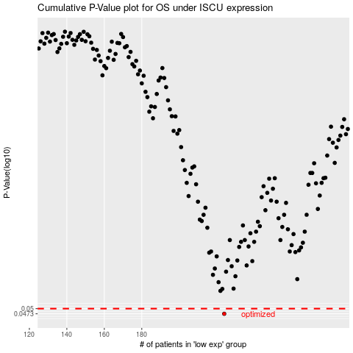

 |  |  |  |  |  | cases_OS | p_OS | rank | exp
 |  |  |  |  |  | 224 | 0.0473 | 177 | -0.21155490892
 |  |  |  |  |  |  | cases_RFS | p_RFS | rank | exp
 |  |  |  |  |  |  | 223 | 0.0473 | 221 | -0.21633376273

