ISG15 _multivariate
Reported by Tex Li-Hsing Chi. tex@gate.sinica.edu.tw 2019-08-18

Table 2. The clinicopathological features of HNSCC cohort and ISG15 expression. (Chi square test)
Cutoff at -0.195 (50.0%)
 |  | ISG15 expression |  | ISG15 expression |  | (Optimised)
 | Features | Low | (%) | High | (%) | Case no | P-value | Remark | Matthews
Gender | Female | 168 | 40.5 | 138 | 33.3 | 415 | 9e-04 | 1 | 0
2 | Male | 39 | 9.4 | 70 | 16.9
Age at diagnosis | <=65y | 142 | 34.2 | 132 | 31.8 | 415 | 0.3167 | 0 | 0
4 | >65y | 65 | 15.7 | 76 | 18.3
Clinical T Status | T1+T2 | 74 | 17.8 | 75 | 18.1 | 415 | 1 | 0 | 0
6 | T3+T4 | 133 | 32 | 133 | 32
Clinical N Status | N0 | 113 | 27.2 | 103 | 24.8 | 415 | 0.3495 | 1 | 0
8 | N1-3 | 94 | 22.7 | 105 | 25.3
Clinical M Status | M0 | 207 | 49.9 | 205 | 49.4 | 415 | 0.2482 | 0 | 0
10 | M1 | 0 | 0 | 3 | 0.7
Clinical Stage | Stage I+II | 51 | 12.3 | 51 | 12.3 | 415 | 1 | 0 | 0
12 | Stage III+IV | 156 | 37.6 | 157 | 37.8
Surgical Margin status | Negative | 156 | 37.6 | 162 | 39 | 415 | 0.5636 | 0 | 0
14 | Positive | 51 | 12.3 | 46 | 11.1
Tobacco Exposure | Low | 70 | 16.9 | 91 | 21.9 | 415 | 0.0439 | 1 | 0
16 | High | 137 | 33 | 117 | 28.2

Table 3. Univariate/Multivariate Cox's proportional hazards regression analyses on OS time of ISG15 gene expression in HNSCC

 |  | Univariate |  |  |  | Multivariate
 | Features | HR | CI95%(L) | CI95%(H) | P-value | HR | CI95%(L) | CI95%(H) | P-value
1 | Female | 1 |  |  |  | 1
Gender | Male | 1.157 | 0.843 | 1.587 | 0.367 | 1.186 | 0.843 | 1.667 | 0.327
11 | <=65y | 1 |  |  |  | 1
Age at diagnosis | >65y | 1.329 | 0.99 | 1.784 | 0.058 | 1.391 | 1.023 | 1.891 | 0.035
12 | T1+T2 | 1 |  |  |  | 1
Clinical T Status | T3+T4 | 1.409 | 1.028 | 1.931 | 0.033 | 2.192 | 1.159 | 4.148 | 0.016
13 | N0 | 1 |  |  |  | 1
Clinical N Status | N1-3 | 1.185 | 0.89 | 1.577 | 0.246 | 1.233 | 0.863 | 1.762 | 0.25
14 | M0 | 1 |  |  |  | 1
Clinical M Status | M1 | 4.097 | 1.009 | 16.644 | 0.049 | 9.078 | 1.961 | 42.018 | 0.005
15 | Stage I+II | 1 |  |  |  | 1
Clinical Stage | Stage III+IV | 1.245 | 0.882 | 1.759 | 0.213 | 0.509 | 0.237 | 1.093 | 0.083
16 | Negative | 1 |  |  |  | 1
Surgical Margin status | Positive | 1.591 | 1.155 | 2.191 | 0.004 | 1.673 | 1.21 | 2.311 | 0.002
17 | Low | 1 |  |  |  | 1
Tobacco Exposure | High | 1.364 | 1.008 | 1.844 | 0.044 | 1.459 | 1.058 | 2.011 | 0.021
18 | Low | 1 |  |  |  | 1
RNAseq(z-score) | High | 1.123 | 0.841 | 1.498 | 0.432 | 1.063 | 0.788 | 1.434 | 0.689

Table 4. Univariate/Multivariate Cox's proportional hazards regression analyses on RFS time of ISG15 gene expression in HNSCC

 |  | Univariate |  |  |  | Multivariate
 | Features | HR | CI95%(L) | CI95%(H) | P-value | HR | CI95%(L) | CI95%(H) | P-value
1 | Female | 1 |  |  |  | 1
Gender | Male | 1.157 | 0.843 | 1.587 | 0.367 | 1.186 | 0.843 | 1.667 | 0.327
11 | <=65y | 1 |  |  |  | 1
Age at diagnosis | >65y | 1.329 | 0.99 | 1.784 | 0.058 | 1.391 | 1.023 | 1.891 | 0.035
12 | T1+T2 | 1 |  |  |  | 1
Clinical T Status | T3+T4 | 1.409 | 1.028 | 1.931 | 0.033 | 2.192 | 1.159 | 4.148 | 0.016
13 | N0 | 1 |  |  |  | 1
Clinical N Status | N1-3 | 1.185 | 0.89 | 1.577 | 0.246 | 1.233 | 0.863 | 1.762 | 0.25
14 | M0 | 1 |  |  |  | 1
Clinical M Status | M1 | 4.097 | 1.009 | 16.644 | 0.049 | 9.078 | 1.961 | 42.018 | 0.005
15 | Stage I+II | 1 |  |  |  | 1
Clinical Stage | Stage III+IV | 1.245 | 0.882 | 1.759 | 0.213 | 0.509 | 0.237 | 1.093 | 0.083
16 | Negative | 1 |  |  |  | 1
Surgical Margin status | Positive | 1.591 | 1.155 | 2.191 | 0.004 | 1.673 | 1.21 | 2.311 | 0.002
17 | Low | 1 |  |  |  | 1
Tobacco Exposure | High | 1.364 | 1.008 | 1.844 | 0.044 | 1.459 | 1.058 | 2.011 | 0.021
18 | Low | 1 |  |  |  | 1
RNAseq(z-score) | High | 1.123 | 0.841 | 1.498 | 0.432 | 1.063 | 0.788 | 1.434 | 0.689

Kaplan-Meier survival estimate: Cutoff at -0.195 (50.0%)



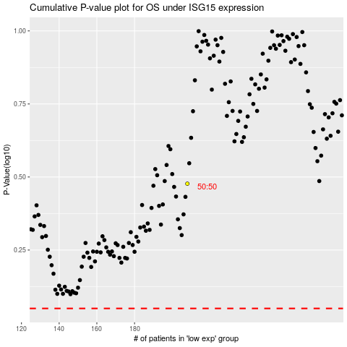

 |  |  |  |  |  | cases_OS | p_OS | rank | exp
 |  |  |  |  |  |  | cases_RFS | p_RFS | rank | exp

