ISG20 _multivariate
Reported by Tex Li-Hsing Chi. tex@gate.sinica.edu.tw 2019-08-18

Table 2. The clinicopathological features of HNSCC cohort and ISG20 expression. (Chi square test)
Cutoff at -0.18 (57.7%)
 |  | ISG20 expression |  | ISG20 expression |  | (Optimised)
 | Features | Low | (%) | High | (%) | Case no | P-value | Remark | Matthews
Gender | Female | 183 | 44.1 | 123 | 29.6 | 415 | 0.1568 | 0 | 0
2 | Male | 56 | 13.5 | 53 | 12.8
Age at diagnosis | <=65y | 165 | 39.8 | 109 | 26.3 | 415 | 0.1598 | 0 | 0
4 | >65y | 74 | 17.8 | 67 | 16.1
Clinical T Status | T1+T2 | 75 | 18.1 | 74 | 17.8 | 415 | 0.0328 | 1 | 0
6 | T3+T4 | 164 | 39.5 | 102 | 24.6
Clinical N Status | N0 | 125 | 30.1 | 91 | 21.9 | 415 | 0.9834 | 0 | 0
8 | N1-3 | 114 | 27.5 | 85 | 20.5
Clinical M Status | M0 | 238 | 57.3 | 174 | 41.9 | 415 | 0.5767 | 0 | 0
10 | M1 | 1 | 0.2 | 2 | 0.5
Clinical Stage | Stage I+II | 56 | 13.5 | 46 | 11.1 | 415 | 0.605 | 0 | 0
12 | Stage III+IV | 183 | 44.1 | 130 | 31.3
Surgical Margin status | Negative | 183 | 44.1 | 135 | 32.5 | 415 | 1 | 0 | 0
14 | Positive | 56 | 13.5 | 41 | 9.9
Tobacco Exposure | Low | 84 | 20.2 | 77 | 18.6 | 415 | 0.0835 | 0 | 0
16 | High | 155 | 37.3 | 99 | 23.9

Table 3. Univariate/Multivariate Cox's proportional hazards regression analyses on OS time of ISG20 gene expression in HNSCC

 |  | Univariate |  |  |  | Multivariate
 | Features | HR | CI95%(L) | CI95%(H) | P-value | HR | CI95%(L) | CI95%(H) | P-value
1 | Female | 1 |  |  |  | 1
Gender | Male | 1.157 | 0.843 | 1.587 | 0.367 | 1.227 | 0.878 | 1.714 | 0.231
11 | <=65y | 1 |  |  |  | 1
Age at diagnosis | >65y | 1.329 | 0.99 | 1.784 | 0.058 | 1.421 | 1.045 | 1.933 | 0.025
12 | T1+T2 | 1 |  |  |  | 1
Clinical T Status | T3+T4 | 1.409 | 1.028 | 1.931 | 0.033 | 2.105 | 1.112 | 3.983 | 0.022
13 | N0 | 1 |  |  |  | 1
Clinical N Status | N1-3 | 1.185 | 0.89 | 1.577 | 0.246 | 1.243 | 0.871 | 1.773 | 0.231
14 | M0 | 1 |  |  |  | 1
Clinical M Status | M1 | 4.097 | 1.009 | 16.644 | 0.049 | 10.218 | 2.223 | 46.975 | 0.003
15 | Stage I+II | 1 |  |  |  | 1
Clinical Stage | Stage III+IV | 1.245 | 0.882 | 1.759 | 0.213 | 0.512 | 0.239 | 1.098 | 0.085
16 | Negative | 1 |  |  |  | 1
Surgical Margin status | Positive | 1.591 | 1.155 | 2.191 | 0.004 | 1.664 | 1.204 | 2.3 | 0.002
17 | Low | 1 |  |  |  | 1
Tobacco Exposure | High | 1.364 | 1.008 | 1.844 | 0.044 | 1.429 | 1.038 | 1.969 | 0.029
18 | Low | 1 |  |  |  | 1
RNAseq(z-score) | High | 0.742 | 0.55 | 1.001 | 0.051 | 0.749 | 0.552 | 1.016 | 0.063

Table 4. Univariate/Multivariate Cox's proportional hazards regression analyses on RFS time of ISG20 gene expression in HNSCC

 |  | Univariate |  |  |  | Multivariate
 | Features | HR | CI95%(L) | CI95%(H) | P-value | HR | CI95%(L) | CI95%(H) | P-value
1 | Female | 1 |  |  |  | 1
Gender | Male | 1.157 | 0.843 | 1.587 | 0.367 | 1.227 | 0.878 | 1.714 | 0.231
11 | <=65y | 1 |  |  |  | 1
Age at diagnosis | >65y | 1.329 | 0.99 | 1.784 | 0.058 | 1.421 | 1.045 | 1.933 | 0.025
12 | T1+T2 | 1 |  |  |  | 1
Clinical T Status | T3+T4 | 1.409 | 1.028 | 1.931 | 0.033 | 2.105 | 1.112 | 3.983 | 0.022
13 | N0 | 1 |  |  |  | 1
Clinical N Status | N1-3 | 1.185 | 0.89 | 1.577 | 0.246 | 1.243 | 0.871 | 1.773 | 0.231
14 | M0 | 1 |  |  |  | 1
Clinical M Status | M1 | 4.097 | 1.009 | 16.644 | 0.049 | 10.218 | 2.223 | 46.975 | 0.003
15 | Stage I+II | 1 |  |  |  | 1
Clinical Stage | Stage III+IV | 1.245 | 0.882 | 1.759 | 0.213 | 0.512 | 0.239 | 1.098 | 0.085
16 | Negative | 1 |  |  |  | 1
Surgical Margin status | Positive | 1.591 | 1.155 | 2.191 | 0.004 | 1.664 | 1.204 | 2.3 | 0.002
17 | Low | 1 |  |  |  | 1
Tobacco Exposure | High | 1.364 | 1.008 | 1.844 | 0.044 | 1.429 | 1.038 | 1.969 | 0.029
18 | Low | 1 |  |  |  | 1
RNAseq(z-score) | High | 0.742 | 0.55 | 1.001 | 0.051 | 0.749 | 0.552 | 1.016 | 0.063

Kaplan-Meier survival estimate: Cutoff at -0.18 (57.7%)



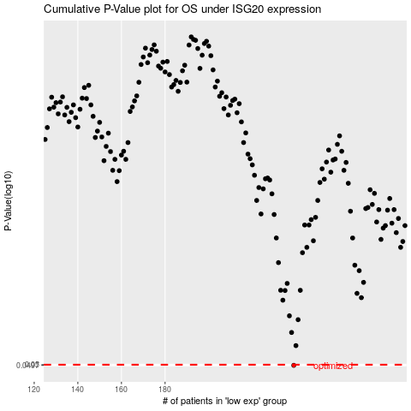

 |  |  |  |  |  | cases_OS | p_OS | rank | exp
 |  |  |  |  |  | 239 | 0.0497 | 350 | -0.18020467865
 |  |  |  |  |  |  | cases_RFS | p_RFS | rank | exp
 |  |  |  |  |  |  | 238 | 0.0497 | 214 | -0.18233918866

