ISL2 _multivariate
Reported by Tex Li-Hsing Chi. tex@gate.sinica.edu.tw 2019-08-18

Table 2. The clinicopathological features of HNSCC cohort and ISL2 expression. (Chi square test)
Cutoff at -0.204 (49.8%)
 |  | ISL2 expression |  | ISL2 expression |  | (Optimised)
 | Features | Low | (%) | High | (%) | Case no | P-value | Remark | Matthews
Gender | Female | 143 | 34.5 | 163 | 39.3 | 415 | 0.0416 | 1 | 0
2 | Male | 64 | 15.4 | 45 | 10.8
Age at diagnosis | <=65y | 137 | 33 | 137 | 33 | 415 | 1 | 0 | 0
4 | >65y | 70 | 16.9 | 71 | 17.1
Clinical T Status | T1+T2 | 75 | 18.1 | 74 | 17.8 | 415 | 0.9707 | 0 | 0
6 | T3+T4 | 132 | 31.8 | 134 | 32.3
Clinical N Status | N0 | 107 | 25.8 | 109 | 26.3 | 415 | 0.9624 | 0 | 0
8 | N1-3 | 100 | 24.1 | 99 | 23.9
Clinical M Status | M0 | 206 | 49.6 | 206 | 49.6 | 415 | 1 | 0 | 0
10 | M1 | 1 | 0.2 | 2 | 0.5
Clinical Stage | Stage I+II | 51 | 12.3 | 51 | 12.3 | 415 | 1 | 0 | 0
12 | Stage III+IV | 156 | 37.6 | 157 | 37.8
Surgical Margin status | Negative | 165 | 39.8 | 153 | 36.9 | 415 | 0.1639 | 0 | 0
14 | Positive | 42 | 10.1 | 55 | 13.3
Tobacco Exposure | Low | 87 | 21 | 74 | 17.8 | 415 | 0.1911 | 0 | 0
16 | High | 120 | 28.9 | 134 | 32.3

Table 3. Univariate/Multivariate Cox's proportional hazards regression analyses on OS time of ISL2 gene expression in HNSCC

 |  | Univariate |  |  |  | Multivariate
 | Features | HR | CI95%(L) | CI95%(H) | P-value | HR | CI95%(L) | CI95%(H) | P-value
1 | Female | 1 |  |  |  | 1
Gender | Male | 1.157 | 0.843 | 1.587 | 0.367 | 1.194 | 0.854 | 1.669 | 0.3
11 | <=65y | 1 |  |  |  | 1
Age at diagnosis | >65y | 1.329 | 0.99 | 1.784 | 0.058 | 1.401 | 1.03 | 1.904 | 0.032
12 | T1+T2 | 1 |  |  |  | 1
Clinical T Status | T3+T4 | 1.409 | 1.028 | 1.931 | 0.033 | 2.213 | 1.171 | 4.185 | 0.014
13 | N0 | 1 |  |  |  | 1
Clinical N Status | N1-3 | 1.185 | 0.89 | 1.577 | 0.246 | 1.238 | 0.868 | 1.766 | 0.238
14 | M0 | 1 |  |  |  | 1
Clinical M Status | M1 | 4.097 | 1.009 | 16.644 | 0.049 | 9.721 | 2.112 | 44.742 | 0.004
15 | Stage I+II | 1 |  |  |  | 1
Clinical Stage | Stage III+IV | 1.245 | 0.882 | 1.759 | 0.213 | 0.503 | 0.234 | 1.079 | 0.077
16 | Negative | 1 |  |  |  | 1
Surgical Margin status | Positive | 1.591 | 1.155 | 2.191 | 0.004 | 1.689 | 1.22 | 2.339 | 0.002
17 | Low | 1 |  |  |  | 1
Tobacco Exposure | High | 1.364 | 1.008 | 1.844 | 0.044 | 1.475 | 1.066 | 2.041 | 0.019
18 | Low | 1 |  |  |  | 1
RNAseq(z-score) | High | 1.028 | 0.771 | 1.371 | 0.85 | 0.916 | 0.682 | 1.23 | 0.561

Table 4. Univariate/Multivariate Cox's proportional hazards regression analyses on RFS time of ISL2 gene expression in HNSCC

 |  | Univariate |  |  |  | Multivariate
 | Features | HR | CI95%(L) | CI95%(H) | P-value | HR | CI95%(L) | CI95%(H) | P-value
1 | Female | 1 |  |  |  | 1
Gender | Male | 1.157 | 0.843 | 1.587 | 0.367 | 1.194 | 0.854 | 1.669 | 0.3
11 | <=65y | 1 |  |  |  | 1
Age at diagnosis | >65y | 1.329 | 0.99 | 1.784 | 0.058 | 1.401 | 1.03 | 1.904 | 0.032
12 | T1+T2 | 1 |  |  |  | 1
Clinical T Status | T3+T4 | 1.409 | 1.028 | 1.931 | 0.033 | 2.213 | 1.171 | 4.185 | 0.014
13 | N0 | 1 |  |  |  | 1
Clinical N Status | N1-3 | 1.185 | 0.89 | 1.577 | 0.246 | 1.238 | 0.868 | 1.766 | 0.238
14 | M0 | 1 |  |  |  | 1
Clinical M Status | M1 | 4.097 | 1.009 | 16.644 | 0.049 | 9.721 | 2.112 | 44.742 | 0.004
15 | Stage I+II | 1 |  |  |  | 1
Clinical Stage | Stage III+IV | 1.245 | 0.882 | 1.759 | 0.213 | 0.503 | 0.234 | 1.079 | 0.077
16 | Negative | 1 |  |  |  | 1
Surgical Margin status | Positive | 1.591 | 1.155 | 2.191 | 0.004 | 1.689 | 1.22 | 2.339 | 0.002
17 | Low | 1 |  |  |  | 1
Tobacco Exposure | High | 1.364 | 1.008 | 1.844 | 0.044 | 1.475 | 1.066 | 2.041 | 0.019
18 | Low | 1 |  |  |  | 1
RNAseq(z-score) | High | 1.028 | 0.771 | 1.371 | 0.85 | 0.916 | 0.682 | 1.23 | 0.561

Kaplan-Meier survival estimate: Cutoff at -0.204 (49.8%)



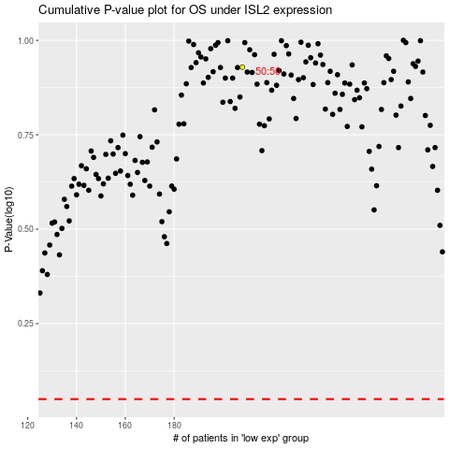

 |  |  |  |  |  | cases_OS | p_OS | rank | exp
 |  |  |  |  |  |  | cases_RFS | p_RFS | rank | exp

