ISLR2 _multivariate
Reported by Tex Li-Hsing Chi. tex@gate.sinica.edu.tw 2019-08-18

Table 2. The clinicopathological features of HNSCC cohort and ISLR2 expression. (Chi square test)
Cutoff at -0.26 (49.8%)
 |  | ISLR2 expression |  | ISLR2 expression |  | (Optimised)
 | Features | Low | (%) | High | (%) | Case no | P-value | Remark | Matthews
Gender | Female | 153 | 36.9 | 153 | 36.9 | 415 | 1 | 0 | 0
2 | Male | 54 | 13 | 55 | 13.3
Age at diagnosis | <=65y | 135 | 32.5 | 139 | 33.5 | 415 | 0.8084 | 0 | 0
4 | >65y | 72 | 17.3 | 69 | 16.6
Clinical T Status | T1+T2 | 56 | 13.5 | 93 | 22.4 | 415 | 3e-04 | 1 | 0
6 | T3+T4 | 151 | 36.4 | 115 | 27.7
Clinical N Status | N0 | 107 | 25.8 | 109 | 26.3 | 415 | 0.9624 | 0 | 0
8 | N1-3 | 100 | 24.1 | 99 | 23.9
Clinical M Status | M0 | 205 | 49.4 | 207 | 49.9 | 415 | 0.6232 | 0 | 0
10 | M1 | 2 | 0.5 | 1 | 0.2
Clinical Stage | Stage I+II | 38 | 9.2 | 64 | 15.4 | 415 | 0.0048 | 1 | 0
12 | Stage III+IV | 169 | 40.7 | 144 | 34.7
Surgical Margin status | Negative | 161 | 38.8 | 157 | 37.8 | 415 | 0.6429 | 0 | 0
14 | Positive | 46 | 11.1 | 51 | 12.3
Tobacco Exposure | Low | 87 | 21 | 74 | 17.8 | 415 | 0.1911 | 0 | 0
16 | High | 120 | 28.9 | 134 | 32.3

Table 3. Univariate/Multivariate Cox's proportional hazards regression analyses on OS time of ISLR2 gene expression in HNSCC

 |  | Univariate |  |  |  | Multivariate
 | Features | HR | CI95%(L) | CI95%(H) | P-value | HR | CI95%(L) | CI95%(H) | P-value
1 | Female | 1 |  |  |  | 1
Gender | Male | 1.157 | 0.843 | 1.587 | 0.367 | 1.204 | 0.861 | 1.683 | 0.279
11 | <=65y | 1 |  |  |  | 1
Age at diagnosis | >65y | 1.329 | 0.99 | 1.784 | 0.058 | 1.392 | 1.024 | 1.893 | 0.035
12 | T1+T2 | 1 |  |  |  | 1
Clinical T Status | T3+T4 | 1.409 | 1.028 | 1.931 | 0.033 | 2.152 | 1.137 | 4.073 | 0.019
13 | N0 | 1 |  |  |  | 1
Clinical N Status | N1-3 | 1.185 | 0.89 | 1.577 | 0.246 | 1.255 | 0.88 | 1.791 | 0.21
14 | M0 | 1 |  |  |  | 1
Clinical M Status | M1 | 4.097 | 1.009 | 16.644 | 0.049 | 8.764 | 1.902 | 40.375 | 0.005
15 | Stage I+II | 1 |  |  |  | 1
Clinical Stage | Stage III+IV | 1.245 | 0.882 | 1.759 | 0.213 | 0.504 | 0.235 | 1.082 | 0.079
16 | Negative | 1 |  |  |  | 1
Surgical Margin status | Positive | 1.591 | 1.155 | 2.191 | 0.004 | 1.665 | 1.205 | 2.3 | 0.002
17 | Low | 1 |  |  |  | 1
Tobacco Exposure | High | 1.364 | 1.008 | 1.844 | 0.044 | 1.477 | 1.069 | 2.039 | 0.018
18 | Low | 1 |  |  |  | 1
RNAseq(z-score) | High | 0.822 | 0.618 | 1.095 | 0.181 | 0.846 | 0.633 | 1.131 | 0.259

Table 4. Univariate/Multivariate Cox's proportional hazards regression analyses on RFS time of ISLR2 gene expression in HNSCC

 |  | Univariate |  |  |  | Multivariate
 | Features | HR | CI95%(L) | CI95%(H) | P-value | HR | CI95%(L) | CI95%(H) | P-value
1 | Female | 1 |  |  |  | 1
Gender | Male | 1.157 | 0.843 | 1.587 | 0.367 | 1.204 | 0.861 | 1.683 | 0.279
11 | <=65y | 1 |  |  |  | 1
Age at diagnosis | >65y | 1.329 | 0.99 | 1.784 | 0.058 | 1.392 | 1.024 | 1.893 | 0.035
12 | T1+T2 | 1 |  |  |  | 1
Clinical T Status | T3+T4 | 1.409 | 1.028 | 1.931 | 0.033 | 2.152 | 1.137 | 4.073 | 0.019
13 | N0 | 1 |  |  |  | 1
Clinical N Status | N1-3 | 1.185 | 0.89 | 1.577 | 0.246 | 1.255 | 0.88 | 1.791 | 0.21
14 | M0 | 1 |  |  |  | 1
Clinical M Status | M1 | 4.097 | 1.009 | 16.644 | 0.049 | 8.764 | 1.902 | 40.375 | 0.005
15 | Stage I+II | 1 |  |  |  | 1
Clinical Stage | Stage III+IV | 1.245 | 0.882 | 1.759 | 0.213 | 0.504 | 0.235 | 1.082 | 0.079
16 | Negative | 1 |  |  |  | 1
Surgical Margin status | Positive | 1.591 | 1.155 | 2.191 | 0.004 | 1.665 | 1.205 | 2.3 | 0.002
17 | Low | 1 |  |  |  | 1
Tobacco Exposure | High | 1.364 | 1.008 | 1.844 | 0.044 | 1.477 | 1.069 | 2.039 | 0.018
18 | Low | 1 |  |  |  | 1
RNAseq(z-score) | High | 0.822 | 0.618 | 1.095 | 0.181 | 0.846 | 0.633 | 1.131 | 0.259

Kaplan-Meier survival estimate: Cutoff at -0.26 (49.8%)



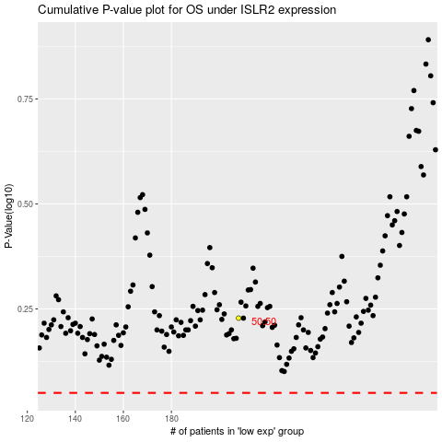

 |  |  |  |  |  | cases_OS | p_OS | rank | exp
 |  |  |  |  |  |  | cases_RFS | p_RFS | rank | exp

