ITGA1 _multivariate
Reported by Tex Li-Hsing Chi. tex@gate.sinica.edu.tw 2019-08-18

Table 2. The clinicopathological features of HNSCC cohort and ITGA1 expression. (Chi square test)
Cutoff at -0.169 (51.2%)
 |  | ITGA1 expression |  | ITGA1 expression |  | (Optimised)
 | Features | Low | (%) | High | (%) | Case no | P-value | Remark | Matthews
Gender | Female | 157 | 37.8 | 149 | 35.9 | 415 | 1 | 0 | 0
2 | Male | 56 | 13.5 | 53 | 12.8
Age at diagnosis | <=65y | 141 | 34 | 133 | 32 | 415 | 1 | 0 | 0
4 | >65y | 72 | 17.3 | 69 | 16.6
Clinical T Status | T1+T2 | 80 | 19.3 | 69 | 16.6 | 415 | 0.5357 | 0 | 0
6 | T3+T4 | 133 | 32 | 133 | 32
Clinical N Status | N0 | 114 | 27.5 | 102 | 24.6 | 415 | 0.6041 | 0 | 0
8 | N1-3 | 99 | 23.9 | 100 | 24.1
Clinical M Status | M0 | 210 | 50.6 | 202 | 48.7 | 415 | 0.2487 | 0 | 0
10 | M1 | 3 | 0.7 | 0 | 0
Clinical Stage | Stage I+II | 52 | 12.5 | 50 | 12 | 415 | 1 | 0 | 0
12 | Stage III+IV | 161 | 38.8 | 152 | 36.6
Surgical Margin status | Negative | 159 | 38.3 | 159 | 38.3 | 415 | 0.3544 | 0 | 0
14 | Positive | 54 | 13 | 43 | 10.4
Tobacco Exposure | Low | 85 | 20.5 | 76 | 18.3 | 415 | 0.6871 | 0 | 0
16 | High | 128 | 30.8 | 126 | 30.4

Table 3. Univariate/Multivariate Cox's proportional hazards regression analyses on OS time of ITGA1 gene expression in HNSCC

 |  | Univariate |  |  |  | Multivariate
 | Features | HR | CI95%(L) | CI95%(H) | P-value | HR | CI95%(L) | CI95%(H) | P-value
1 | Female | 1 |  |  |  | 1
Gender | Male | 1.157 | 0.843 | 1.587 | 0.367 | 1.182 | 0.845 | 1.654 | 0.329
11 | <=65y | 1 |  |  |  | 1
Age at diagnosis | >65y | 1.329 | 0.99 | 1.784 | 0.058 | 1.392 | 1.024 | 1.891 | 0.035
12 | T1+T2 | 1 |  |  |  | 1
Clinical T Status | T3+T4 | 1.409 | 1.028 | 1.931 | 0.033 | 2.271 | 1.2 | 4.298 | 0.012
13 | N0 | 1 |  |  |  | 1
Clinical N Status | N1-3 | 1.185 | 0.89 | 1.577 | 0.246 | 1.275 | 0.893 | 1.822 | 0.181
14 | M0 | 1 |  |  |  | 1
Clinical M Status | M1 | 4.097 | 1.009 | 16.644 | 0.049 | 8.464 | 1.838 | 38.983 | 0.006
15 | Stage I+II | 1 |  |  |  | 1
Clinical Stage | Stage III+IV | 1.245 | 0.882 | 1.759 | 0.213 | 0.483 | 0.225 | 1.037 | 0.062
16 | Negative | 1 |  |  |  | 1
Surgical Margin status | Positive | 1.591 | 1.155 | 2.191 | 0.004 | 1.622 | 1.172 | 2.246 | 0.004
17 | Low | 1 |  |  |  | 1
Tobacco Exposure | High | 1.364 | 1.008 | 1.844 | 0.044 | 1.431 | 1.037 | 1.975 | 0.029
18 | Low | 1 |  |  |  | 1
RNAseq(z-score) | High | 0.741 | 0.556 | 0.99 | 0.042 | 0.782 | 0.583 | 1.049 | 0.1

Table 4. Univariate/Multivariate Cox's proportional hazards regression analyses on RFS time of ITGA1 gene expression in HNSCC

 |  | Univariate |  |  |  | Multivariate
 | Features | HR | CI95%(L) | CI95%(H) | P-value | HR | CI95%(L) | CI95%(H) | P-value
1 | Female | 1 |  |  |  | 1
Gender | Male | 1.157 | 0.843 | 1.587 | 0.367 | 1.182 | 0.845 | 1.654 | 0.329
11 | <=65y | 1 |  |  |  | 1
Age at diagnosis | >65y | 1.329 | 0.99 | 1.784 | 0.058 | 1.392 | 1.024 | 1.891 | 0.035
12 | T1+T2 | 1 |  |  |  | 1
Clinical T Status | T3+T4 | 1.409 | 1.028 | 1.931 | 0.033 | 2.271 | 1.2 | 4.298 | 0.012
13 | N0 | 1 |  |  |  | 1
Clinical N Status | N1-3 | 1.185 | 0.89 | 1.577 | 0.246 | 1.275 | 0.893 | 1.822 | 0.181
14 | M0 | 1 |  |  |  | 1
Clinical M Status | M1 | 4.097 | 1.009 | 16.644 | 0.049 | 8.464 | 1.838 | 38.983 | 0.006
15 | Stage I+II | 1 |  |  |  | 1
Clinical Stage | Stage III+IV | 1.245 | 0.882 | 1.759 | 0.213 | 0.483 | 0.225 | 1.037 | 0.062
16 | Negative | 1 |  |  |  | 1
Surgical Margin status | Positive | 1.591 | 1.155 | 2.191 | 0.004 | 1.622 | 1.172 | 2.246 | 0.004
17 | Low | 1 |  |  |  | 1
Tobacco Exposure | High | 1.364 | 1.008 | 1.844 | 0.044 | 1.431 | 1.037 | 1.975 | 0.029
18 | Low | 1 |  |  |  | 1
RNAseq(z-score) | High | 0.741 | 0.556 | 0.99 | 0.042 | 0.782 | 0.583 | 1.049 | 0.1

Kaplan-Meier survival estimate: Cutoff at -0.169 (51.2%)



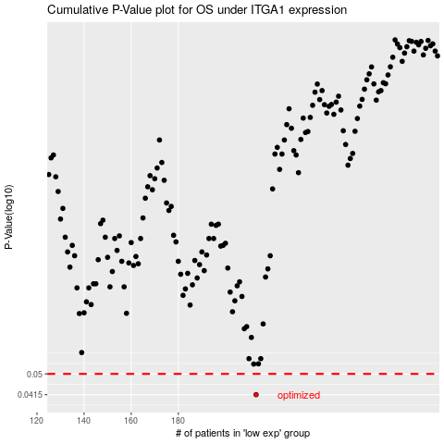

 |  |  |  |  |  | cases_OS | p_OS | rank | exp
 |  |  |  |  |  | 213 | 0.0415 | 140 | -0.16882753009
 |  |  |  |  |  |  | cases_RFS | p_RFS | rank | exp
 |  |  |  |  |  |  | 212 | 0.0415 | 138 | -0.17136994191

