ITGA11 _multivariate
Reported by Tex Li-Hsing Chi. tex@gate.sinica.edu.tw 2019-08-18

Table 2. The clinicopathological features of HNSCC cohort and ITGA11 expression. (Chi square test)
Cutoff at -0.273 (49.8%)
 |  | ITGA11 expression |  | ITGA11 expression |  | (Optimised)
 | Features | Low | (%) | High | (%) | Case no | P-value | Remark | Matthews
Gender | Female | 146 | 35.2 | 160 | 38.6 | 415 | 0.1714 | 0 | 0
2 | Male | 61 | 14.7 | 48 | 11.6
Age at diagnosis | <=65y | 145 | 34.9 | 129 | 31.1 | 415 | 0.1046 | 0 | 0
4 | >65y | 62 | 14.9 | 79 | 19
Clinical T Status | T1+T2 | 80 | 19.3 | 69 | 16.6 | 415 | 0.2891 | 0 | 0
6 | T3+T4 | 127 | 30.6 | 139 | 33.5
Clinical N Status | N0 | 105 | 25.3 | 111 | 26.7 | 415 | 0.6598 | 0 | 0
8 | N1-3 | 102 | 24.6 | 97 | 23.4
Clinical M Status | M0 | 205 | 49.4 | 207 | 49.9 | 415 | 0.6232 | 0 | 0
10 | M1 | 2 | 0.5 | 1 | 0.2
Clinical Stage | Stage I+II | 52 | 12.5 | 50 | 12 | 415 | 0.8871 | 0 | 0
12 | Stage III+IV | 155 | 37.3 | 158 | 38.1
Surgical Margin status | Negative | 153 | 36.9 | 165 | 39.8 | 415 | 0.2036 | 0 | 0
14 | Positive | 54 | 13 | 43 | 10.4
Tobacco Exposure | Low | 94 | 22.7 | 67 | 16.1 | 415 | 0.0065 | 1 | 0
16 | High | 113 | 27.2 | 141 | 34

Table 3. Univariate/Multivariate Cox's proportional hazards regression analyses on OS time of ITGA11 gene expression in HNSCC

 |  | Univariate |  |  |  | Multivariate
 | Features | HR | CI95%(L) | CI95%(H) | P-value | HR | CI95%(L) | CI95%(H) | P-value
1 | Female | 1 |  |  |  | 1
Gender | Male | 1.157 | 0.843 | 1.587 | 0.367 | 1.195 | 0.855 | 1.672 | 0.297
11 | <=65y | 1 |  |  |  | 1
Age at diagnosis | >65y | 1.329 | 0.99 | 1.784 | 0.058 | 1.401 | 1.031 | 1.906 | 0.031
12 | T1+T2 | 1 |  |  |  | 1
Clinical T Status | T3+T4 | 1.409 | 1.028 | 1.931 | 0.033 | 2.242 | 1.184 | 4.249 | 0.013
13 | N0 | 1 |  |  |  | 1
Clinical N Status | N1-3 | 1.185 | 0.89 | 1.577 | 0.246 | 1.24 | 0.869 | 1.77 | 0.235
14 | M0 | 1 |  |  |  | 1
Clinical M Status | M1 | 4.097 | 1.009 | 16.644 | 0.049 | 9.44 | 2.059 | 43.278 | 0.004
15 | Stage I+II | 1 |  |  |  | 1
Clinical Stage | Stage III+IV | 1.245 | 0.882 | 1.759 | 0.213 | 0.499 | 0.232 | 1.071 | 0.074
16 | Negative | 1 |  |  |  | 1
Surgical Margin status | Positive | 1.591 | 1.155 | 2.191 | 0.004 | 1.658 | 1.199 | 2.293 | 0.002
17 | Low | 1 |  |  |  | 1
Tobacco Exposure | High | 1.364 | 1.008 | 1.844 | 0.044 | 1.464 | 1.062 | 2.019 | 0.02
18 | Low | 1 |  |  |  | 1
RNAseq(z-score) | High | 0.93 | 0.698 | 1.239 | 0.618 | 0.896 | 0.669 | 1.199 | 0.459

Table 4. Univariate/Multivariate Cox's proportional hazards regression analyses on RFS time of ITGA11 gene expression in HNSCC

 |  | Univariate |  |  |  | Multivariate
 | Features | HR | CI95%(L) | CI95%(H) | P-value | HR | CI95%(L) | CI95%(H) | P-value
1 | Female | 1 |  |  |  | 1
Gender | Male | 1.157 | 0.843 | 1.587 | 0.367 | 1.195 | 0.855 | 1.672 | 0.297
11 | <=65y | 1 |  |  |  | 1
Age at diagnosis | >65y | 1.329 | 0.99 | 1.784 | 0.058 | 1.401 | 1.031 | 1.906 | 0.031
12 | T1+T2 | 1 |  |  |  | 1
Clinical T Status | T3+T4 | 1.409 | 1.028 | 1.931 | 0.033 | 2.242 | 1.184 | 4.249 | 0.013
13 | N0 | 1 |  |  |  | 1
Clinical N Status | N1-3 | 1.185 | 0.89 | 1.577 | 0.246 | 1.24 | 0.869 | 1.77 | 0.235
14 | M0 | 1 |  |  |  | 1
Clinical M Status | M1 | 4.097 | 1.009 | 16.644 | 0.049 | 9.44 | 2.059 | 43.278 | 0.004
15 | Stage I+II | 1 |  |  |  | 1
Clinical Stage | Stage III+IV | 1.245 | 0.882 | 1.759 | 0.213 | 0.499 | 0.232 | 1.071 | 0.074
16 | Negative | 1 |  |  |  | 1
Surgical Margin status | Positive | 1.591 | 1.155 | 2.191 | 0.004 | 1.658 | 1.199 | 2.293 | 0.002
17 | Low | 1 |  |  |  | 1
Tobacco Exposure | High | 1.364 | 1.008 | 1.844 | 0.044 | 1.464 | 1.062 | 2.019 | 0.02
18 | Low | 1 |  |  |  | 1
RNAseq(z-score) | High | 0.93 | 0.698 | 1.239 | 0.618 | 0.896 | 0.669 | 1.199 | 0.459

Kaplan-Meier survival estimate: Cutoff at -0.273 (49.8%)



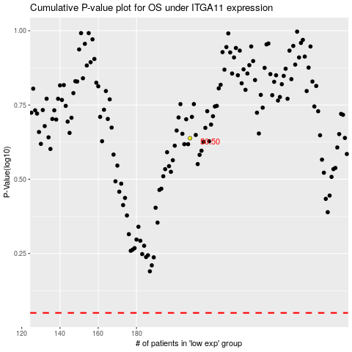

 |  |  |  |  |  | cases_OS | p_OS | rank | exp
 |  |  |  |  |  |  | cases_RFS | p_RFS | rank | exp

