ITGA7 _multivariate
Reported by Tex Li-Hsing Chi. tex@gate.sinica.edu.tw 2019-08-18

Table 2. The clinicopathological features of HNSCC cohort and ITGA7 expression. (Chi square test)
Cutoff at -0.321 (50.0%)
 |  | ITGA7 expression |  | ITGA7 expression |  | (Optimised)
 | Features | Low | (%) | High | (%) | Case no | P-value | Remark | Matthews
Gender | Female | 157 | 37.8 | 149 | 35.9 | 415 | 0.3881 | 0 | 0
2 | Male | 50 | 12 | 59 | 14.2
Age at diagnosis | <=65y | 126 | 30.4 | 148 | 35.7 | 415 | 0.035 | 1 | 0
4 | >65y | 81 | 19.5 | 60 | 14.5
Clinical T Status | T1+T2 | 61 | 14.7 | 88 | 21.2 | 415 | 0.0087 | 1 | 0
6 | T3+T4 | 146 | 35.2 | 120 | 28.9
Clinical N Status | N0 | 112 | 27 | 104 | 25.1 | 415 | 0.4599 | 0 | 0
8 | N1-3 | 95 | 22.9 | 104 | 25.1
Clinical M Status | M0 | 204 | 49.2 | 208 | 50.1 | 415 | 0.1232 | 0 | 0
10 | M1 | 3 | 0.7 | 0 | 0
Clinical Stage | Stage I+II | 41 | 9.9 | 61 | 14.7 | 415 | 0.0325 | 1 | 0
12 | Stage III+IV | 166 | 40 | 147 | 35.4
Surgical Margin status | Negative | 149 | 35.9 | 169 | 40.7 | 415 | 0.0278 | 1 | 0
14 | Positive | 58 | 14 | 39 | 9.4
Tobacco Exposure | Low | 80 | 19.3 | 81 | 19.5 | 415 | 1 | 0 | 0
16 | High | 127 | 30.6 | 127 | 30.6

Table 3. Univariate/Multivariate Cox's proportional hazards regression analyses on OS time of ITGA7 gene expression in HNSCC

 |  | Univariate |  |  |  | Multivariate
 | Features | HR | CI95%(L) | CI95%(H) | P-value | HR | CI95%(L) | CI95%(H) | P-value
1 | Female | 1 |  |  |  | 1
Gender | Male | 1.157 | 0.843 | 1.587 | 0.367 | 1.187 | 0.849 | 1.66 | 0.316
11 | <=65y | 1 |  |  |  | 1
Age at diagnosis | >65y | 1.329 | 0.99 | 1.784 | 0.058 | 1.425 | 1.045 | 1.943 | 0.025
12 | T1+T2 | 1 |  |  |  | 1
Clinical T Status | T3+T4 | 1.409 | 1.028 | 1.931 | 0.033 | 2.223 | 1.175 | 4.206 | 0.014
13 | N0 | 1 |  |  |  | 1
Clinical N Status | N1-3 | 1.185 | 0.89 | 1.577 | 0.246 | 1.217 | 0.852 | 1.74 | 0.281
14 | M0 | 1 |  |  |  | 1
Clinical M Status | M1 | 4.097 | 1.009 | 16.644 | 0.049 | 10.386 | 2.246 | 48.028 | 0.003
15 | Stage I+II | 1 |  |  |  | 1
Clinical Stage | Stage III+IV | 1.245 | 0.882 | 1.759 | 0.213 | 0.524 | 0.243 | 1.129 | 0.099
16 | Negative | 1 |  |  |  | 1
Surgical Margin status | Positive | 1.591 | 1.155 | 2.191 | 0.004 | 1.697 | 1.227 | 2.346 | 0.001
17 | Low | 1 |  |  |  | 1
Tobacco Exposure | High | 1.364 | 1.008 | 1.844 | 0.044 | 1.435 | 1.041 | 1.978 | 0.027
18 | Low | 1 |  |  |  | 1
RNAseq(z-score) | High | 1.087 | 0.816 | 1.448 | 0.569 | 1.201 | 0.891 | 1.62 | 0.229

Table 4. Univariate/Multivariate Cox's proportional hazards regression analyses on RFS time of ITGA7 gene expression in HNSCC

 |  | Univariate |  |  |  | Multivariate
 | Features | HR | CI95%(L) | CI95%(H) | P-value | HR | CI95%(L) | CI95%(H) | P-value
1 | Female | 1 |  |  |  | 1
Gender | Male | 1.157 | 0.843 | 1.587 | 0.367 | 1.187 | 0.849 | 1.66 | 0.316
11 | <=65y | 1 |  |  |  | 1
Age at diagnosis | >65y | 1.329 | 0.99 | 1.784 | 0.058 | 1.425 | 1.045 | 1.943 | 0.025
12 | T1+T2 | 1 |  |  |  | 1
Clinical T Status | T3+T4 | 1.409 | 1.028 | 1.931 | 0.033 | 2.223 | 1.175 | 4.206 | 0.014
13 | N0 | 1 |  |  |  | 1
Clinical N Status | N1-3 | 1.185 | 0.89 | 1.577 | 0.246 | 1.217 | 0.852 | 1.74 | 0.281
14 | M0 | 1 |  |  |  | 1
Clinical M Status | M1 | 4.097 | 1.009 | 16.644 | 0.049 | 10.386 | 2.246 | 48.028 | 0.003
15 | Stage I+II | 1 |  |  |  | 1
Clinical Stage | Stage III+IV | 1.245 | 0.882 | 1.759 | 0.213 | 0.524 | 0.243 | 1.129 | 0.099
16 | Negative | 1 |  |  |  | 1
Surgical Margin status | Positive | 1.591 | 1.155 | 2.191 | 0.004 | 1.697 | 1.227 | 2.346 | 0.001
17 | Low | 1 |  |  |  | 1
Tobacco Exposure | High | 1.364 | 1.008 | 1.844 | 0.044 | 1.435 | 1.041 | 1.978 | 0.027
18 | Low | 1 |  |  |  | 1
RNAseq(z-score) | High | 1.087 | 0.816 | 1.448 | 0.569 | 1.201 | 0.891 | 1.62 | 0.229

Kaplan-Meier survival estimate: Cutoff at -0.321 (50.0%)



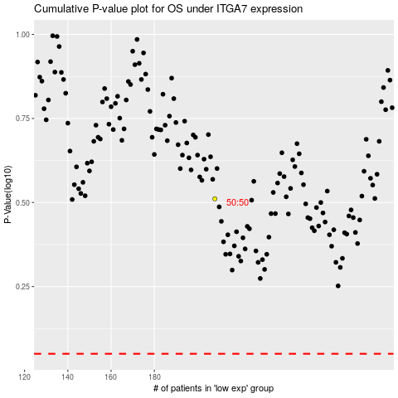

 |  |  |  |  |  | cases_OS | p_OS | rank | exp
 |  |  |  |  |  |  | cases_RFS | p_RFS | rank | exp

