ITGA9 _multivariate
Reported by Tex Li-Hsing Chi. tex@gate.sinica.edu.tw 2019-08-18

Table 2. The clinicopathological features of HNSCC cohort and ITGA9 expression. (Chi square test)
Cutoff at -0.464 (30.2%)
 |  | ITGA9 expression |  | ITGA9 expression |  | (Optimised)
 | Features | Low | (%) | High | (%) | Case no | P-value | Remark | Matthews
Gender | Female | 98 | 23.6 | 208 | 50.1 | 415 | 0.1949 | 0 | 0
2 | Male | 27 | 6.5 | 82 | 19.8
Age at diagnosis | <=65y | 88 | 21.2 | 186 | 44.8 | 415 | 0.2615 | 0 | 0
4 | >65y | 37 | 8.9 | 104 | 25.1
Clinical T Status | T1+T2 | 42 | 10.1 | 107 | 25.8 | 415 | 0.5956 | 0 | 0
6 | T3+T4 | 83 | 20 | 183 | 44.1
Clinical N Status | N0 | 65 | 15.7 | 151 | 36.4 | 415 | 1 | 0 | 0
8 | N1-3 | 60 | 14.5 | 139 | 33.5
Clinical M Status | M0 | 122 | 29.4 | 290 | 69.9 | 415 | 0.0269 | 1 | 0
10 | M1 | 3 | 0.7 | 0 | 0
Clinical Stage | Stage I+II | 28 | 6.7 | 74 | 17.8 | 415 | 0.5807 | 0 | 0
12 | Stage III+IV | 97 | 23.4 | 216 | 52
Surgical Margin status | Negative | 89 | 21.4 | 229 | 55.2 | 415 | 0.1003 | 0 | 0
14 | Positive | 36 | 8.7 | 61 | 14.7
Tobacco Exposure | Low | 49 | 11.8 | 112 | 27 | 415 | 0.913 | 0 | 0
16 | High | 76 | 18.3 | 178 | 42.9

Table 3. Univariate/Multivariate Cox's proportional hazards regression analyses on OS time of ITGA9 gene expression in HNSCC

 |  | Univariate |  |  |  | Multivariate
 | Features | HR | CI95%(L) | CI95%(H) | P-value | HR | CI95%(L) | CI95%(H) | P-value
1 | Female | 1 |  |  |  | 1
Gender | Male | 1.157 | 0.843 | 1.587 | 0.367 | 1.218 | 0.87 | 1.705 | 0.251
11 | <=65y | 1 |  |  |  | 1
Age at diagnosis | >65y | 1.329 | 0.99 | 1.784 | 0.058 | 1.394 | 1.026 | 1.894 | 0.034
12 | T1+T2 | 1 |  |  |  | 1
Clinical T Status | T3+T4 | 1.409 | 1.028 | 1.931 | 0.033 | 2.208 | 1.169 | 4.172 | 0.015
13 | N0 | 1 |  |  |  | 1
Clinical N Status | N1-3 | 1.185 | 0.89 | 1.577 | 0.246 | 1.257 | 0.881 | 1.794 | 0.207
14 | M0 | 1 |  |  |  | 1
Clinical M Status | M1 | 4.097 | 1.009 | 16.644 | 0.049 | 7.889 | 1.701 | 36.602 | 0.008
15 | Stage I+II | 1 |  |  |  | 1
Clinical Stage | Stage III+IV | 1.245 | 0.882 | 1.759 | 0.213 | 0.493 | 0.23 | 1.057 | 0.069
16 | Negative | 1 |  |  |  | 1
Surgical Margin status | Positive | 1.591 | 1.155 | 2.191 | 0.004 | 1.636 | 1.182 | 2.263 | 0.003
17 | Low | 1 |  |  |  | 1
Tobacco Exposure | High | 1.364 | 1.008 | 1.844 | 0.044 | 1.466 | 1.063 | 2.022 | 0.02
18 | Low | 1 |  |  |  | 1
RNAseq(z-score) | High | 0.737 | 0.546 | 0.994 | 0.046 | 0.763 | 0.563 | 1.034 | 0.081

Table 4. Univariate/Multivariate Cox's proportional hazards regression analyses on RFS time of ITGA9 gene expression in HNSCC

 |  | Univariate |  |  |  | Multivariate
 | Features | HR | CI95%(L) | CI95%(H) | P-value | HR | CI95%(L) | CI95%(H) | P-value
1 | Female | 1 |  |  |  | 1
Gender | Male | 1.157 | 0.843 | 1.587 | 0.367 | 1.218 | 0.87 | 1.705 | 0.251
11 | <=65y | 1 |  |  |  | 1
Age at diagnosis | >65y | 1.329 | 0.99 | 1.784 | 0.058 | 1.394 | 1.026 | 1.894 | 0.034
12 | T1+T2 | 1 |  |  |  | 1
Clinical T Status | T3+T4 | 1.409 | 1.028 | 1.931 | 0.033 | 2.208 | 1.169 | 4.172 | 0.015
13 | N0 | 1 |  |  |  | 1
Clinical N Status | N1-3 | 1.185 | 0.89 | 1.577 | 0.246 | 1.257 | 0.881 | 1.794 | 0.207
14 | M0 | 1 |  |  |  | 1
Clinical M Status | M1 | 4.097 | 1.009 | 16.644 | 0.049 | 7.889 | 1.701 | 36.602 | 0.008
15 | Stage I+II | 1 |  |  |  | 1
Clinical Stage | Stage III+IV | 1.245 | 0.882 | 1.759 | 0.213 | 0.493 | 0.23 | 1.057 | 0.069
16 | Negative | 1 |  |  |  | 1
Surgical Margin status | Positive | 1.591 | 1.155 | 2.191 | 0.004 | 1.636 | 1.182 | 2.263 | 0.003
17 | Low | 1 |  |  |  | 1
Tobacco Exposure | High | 1.364 | 1.008 | 1.844 | 0.044 | 1.466 | 1.063 | 2.022 | 0.02
18 | Low | 1 |  |  |  | 1
RNAseq(z-score) | High | 0.737 | 0.546 | 0.994 | 0.046 | 0.763 | 0.563 | 1.034 | 0.081

Kaplan-Meier survival estimate: Cutoff at -0.464 (30.2%)



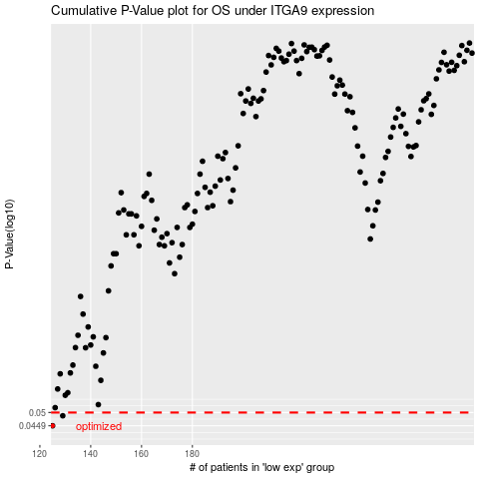

 |  |  |  |  |  | cases_OS | p_OS | rank | exp
 |  |  |  |  |  | 125 | 0.0449 | 252 | -0.46429251343
 |  |  |  |  |  | 129 | 0.0487 | 33 | -0.45827101175
 |  |  |  |  |  |  | cases_RFS | p_RFS | rank | exp
 |  |  |  |  |  |  |  | 0.0449 | 314 | -0.46793381356
 |  |  |  |  |  |  | 128 | 0.0487 | 201 | -0.45869788607

