ITGAD _multivariate
Reported by Tex Li-Hsing Chi. tex@gate.sinica.edu.tw 2019-08-18

Table 2. The clinicopathological features of HNSCC cohort and ITGAD expression. (Chi square test)
Cutoff at -0.17 (50.0%)
 |  | ITGAD expression |  | ITGAD expression |  | (Optimised)
 | Features | Low | (%) | High | (%) | Case no | P-value | Remark | Matthews
Gender | Female | 155 | 37.3 | 151 | 36.4 | 415 | 0.6768 | 0 | 0
2 | Male | 52 | 12.5 | 57 | 13.7
Age at diagnosis | <=65y | 144 | 34.7 | 130 | 31.3 | 415 | 0.1568 | 0 | 0
4 | >65y | 63 | 15.2 | 78 | 18.8
Clinical T Status | T1+T2 | 66 | 15.9 | 83 | 20 | 415 | 0.1095 | 0 | 0
6 | T3+T4 | 141 | 34 | 125 | 30.1
Clinical N Status | N0 | 107 | 25.8 | 109 | 26.3 | 415 | 0.9624 | 0 | 0
8 | N1-3 | 100 | 24.1 | 99 | 23.9
Clinical M Status | M0 | 204 | 49.2 | 208 | 50.1 | 415 | 0.1232 | 0 | 0
10 | M1 | 3 | 0.7 | 0 | 0
Clinical Stage | Stage I+II | 46 | 11.1 | 56 | 13.5 | 415 | 0.3182 | 0 | 0
12 | Stage III+IV | 161 | 38.8 | 152 | 36.6
Surgical Margin status | Negative | 158 | 38.1 | 160 | 38.6 | 415 | 0.9081 | 0 | 0
14 | Positive | 49 | 11.8 | 48 | 11.6
Tobacco Exposure | Low | 70 | 16.9 | 91 | 21.9 | 415 | 0.0439 | 1 | 0
16 | High | 137 | 33 | 117 | 28.2

Table 3. Univariate/Multivariate Cox's proportional hazards regression analyses on OS time of ITGAD gene expression in HNSCC

 |  | Univariate |  |  |  | Multivariate
 | Features | HR | CI95%(L) | CI95%(H) | P-value | HR | CI95%(L) | CI95%(H) | P-value
1 | Female | 1 |  |  |  | 1
Gender | Male | 1.157 | 0.843 | 1.587 | 0.367 | 1.207 | 0.863 | 1.688 | 0.272
11 | <=65y | 1 |  |  |  | 1
Age at diagnosis | >65y | 1.329 | 0.99 | 1.784 | 0.058 | 1.398 | 1.028 | 1.902 | 0.033
12 | T1+T2 | 1 |  |  |  | 1
Clinical T Status | T3+T4 | 1.409 | 1.028 | 1.931 | 0.033 | 2.19 | 1.158 | 4.144 | 0.016
13 | N0 | 1 |  |  |  | 1
Clinical N Status | N1-3 | 1.185 | 0.89 | 1.577 | 0.246 | 1.244 | 0.871 | 1.775 | 0.229
14 | M0 | 1 |  |  |  | 1
Clinical M Status | M1 | 4.097 | 1.009 | 16.644 | 0.049 | 9.136 | 1.976 | 42.232 | 0.005
15 | Stage I+II | 1 |  |  |  | 1
Clinical Stage | Stage III+IV | 1.245 | 0.882 | 1.759 | 0.213 | 0.505 | 0.235 | 1.084 | 0.08
16 | Negative | 1 |  |  |  | 1
Surgical Margin status | Positive | 1.591 | 1.155 | 2.191 | 0.004 | 1.675 | 1.212 | 2.315 | 0.002
17 | Low | 1 |  |  |  | 1
Tobacco Exposure | High | 1.364 | 1.008 | 1.844 | 0.044 | 1.448 | 1.05 | 1.996 | 0.024
18 | Low | 1 |  |  |  | 1
RNAseq(z-score) | High | 0.934 | 0.701 | 1.245 | 0.642 | 0.949 | 0.707 | 1.272 | 0.725

Table 4. Univariate/Multivariate Cox's proportional hazards regression analyses on RFS time of ITGAD gene expression in HNSCC

 |  | Univariate |  |  |  | Multivariate
 | Features | HR | CI95%(L) | CI95%(H) | P-value | HR | CI95%(L) | CI95%(H) | P-value
1 | Female | 1 |  |  |  | 1
Gender | Male | 1.157 | 0.843 | 1.587 | 0.367 | 1.207 | 0.863 | 1.688 | 0.272
11 | <=65y | 1 |  |  |  | 1
Age at diagnosis | >65y | 1.329 | 0.99 | 1.784 | 0.058 | 1.398 | 1.028 | 1.902 | 0.033
12 | T1+T2 | 1 |  |  |  | 1
Clinical T Status | T3+T4 | 1.409 | 1.028 | 1.931 | 0.033 | 2.19 | 1.158 | 4.144 | 0.016
13 | N0 | 1 |  |  |  | 1
Clinical N Status | N1-3 | 1.185 | 0.89 | 1.577 | 0.246 | 1.244 | 0.871 | 1.775 | 0.229
14 | M0 | 1 |  |  |  | 1
Clinical M Status | M1 | 4.097 | 1.009 | 16.644 | 0.049 | 9.136 | 1.976 | 42.232 | 0.005
15 | Stage I+II | 1 |  |  |  | 1
Clinical Stage | Stage III+IV | 1.245 | 0.882 | 1.759 | 0.213 | 0.505 | 0.235 | 1.084 | 0.08
16 | Negative | 1 |  |  |  | 1
Surgical Margin status | Positive | 1.591 | 1.155 | 2.191 | 0.004 | 1.675 | 1.212 | 2.315 | 0.002
17 | Low | 1 |  |  |  | 1
Tobacco Exposure | High | 1.364 | 1.008 | 1.844 | 0.044 | 1.448 | 1.05 | 1.996 | 0.024
18 | Low | 1 |  |  |  | 1
RNAseq(z-score) | High | 0.934 | 0.701 | 1.245 | 0.642 | 0.949 | 0.707 | 1.272 | 0.725

Kaplan-Meier survival estimate: Cutoff at -0.17 (50.0%)



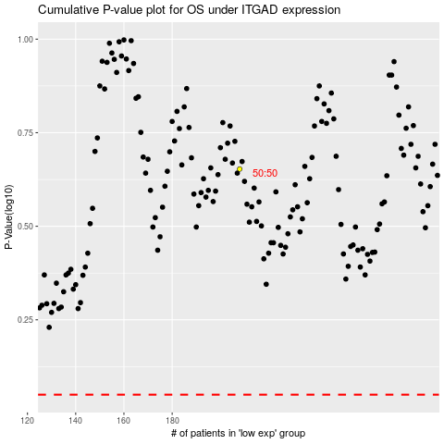

 |  |  |  |  |  | cases_OS | p_OS | rank | exp
 |  |  |  |  |  |  | cases_RFS | p_RFS | rank | exp

