ITGAM _multivariate
Reported by Tex Li-Hsing Chi. tex@gate.sinica.edu.tw 2019-08-18

Table 2. The clinicopathological features of HNSCC cohort and ITGAM expression. (Chi square test)
Cutoff at -0.247 (49.8%)
 |  | ITGAM expression |  | ITGAM expression |  | (Optimised)
 | Features | Low | (%) | High | (%) | Case no | P-value | Remark | Matthews
Gender | Female | 160 | 38.6 | 146 | 35.2 | 415 | 0.1254 | 0 | 0
2 | Male | 47 | 11.3 | 62 | 14.9
Age at diagnosis | <=65y | 146 | 35.2 | 128 | 30.8 | 415 | 0.0672 | 0 | 0
4 | >65y | 61 | 14.7 | 80 | 19.3
Clinical T Status | T1+T2 | 76 | 18.3 | 73 | 17.6 | 415 | 0.8092 | 0 | 0
6 | T3+T4 | 131 | 31.6 | 135 | 32.5
Clinical N Status | N0 | 118 | 28.4 | 98 | 23.6 | 415 | 0.0551 | 1 | 0
8 | N1-3 | 89 | 21.4 | 110 | 26.5
Clinical M Status | M0 | 205 | 49.4 | 207 | 49.9 | 415 | 0.6232 | 0 | 0
10 | M1 | 2 | 0.5 | 1 | 0.2
Clinical Stage | Stage I+II | 57 | 13.7 | 45 | 10.8 | 415 | 0.1998 | 0 | 0
12 | Stage III+IV | 150 | 36.1 | 163 | 39.3
Surgical Margin status | Negative | 155 | 37.3 | 163 | 39.3 | 415 | 0.4187 | 0 | 0
14 | Positive | 52 | 12.5 | 45 | 10.8
Tobacco Exposure | Low | 76 | 18.3 | 85 | 20.5 | 415 | 0.4207 | 0 | 0
16 | High | 131 | 31.6 | 123 | 29.6

Table 3. Univariate/Multivariate Cox's proportional hazards regression analyses on OS time of ITGAM gene expression in HNSCC

 |  | Univariate |  |  |  | Multivariate
 | Features | HR | CI95%(L) | CI95%(H) | P-value | HR | CI95%(L) | CI95%(H) | P-value
1 | Female | 1 |  |  |  | 1
Gender | Male | 1.157 | 0.843 | 1.587 | 0.367 | 1.201 | 0.86 | 1.678 | 0.283
11 | <=65y | 1 |  |  |  | 1
Age at diagnosis | >65y | 1.329 | 0.99 | 1.784 | 0.058 | 1.39 | 1.022 | 1.892 | 0.036
12 | T1+T2 | 1 |  |  |  | 1
Clinical T Status | T3+T4 | 1.409 | 1.028 | 1.931 | 0.033 | 2.206 | 1.166 | 4.174 | 0.015
13 | N0 | 1 |  |  |  | 1
Clinical N Status | N1-3 | 1.185 | 0.89 | 1.577 | 0.246 | 1.239 | 0.867 | 1.77 | 0.24
14 | M0 | 1 |  |  |  | 1
Clinical M Status | M1 | 4.097 | 1.009 | 16.644 | 0.049 | 9.444 | 2.056 | 43.391 | 0.004
15 | Stage I+II | 1 |  |  |  | 1
Clinical Stage | Stage III+IV | 1.245 | 0.882 | 1.759 | 0.213 | 0.504 | 0.234 | 1.082 | 0.079
16 | Negative | 1 |  |  |  | 1
Surgical Margin status | Positive | 1.591 | 1.155 | 2.191 | 0.004 | 1.673 | 1.21 | 2.313 | 0.002
17 | Low | 1 |  |  |  | 1
Tobacco Exposure | High | 1.364 | 1.008 | 1.844 | 0.044 | 1.454 | 1.055 | 2.005 | 0.022
18 | Low | 1 |  |  |  | 1
RNAseq(z-score) | High | 1.001 | 0.752 | 1.333 | 0.993 | 1.014 | 0.757 | 1.358 | 0.925

Table 4. Univariate/Multivariate Cox's proportional hazards regression analyses on RFS time of ITGAM gene expression in HNSCC

 |  | Univariate |  |  |  | Multivariate
 | Features | HR | CI95%(L) | CI95%(H) | P-value | HR | CI95%(L) | CI95%(H) | P-value
1 | Female | 1 |  |  |  | 1
Gender | Male | 1.157 | 0.843 | 1.587 | 0.367 | 1.201 | 0.86 | 1.678 | 0.283
11 | <=65y | 1 |  |  |  | 1
Age at diagnosis | >65y | 1.329 | 0.99 | 1.784 | 0.058 | 1.39 | 1.022 | 1.892 | 0.036
12 | T1+T2 | 1 |  |  |  | 1
Clinical T Status | T3+T4 | 1.409 | 1.028 | 1.931 | 0.033 | 2.206 | 1.166 | 4.174 | 0.015
13 | N0 | 1 |  |  |  | 1
Clinical N Status | N1-3 | 1.185 | 0.89 | 1.577 | 0.246 | 1.239 | 0.867 | 1.77 | 0.24
14 | M0 | 1 |  |  |  | 1
Clinical M Status | M1 | 4.097 | 1.009 | 16.644 | 0.049 | 9.444 | 2.056 | 43.391 | 0.004
15 | Stage I+II | 1 |  |  |  | 1
Clinical Stage | Stage III+IV | 1.245 | 0.882 | 1.759 | 0.213 | 0.504 | 0.234 | 1.082 | 0.079
16 | Negative | 1 |  |  |  | 1
Surgical Margin status | Positive | 1.591 | 1.155 | 2.191 | 0.004 | 1.673 | 1.21 | 2.313 | 0.002
17 | Low | 1 |  |  |  | 1
Tobacco Exposure | High | 1.364 | 1.008 | 1.844 | 0.044 | 1.454 | 1.055 | 2.005 | 0.022
18 | Low | 1 |  |  |  | 1
RNAseq(z-score) | High | 1.001 | 0.752 | 1.333 | 0.993 | 1.014 | 0.757 | 1.358 | 0.925

Kaplan-Meier survival estimate: Cutoff at -0.247 (49.8%)

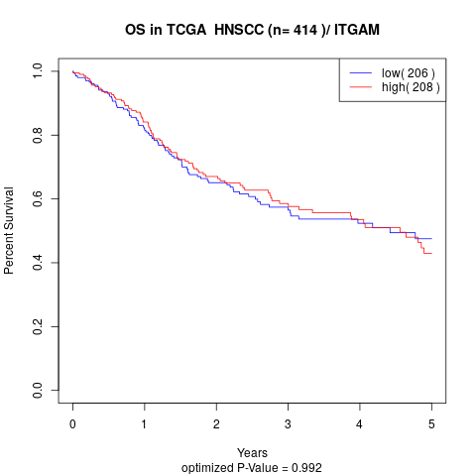

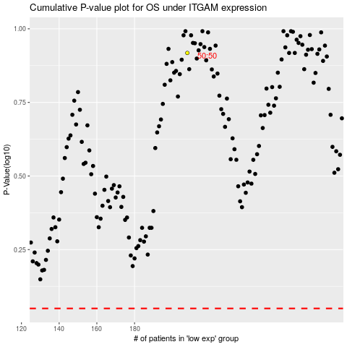

 |  |  |  |  |  | cases_OS | p_OS | rank | exp
 |  |  |  |  |  |  | cases_RFS | p_RFS | rank | exp

